LRRC1 _multivariate
Reported by Tex Li-Hsing Chi. tex@gate.sinica.edu.tw 2019-08-18

Table 2. The clinicopathological features of HNSCC cohort and LRRC1 expression. (Chi square test)
Cutoff at -0.441 (37.9%)
 |  | LRRC1 expression |  | LRRC1 expression |  | (Optimised)
 | Features | Low | (%) | High | (%) | Case no | P-value | Remark | Matthews
Gender | Female | 115 | 27.7 | 191 | 46 | 415 | 0.9516 | 0 | 0
2 | Male | 42 | 10.1 | 67 | 16.1
Age at diagnosis | <=65y | 103 | 24.8 | 171 | 41.2 | 415 | 0.9731 | 0 | 0
4 | >65y | 54 | 13 | 87 | 21
Clinical T Status | T1+T2 | 65 | 15.7 | 84 | 20.2 | 415 | 0.0862 | 0 | 0
6 | T3+T4 | 92 | 22.2 | 174 | 41.9
Clinical N Status | N0 | 75 | 18.1 | 141 | 34 | 415 | 0.2079 | 0 | 0
8 | N1-3 | 82 | 19.8 | 117 | 28.2
Clinical M Status | M0 | 154 | 37.1 | 258 | 62.2 | 415 | 0.0535 | 0 | 0
10 | M1 | 3 | 0.7 | 0 | 0
Clinical Stage | Stage I+II | 42 | 10.1 | 60 | 14.5 | 415 | 0.4936 | 0 | 0
12 | Stage III+IV | 115 | 27.7 | 198 | 47.7
Surgical Margin status | Negative | 120 | 28.9 | 198 | 47.7 | 415 | 1 | 0 | 0
14 | Positive | 37 | 8.9 | 60 | 14.5
Tobacco Exposure | Low | 63 | 15.2 | 98 | 23.6 | 415 | 0.6788 | 0 | 0
16 | High | 94 | 22.7 | 160 | 38.6

Table 3. Univariate/Multivariate Cox's proportional hazards regression analyses on OS time of LRRC1 gene expression in HNSCC

 |  | Univariate |  |  |  | Multivariate
 | Features | HR | CI95%(L) | CI95%(H) | P-value | HR | CI95%(L) | CI95%(H) | P-value
1 | Female | 1 |  |  |  | 1
Gender | Male | 1.157 | 0.843 | 1.587 | 0.367 | 1.171 | 0.837 | 1.639 | 0.356
11 | <=65y | 1 |  |  |  | 1
Age at diagnosis | >65y | 1.329 | 0.99 | 1.784 | 0.058 | 1.404 | 1.033 | 1.908 | 0.03
12 | T1+T2 | 1 |  |  |  | 1
Clinical T Status | T3+T4 | 1.409 | 1.028 | 1.931 | 0.033 | 2.275 | 1.202 | 4.306 | 0.012
13 | N0 | 1 |  |  |  | 1
Clinical N Status | N1-3 | 1.185 | 0.89 | 1.577 | 0.246 | 1.197 | 0.839 | 1.709 | 0.321
14 | M0 | 1 |  |  |  | 1
Clinical M Status | M1 | 4.097 | 1.009 | 16.644 | 0.049 | 7.959 | 1.725 | 36.72 | 0.008
15 | Stage I+II | 1 |  |  |  | 1
Clinical Stage | Stage III+IV | 1.245 | 0.882 | 1.759 | 0.213 | 0.526 | 0.245 | 1.131 | 0.1
16 | Negative | 1 |  |  |  | 1
Surgical Margin status | Positive | 1.591 | 1.155 | 2.191 | 0.004 | 1.645 | 1.191 | 2.273 | 0.003
17 | Low | 1 |  |  |  | 1
Tobacco Exposure | High | 1.364 | 1.008 | 1.844 | 0.044 | 1.458 | 1.059 | 2.007 | 0.021
18 | Low | 1 |  |  |  | 1
RNAseq(z-score) | High | 0.741 | 0.555 | 0.989 | 0.042 | 0.723 | 0.537 | 0.973 | 0.032

Table 4. Univariate/Multivariate Cox's proportional hazards regression analyses on RFS time of LRRC1 gene expression in HNSCC

 |  | Univariate |  |  |  | Multivariate
 | Features | HR | CI95%(L) | CI95%(H) | P-value | HR | CI95%(L) | CI95%(H) | P-value
1 | Female | 1 |  |  |  | 1
Gender | Male | 1.157 | 0.843 | 1.587 | 0.367 | 1.171 | 0.837 | 1.639 | 0.356
11 | <=65y | 1 |  |  |  | 1
Age at diagnosis | >65y | 1.329 | 0.99 | 1.784 | 0.058 | 1.404 | 1.033 | 1.908 | 0.03
12 | T1+T2 | 1 |  |  |  | 1
Clinical T Status | T3+T4 | 1.409 | 1.028 | 1.931 | 0.033 | 2.275 | 1.202 | 4.306 | 0.012
13 | N0 | 1 |  |  |  | 1
Clinical N Status | N1-3 | 1.185 | 0.89 | 1.577 | 0.246 | 1.197 | 0.839 | 1.709 | 0.321
14 | M0 | 1 |  |  |  | 1
Clinical M Status | M1 | 4.097 | 1.009 | 16.644 | 0.049 | 7.959 | 1.725 | 36.72 | 0.008
15 | Stage I+II | 1 |  |  |  | 1
Clinical Stage | Stage III+IV | 1.245 | 0.882 | 1.759 | 0.213 | 0.526 | 0.245 | 1.131 | 0.1
16 | Negative | 1 |  |  |  | 1
Surgical Margin status | Positive | 1.591 | 1.155 | 2.191 | 0.004 | 1.645 | 1.191 | 2.273 | 0.003
17 | Low | 1 |  |  |  | 1
Tobacco Exposure | High | 1.364 | 1.008 | 1.844 | 0.044 | 1.458 | 1.059 | 2.007 | 0.021
18 | Low | 1 |  |  |  | 1
RNAseq(z-score) | High | 0.741 | 0.555 | 0.989 | 0.042 | 0.723 | 0.537 | 0.973 | 0.032

Kaplan-Meier survival estimate: Cutoff at -0.441 (37.9%)



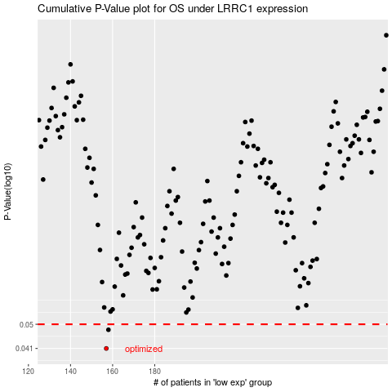

 |  |  |  |  |  | cases_OS | p_OS | rank | exp
 |  |  |  |  |  | 157 | 0.041 | 336 | -0.44081068462
 |  |  |  |  |  | 158 | 0.0478 | 293 | -0.44041642375
 |  |  |  |  |  |  | cases_RFS | p_RFS | rank | exp
 |  |  |  |  |  |  | 156 | 0.041 | 124 | -0.44183432646
 |  |  |  |  |  |  | 157 | 0.0478 | 336 | -0.44081068462

