LRRC14 _multivariate
Reported by Tex Li-Hsing Chi. tex@gate.sinica.edu.tw 2019-08-18

Table 2. The clinicopathological features of HNSCC cohort and LRRC14 expression. (Chi square test)
Cutoff at -0.093 (49.8%)
 |  | LRRC14 expression |  | LRRC14 expression |  | (Optimised)
 | Features | Low | (%) | High | (%) | Case no | P-value | Remark | Matthews
Gender | Female | 145 | 34.9 | 161 | 38.8 | 415 | 0.1116 | 0 | 0
2 | Male | 62 | 14.9 | 47 | 11.3
Age at diagnosis | <=65y | 133 | 32 | 141 | 34 | 415 | 0.5111 | 0 | 0
4 | >65y | 74 | 17.8 | 67 | 16.1
Clinical T Status | T1+T2 | 77 | 18.6 | 72 | 17.3 | 415 | 0.6556 | 0 | 0
6 | T3+T4 | 130 | 31.3 | 136 | 32.8
Clinical N Status | N0 | 109 | 26.3 | 107 | 25.8 | 415 | 0.8812 | 0 | 0
8 | N1-3 | 98 | 23.6 | 101 | 24.3
Clinical M Status | M0 | 206 | 49.6 | 206 | 49.6 | 415 | 1 | 0 | 0
10 | M1 | 1 | 0.2 | 2 | 0.5
Clinical Stage | Stage I+II | 54 | 13 | 48 | 11.6 | 415 | 0.5498 | 0 | 0
12 | Stage III+IV | 153 | 36.9 | 160 | 38.6
Surgical Margin status | Negative | 160 | 38.6 | 158 | 38.1 | 415 | 0.8167 | 0 | 0
14 | Positive | 47 | 11.3 | 50 | 12
Tobacco Exposure | Low | 83 | 20 | 78 | 18.8 | 415 | 0.6152 | 0 | 0
16 | High | 124 | 29.9 | 130 | 31.3

Table 3. Univariate/Multivariate Cox's proportional hazards regression analyses on OS time of LRRC14 gene expression in HNSCC

 |  | Univariate |  |  |  | Multivariate
 | Features | HR | CI95%(L) | CI95%(H) | P-value | HR | CI95%(L) | CI95%(H) | P-value
1 | Female | 1 |  |  |  | 1
Gender | Male | 1.157 | 0.843 | 1.587 | 0.367 | 1.191 | 0.852 | 1.665 | 0.307
11 | <=65y | 1 |  |  |  | 1
Age at diagnosis | >65y | 1.329 | 0.99 | 1.784 | 0.058 | 1.389 | 1.022 | 1.888 | 0.036
12 | T1+T2 | 1 |  |  |  | 1
Clinical T Status | T3+T4 | 1.409 | 1.028 | 1.931 | 0.033 | 2.224 | 1.175 | 4.208 | 0.014
13 | N0 | 1 |  |  |  | 1
Clinical N Status | N1-3 | 1.185 | 0.89 | 1.577 | 0.246 | 1.245 | 0.873 | 1.776 | 0.227
14 | M0 | 1 |  |  |  | 1
Clinical M Status | M1 | 4.097 | 1.009 | 16.644 | 0.049 | 9.569 | 2.086 | 43.902 | 0.004
15 | Stage I+II | 1 |  |  |  | 1
Clinical Stage | Stage III+IV | 1.245 | 0.882 | 1.759 | 0.213 | 0.502 | 0.234 | 1.078 | 0.077
16 | Negative | 1 |  |  |  | 1
Surgical Margin status | Positive | 1.591 | 1.155 | 2.191 | 0.004 | 1.695 | 1.223 | 2.348 | 0.002
17 | Low | 1 |  |  |  | 1
Tobacco Exposure | High | 1.364 | 1.008 | 1.844 | 0.044 | 1.45 | 1.052 | 1.998 | 0.023
18 | Low | 1 |  |  |  | 1
RNAseq(z-score) | High | 0.963 | 0.722 | 1.285 | 0.798 | 0.906 | 0.676 | 1.214 | 0.508

Table 4. Univariate/Multivariate Cox's proportional hazards regression analyses on RFS time of LRRC14 gene expression in HNSCC

 |  | Univariate |  |  |  | Multivariate
 | Features | HR | CI95%(L) | CI95%(H) | P-value | HR | CI95%(L) | CI95%(H) | P-value
1 | Female | 1 |  |  |  | 1
Gender | Male | 1.157 | 0.843 | 1.587 | 0.367 | 1.191 | 0.852 | 1.665 | 0.307
11 | <=65y | 1 |  |  |  | 1
Age at diagnosis | >65y | 1.329 | 0.99 | 1.784 | 0.058 | 1.389 | 1.022 | 1.888 | 0.036
12 | T1+T2 | 1 |  |  |  | 1
Clinical T Status | T3+T4 | 1.409 | 1.028 | 1.931 | 0.033 | 2.224 | 1.175 | 4.208 | 0.014
13 | N0 | 1 |  |  |  | 1
Clinical N Status | N1-3 | 1.185 | 0.89 | 1.577 | 0.246 | 1.245 | 0.873 | 1.776 | 0.227
14 | M0 | 1 |  |  |  | 1
Clinical M Status | M1 | 4.097 | 1.009 | 16.644 | 0.049 | 9.569 | 2.086 | 43.902 | 0.004
15 | Stage I+II | 1 |  |  |  | 1
Clinical Stage | Stage III+IV | 1.245 | 0.882 | 1.759 | 0.213 | 0.502 | 0.234 | 1.078 | 0.077
16 | Negative | 1 |  |  |  | 1
Surgical Margin status | Positive | 1.591 | 1.155 | 2.191 | 0.004 | 1.695 | 1.223 | 2.348 | 0.002
17 | Low | 1 |  |  |  | 1
Tobacco Exposure | High | 1.364 | 1.008 | 1.844 | 0.044 | 1.45 | 1.052 | 1.998 | 0.023
18 | Low | 1 |  |  |  | 1
RNAseq(z-score) | High | 0.963 | 0.722 | 1.285 | 0.798 | 0.906 | 0.676 | 1.214 | 0.508

Kaplan-Meier survival estimate: Cutoff at -0.093 (49.8%)



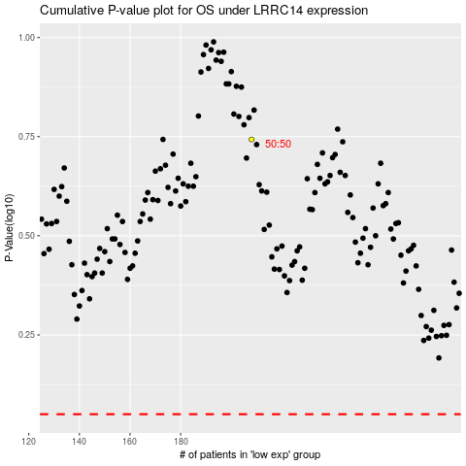

 |  |  |  |  |  | cases_OS | p_OS | rank | exp
 |  |  |  |  |  |  | cases_RFS | p_RFS | rank | exp

