LRRC15 _multivariate
Reported by Tex Li-Hsing Chi. tex@gate.sinica.edu.tw 2019-08-18

Table 2. The clinicopathological features of HNSCC cohort and LRRC15 expression. (Chi square test)
Cutoff at -0.288 (49.8%)
 |  | LRRC15 expression |  | LRRC15 expression |  | (Optimised)
 | Features | Low | (%) | High | (%) | Case no | P-value | Remark | Matthews
Gender | Female | 157 | 37.8 | 149 | 35.9 | 415 | 0.3881 | 0 | 0
2 | Male | 50 | 12 | 59 | 14.2
Age at diagnosis | <=65y | 153 | 36.9 | 121 | 29.2 | 415 | 0.001 | 1 | 0
4 | >65y | 54 | 13 | 87 | 21
Clinical T Status | T1+T2 | 78 | 18.8 | 71 | 17.1 | 415 | 0.5152 | 0 | 0
6 | T3+T4 | 129 | 31.1 | 137 | 33
Clinical N Status | N0 | 100 | 24.1 | 116 | 28 | 415 | 0.1548 | 0 | 0
8 | N1-3 | 107 | 25.8 | 92 | 22.2
Clinical M Status | M0 | 205 | 49.4 | 207 | 49.9 | 415 | 0.6232 | 0 | 0
10 | M1 | 2 | 0.5 | 1 | 0.2
Clinical Stage | Stage I+II | 48 | 11.6 | 54 | 13 | 415 | 0.5878 | 0 | 0
12 | Stage III+IV | 159 | 38.3 | 154 | 37.1
Surgical Margin status | Negative | 155 | 37.3 | 163 | 39.3 | 415 | 0.4187 | 0 | 0
14 | Positive | 52 | 12.5 | 45 | 10.8
Tobacco Exposure | Low | 86 | 20.7 | 75 | 18.1 | 415 | 0.2687 | 0 | 0
16 | High | 121 | 29.2 | 133 | 32

Table 3. Univariate/Multivariate Cox's proportional hazards regression analyses on OS time of LRRC15 gene expression in HNSCC

 |  | Univariate |  |  |  | Multivariate
 | Features | HR | CI95%(L) | CI95%(H) | P-value | HR | CI95%(L) | CI95%(H) | P-value
1 | Female | 1 |  |  |  | 1
Gender | Male | 1.157 | 0.843 | 1.587 | 0.367 | 1.2 | 0.859 | 1.676 | 0.285
11 | <=65y | 1 |  |  |  | 1
Age at diagnosis | >65y | 1.329 | 0.99 | 1.784 | 0.058 | 1.386 | 1.017 | 1.889 | 0.039
12 | T1+T2 | 1 |  |  |  | 1
Clinical T Status | T3+T4 | 1.409 | 1.028 | 1.931 | 0.033 | 2.19 | 1.156 | 4.15 | 0.016
13 | N0 | 1 |  |  |  | 1
Clinical N Status | N1-3 | 1.185 | 0.89 | 1.577 | 0.246 | 1.242 | 0.87 | 1.772 | 0.233
14 | M0 | 1 |  |  |  | 1
Clinical M Status | M1 | 4.097 | 1.009 | 16.644 | 0.049 | 9.44 | 2.059 | 43.283 | 0.004
15 | Stage I+II | 1 |  |  |  | 1
Clinical Stage | Stage III+IV | 1.245 | 0.882 | 1.759 | 0.213 | 0.507 | 0.236 | 1.091 | 0.082
16 | Negative | 1 |  |  |  | 1
Surgical Margin status | Positive | 1.591 | 1.155 | 2.191 | 0.004 | 1.674 | 1.211 | 2.314 | 0.002
17 | Low | 1 |  |  |  | 1
Tobacco Exposure | High | 1.364 | 1.008 | 1.844 | 0.044 | 1.449 | 1.051 | 1.998 | 0.024
18 | Low | 1 |  |  |  | 1
RNAseq(z-score) | High | 1.085 | 0.814 | 1.447 | 0.576 | 1.032 | 0.769 | 1.385 | 0.834

Table 4. Univariate/Multivariate Cox's proportional hazards regression analyses on RFS time of LRRC15 gene expression in HNSCC

 |  | Univariate |  |  |  | Multivariate
 | Features | HR | CI95%(L) | CI95%(H) | P-value | HR | CI95%(L) | CI95%(H) | P-value
1 | Female | 1 |  |  |  | 1
Gender | Male | 1.157 | 0.843 | 1.587 | 0.367 | 1.2 | 0.859 | 1.676 | 0.285
11 | <=65y | 1 |  |  |  | 1
Age at diagnosis | >65y | 1.329 | 0.99 | 1.784 | 0.058 | 1.386 | 1.017 | 1.889 | 0.039
12 | T1+T2 | 1 |  |  |  | 1
Clinical T Status | T3+T4 | 1.409 | 1.028 | 1.931 | 0.033 | 2.19 | 1.156 | 4.15 | 0.016
13 | N0 | 1 |  |  |  | 1
Clinical N Status | N1-3 | 1.185 | 0.89 | 1.577 | 0.246 | 1.242 | 0.87 | 1.772 | 0.233
14 | M0 | 1 |  |  |  | 1
Clinical M Status | M1 | 4.097 | 1.009 | 16.644 | 0.049 | 9.44 | 2.059 | 43.283 | 0.004
15 | Stage I+II | 1 |  |  |  | 1
Clinical Stage | Stage III+IV | 1.245 | 0.882 | 1.759 | 0.213 | 0.507 | 0.236 | 1.091 | 0.082
16 | Negative | 1 |  |  |  | 1
Surgical Margin status | Positive | 1.591 | 1.155 | 2.191 | 0.004 | 1.674 | 1.211 | 2.314 | 0.002
17 | Low | 1 |  |  |  | 1
Tobacco Exposure | High | 1.364 | 1.008 | 1.844 | 0.044 | 1.449 | 1.051 | 1.998 | 0.024
18 | Low | 1 |  |  |  | 1
RNAseq(z-score) | High | 1.085 | 0.814 | 1.447 | 0.576 | 1.032 | 0.769 | 1.385 | 0.834

Kaplan-Meier survival estimate: Cutoff at -0.288 (49.8%)



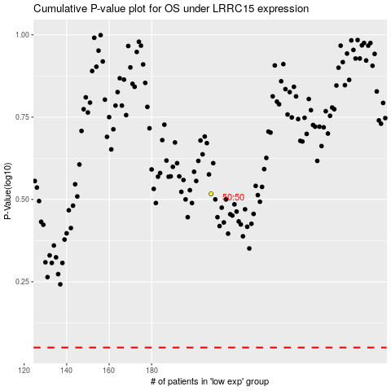

 |  |  |  |  |  | cases_OS | p_OS | rank | exp
 |  |  |  |  |  |  | cases_RFS | p_RFS | rank | exp

