LRRC17 _multivariate
Reported by Tex Li-Hsing Chi. tex@gate.sinica.edu.tw 2019-08-18

Table 2. The clinicopathological features of HNSCC cohort and LRRC17 expression. (Chi square test)
Cutoff at -0.335 (49.8%)
 |  | LRRC17 expression |  | LRRC17 expression |  | (Optimised)
 | Features | Low | (%) | High | (%) | Case no | P-value | Remark | Matthews
Gender | Female | 150 | 36.1 | 156 | 37.6 | 415 | 0.6344 | 0 | 0
2 | Male | 57 | 13.7 | 52 | 12.5
Age at diagnosis | <=65y | 141 | 34 | 133 | 32 | 415 | 0.4272 | 0 | 0
4 | >65y | 66 | 15.9 | 75 | 18.1
Clinical T Status | T1+T2 | 74 | 17.8 | 75 | 18.1 | 415 | 1 | 0 | 0
6 | T3+T4 | 133 | 32 | 133 | 32
Clinical N Status | N0 | 110 | 26.5 | 106 | 25.5 | 415 | 0.7294 | 0 | 0
8 | N1-3 | 97 | 23.4 | 102 | 24.6
Clinical M Status | M0 | 204 | 49.2 | 208 | 50.1 | 415 | 0.1232 | 0 | 0
10 | M1 | 3 | 0.7 | 0 | 0
Clinical Stage | Stage I+II | 47 | 11.3 | 55 | 13.3 | 415 | 0.4413 | 0 | 0
12 | Stage III+IV | 160 | 38.6 | 153 | 36.9
Surgical Margin status | Negative | 164 | 39.5 | 154 | 37.1 | 415 | 0.2462 | 0 | 0
14 | Positive | 43 | 10.4 | 54 | 13
Tobacco Exposure | Low | 86 | 20.7 | 75 | 18.1 | 415 | 0.2687 | 0 | 0
16 | High | 121 | 29.2 | 133 | 32

Table 3. Univariate/Multivariate Cox's proportional hazards regression analyses on OS time of LRRC17 gene expression in HNSCC

 |  | Univariate |  |  |  | Multivariate
 | Features | HR | CI95%(L) | CI95%(H) | P-value | HR | CI95%(L) | CI95%(H) | P-value
1 | Female | 1 |  |  |  | 1
Gender | Male | 1.157 | 0.843 | 1.587 | 0.367 | 1.202 | 0.86 | 1.681 | 0.282
11 | <=65y | 1 |  |  |  | 1
Age at diagnosis | >65y | 1.329 | 0.99 | 1.784 | 0.058 | 1.41 | 1.036 | 1.918 | 0.029
12 | T1+T2 | 1 |  |  |  | 1
Clinical T Status | T3+T4 | 1.409 | 1.028 | 1.931 | 0.033 | 2.27 | 1.198 | 4.301 | 0.012
13 | N0 | 1 |  |  |  | 1
Clinical N Status | N1-3 | 1.185 | 0.89 | 1.577 | 0.246 | 1.268 | 0.887 | 1.813 | 0.192
14 | M0 | 1 |  |  |  | 1
Clinical M Status | M1 | 4.097 | 1.009 | 16.644 | 0.049 | 8.811 | 1.915 | 40.529 | 0.005
15 | Stage I+II | 1 |  |  |  | 1
Clinical Stage | Stage III+IV | 1.245 | 0.882 | 1.759 | 0.213 | 0.477 | 0.221 | 1.028 | 0.059
16 | Negative | 1 |  |  |  | 1
Surgical Margin status | Positive | 1.591 | 1.155 | 2.191 | 0.004 | 1.704 | 1.231 | 2.358 | 0.001
17 | Low | 1 |  |  |  | 1
Tobacco Exposure | High | 1.364 | 1.008 | 1.844 | 0.044 | 1.483 | 1.073 | 2.048 | 0.017
18 | Low | 1 |  |  |  | 1
RNAseq(z-score) | High | 0.898 | 0.673 | 1.198 | 0.464 | 0.83 | 0.618 | 1.114 | 0.215

Table 4. Univariate/Multivariate Cox's proportional hazards regression analyses on RFS time of LRRC17 gene expression in HNSCC

 |  | Univariate |  |  |  | Multivariate
 | Features | HR | CI95%(L) | CI95%(H) | P-value | HR | CI95%(L) | CI95%(H) | P-value
1 | Female | 1 |  |  |  | 1
Gender | Male | 1.157 | 0.843 | 1.587 | 0.367 | 1.202 | 0.86 | 1.681 | 0.282
11 | <=65y | 1 |  |  |  | 1
Age at diagnosis | >65y | 1.329 | 0.99 | 1.784 | 0.058 | 1.41 | 1.036 | 1.918 | 0.029
12 | T1+T2 | 1 |  |  |  | 1
Clinical T Status | T3+T4 | 1.409 | 1.028 | 1.931 | 0.033 | 2.27 | 1.198 | 4.301 | 0.012
13 | N0 | 1 |  |  |  | 1
Clinical N Status | N1-3 | 1.185 | 0.89 | 1.577 | 0.246 | 1.268 | 0.887 | 1.813 | 0.192
14 | M0 | 1 |  |  |  | 1
Clinical M Status | M1 | 4.097 | 1.009 | 16.644 | 0.049 | 8.811 | 1.915 | 40.529 | 0.005
15 | Stage I+II | 1 |  |  |  | 1
Clinical Stage | Stage III+IV | 1.245 | 0.882 | 1.759 | 0.213 | 0.477 | 0.221 | 1.028 | 0.059
16 | Negative | 1 |  |  |  | 1
Surgical Margin status | Positive | 1.591 | 1.155 | 2.191 | 0.004 | 1.704 | 1.231 | 2.358 | 0.001
17 | Low | 1 |  |  |  | 1
Tobacco Exposure | High | 1.364 | 1.008 | 1.844 | 0.044 | 1.483 | 1.073 | 2.048 | 0.017
18 | Low | 1 |  |  |  | 1
RNAseq(z-score) | High | 0.898 | 0.673 | 1.198 | 0.464 | 0.83 | 0.618 | 1.114 | 0.215

Kaplan-Meier survival estimate: Cutoff at -0.335 (49.8%)



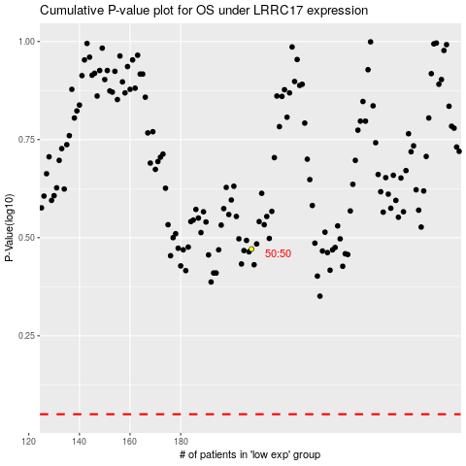

 |  |  |  |  |  | cases_OS | p_OS | rank | exp
 |  |  |  |  |  |  | cases_RFS | p_RFS | rank | exp

