LRRC2 _multivariate
Reported by Tex Li-Hsing Chi. tex@gate.sinica.edu.tw 2019-08-18

Table 2. The clinicopathological features of HNSCC cohort and LRRC2 expression. (Chi square test)
Cutoff at -0.212 (50.0%)
 |  | LRRC2 expression |  | LRRC2 expression |  | (Optimised)
 | Features | Low | (%) | High | (%) | Case no | P-value | Remark | Matthews
Gender | Female | 155 | 37.3 | 151 | 36.4 | 415 | 0.6768 | 0 | 0
2 | Male | 52 | 12.5 | 57 | 13.7
Age at diagnosis | <=65y | 123 | 29.6 | 151 | 36.4 | 415 | 0.0063 | 1 | 0
4 | >65y | 84 | 20.2 | 57 | 13.7
Clinical T Status | T1+T2 | 60 | 14.5 | 89 | 21.4 | 415 | 0.0047 | 1 | 0
6 | T3+T4 | 147 | 35.4 | 119 | 28.7
Clinical N Status | N0 | 115 | 27.7 | 101 | 24.3 | 415 | 0.184 | 1 | 0
8 | N1-3 | 92 | 22.2 | 107 | 25.8
Clinical M Status | M0 | 204 | 49.2 | 208 | 50.1 | 415 | 0.1232 | 0 | 0
10 | M1 | 3 | 0.7 | 0 | 0
Clinical Stage | Stage I+II | 39 | 9.4 | 63 | 15.2 | 415 | 0.0095 | 1 | 0
12 | Stage III+IV | 168 | 40.5 | 145 | 34.9
Surgical Margin status | Negative | 150 | 36.1 | 168 | 40.5 | 415 | 0.0492 | 1 | 0
14 | Positive | 57 | 13.7 | 40 | 9.6
Tobacco Exposure | Low | 85 | 20.5 | 76 | 18.3 | 415 | 0.3655 | 0 | 0
16 | High | 122 | 29.4 | 132 | 31.8

Table 3. Univariate/Multivariate Cox's proportional hazards regression analyses on OS time of LRRC2 gene expression in HNSCC

 |  | Univariate |  |  |  | Multivariate
 | Features | HR | CI95%(L) | CI95%(H) | P-value | HR | CI95%(L) | CI95%(H) | P-value
1 | Female | 1 |  |  |  | 1
Gender | Male | 1.157 | 0.843 | 1.587 | 0.367 | 1.191 | 0.853 | 1.663 | 0.305
11 | <=65y | 1 |  |  |  | 1
Age at diagnosis | >65y | 1.329 | 0.99 | 1.784 | 0.058 | 1.428 | 1.046 | 1.949 | 0.025
12 | T1+T2 | 1 |  |  |  | 1
Clinical T Status | T3+T4 | 1.409 | 1.028 | 1.931 | 0.033 | 2.197 | 1.162 | 4.156 | 0.015
13 | N0 | 1 |  |  |  | 1
Clinical N Status | N1-3 | 1.185 | 0.89 | 1.577 | 0.246 | 1.214 | 0.849 | 1.737 | 0.288
14 | M0 | 1 |  |  |  | 1
Clinical M Status | M1 | 4.097 | 1.009 | 16.644 | 0.049 | 10.19 | 2.204 | 47.111 | 0.003
15 | Stage I+II | 1 |  |  |  | 1
Clinical Stage | Stage III+IV | 1.245 | 0.882 | 1.759 | 0.213 | 0.522 | 0.242 | 1.124 | 0.097
16 | Negative | 1 |  |  |  | 1
Surgical Margin status | Positive | 1.591 | 1.155 | 2.191 | 0.004 | 1.692 | 1.224 | 2.34 | 0.001
17 | Low | 1 |  |  |  | 1
Tobacco Exposure | High | 1.364 | 1.008 | 1.844 | 0.044 | 1.435 | 1.042 | 1.977 | 0.027
18 | Low | 1 |  |  |  | 1
RNAseq(z-score) | High | 1.068 | 0.802 | 1.424 | 0.652 | 1.165 | 0.863 | 1.572 | 0.319

Table 4. Univariate/Multivariate Cox's proportional hazards regression analyses on RFS time of LRRC2 gene expression in HNSCC

 |  | Univariate |  |  |  | Multivariate
 | Features | HR | CI95%(L) | CI95%(H) | P-value | HR | CI95%(L) | CI95%(H) | P-value
1 | Female | 1 |  |  |  | 1
Gender | Male | 1.157 | 0.843 | 1.587 | 0.367 | 1.191 | 0.853 | 1.663 | 0.305
11 | <=65y | 1 |  |  |  | 1
Age at diagnosis | >65y | 1.329 | 0.99 | 1.784 | 0.058 | 1.428 | 1.046 | 1.949 | 0.025
12 | T1+T2 | 1 |  |  |  | 1
Clinical T Status | T3+T4 | 1.409 | 1.028 | 1.931 | 0.033 | 2.197 | 1.162 | 4.156 | 0.015
13 | N0 | 1 |  |  |  | 1
Clinical N Status | N1-3 | 1.185 | 0.89 | 1.577 | 0.246 | 1.214 | 0.849 | 1.737 | 0.288
14 | M0 | 1 |  |  |  | 1
Clinical M Status | M1 | 4.097 | 1.009 | 16.644 | 0.049 | 10.19 | 2.204 | 47.111 | 0.003
15 | Stage I+II | 1 |  |  |  | 1
Clinical Stage | Stage III+IV | 1.245 | 0.882 | 1.759 | 0.213 | 0.522 | 0.242 | 1.124 | 0.097
16 | Negative | 1 |  |  |  | 1
Surgical Margin status | Positive | 1.591 | 1.155 | 2.191 | 0.004 | 1.692 | 1.224 | 2.34 | 0.001
17 | Low | 1 |  |  |  | 1
Tobacco Exposure | High | 1.364 | 1.008 | 1.844 | 0.044 | 1.435 | 1.042 | 1.977 | 0.027
18 | Low | 1 |  |  |  | 1
RNAseq(z-score) | High | 1.068 | 0.802 | 1.424 | 0.652 | 1.165 | 0.863 | 1.572 | 0.319

Kaplan-Meier survival estimate: Cutoff at -0.212 (50.0%)



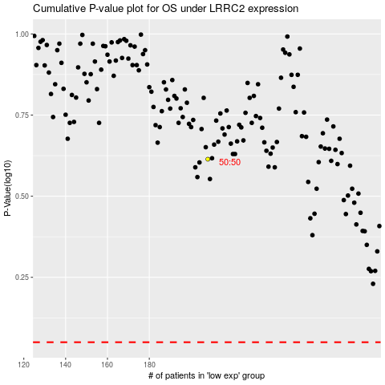

 |  |  |  |  |  | cases_OS | p_OS | rank | exp
 |  |  |  |  |  |  | cases_RFS | p_RFS | rank | exp

