LRRC25 _multivariate
Reported by Tex Li-Hsing Chi. tex@gate.sinica.edu.tw 2019-08-18

Table 2. The clinicopathological features of HNSCC cohort and LRRC25 expression. (Chi square test)
Cutoff at -0.287 (49.8%)
 |  | LRRC25 expression |  | LRRC25 expression |  | (Optimised)
 | Features | Low | (%) | High | (%) | Case no | P-value | Remark | Matthews
Gender | Female | 162 | 39 | 144 | 34.7 | 415 | 0.0479 | 1 | 0
2 | Male | 45 | 10.8 | 64 | 15.4
Age at diagnosis | <=65y | 143 | 34.5 | 131 | 31.6 | 415 | 0.2269 | 0 | 0
4 | >65y | 64 | 15.4 | 77 | 18.6
Clinical T Status | T1+T2 | 73 | 17.6 | 76 | 18.3 | 415 | 0.8666 | 0 | 0
6 | T3+T4 | 134 | 32.3 | 132 | 31.8
Clinical N Status | N0 | 120 | 28.9 | 96 | 23.1 | 415 | 0.0208 | 1 | 0
8 | N1-3 | 87 | 21 | 112 | 27
Clinical M Status | M0 | 206 | 49.6 | 206 | 49.6 | 415 | 1 | 0 | 0
10 | M1 | 1 | 0.2 | 2 | 0.5
Clinical Stage | Stage I+II | 51 | 12.3 | 51 | 12.3 | 415 | 1 | 0 | 0
12 | Stage III+IV | 156 | 37.6 | 157 | 37.8
Surgical Margin status | Negative | 153 | 36.9 | 165 | 39.8 | 415 | 0.2036 | 0 | 0
14 | Positive | 54 | 13 | 43 | 10.4
Tobacco Exposure | Low | 75 | 18.1 | 86 | 20.7 | 415 | 0.3141 | 0 | 0
16 | High | 132 | 31.8 | 122 | 29.4

Table 3. Univariate/Multivariate Cox's proportional hazards regression analyses on OS time of LRRC25 gene expression in HNSCC

 |  | Univariate |  |  |  | Multivariate
 | Features | HR | CI95%(L) | CI95%(H) | P-value | HR | CI95%(L) | CI95%(H) | P-value
1 | Female | 1 |  |  |  | 1
Gender | Male | 1.157 | 0.843 | 1.587 | 0.367 | 1.201 | 0.86 | 1.678 | 0.282
11 | <=65y | 1 |  |  |  | 1
Age at diagnosis | >65y | 1.329 | 0.99 | 1.784 | 0.058 | 1.391 | 1.023 | 1.891 | 0.035
12 | T1+T2 | 1 |  |  |  | 1
Clinical T Status | T3+T4 | 1.409 | 1.028 | 1.931 | 0.033 | 2.2 | 1.163 | 4.162 | 0.015
13 | N0 | 1 |  |  |  | 1
Clinical N Status | N1-3 | 1.185 | 0.89 | 1.577 | 0.246 | 1.237 | 0.863 | 1.774 | 0.247
14 | M0 | 1 |  |  |  | 1
Clinical M Status | M1 | 4.097 | 1.009 | 16.644 | 0.049 | 9.368 | 2.039 | 43.046 | 0.004
15 | Stage I+II | 1 |  |  |  | 1
Clinical Stage | Stage III+IV | 1.245 | 0.882 | 1.759 | 0.213 | 0.506 | 0.235 | 1.088 | 0.081
16 | Negative | 1 |  |  |  | 1
Surgical Margin status | Positive | 1.591 | 1.155 | 2.191 | 0.004 | 1.672 | 1.21 | 2.31 | 0.002
17 | Low | 1 |  |  |  | 1
Tobacco Exposure | High | 1.364 | 1.008 | 1.844 | 0.044 | 1.454 | 1.055 | 2.004 | 0.022
18 | Low | 1 |  |  |  | 1
RNAseq(z-score) | High | 1.057 | 0.793 | 1.408 | 0.708 | 1.014 | 0.757 | 1.359 | 0.925

Table 4. Univariate/Multivariate Cox's proportional hazards regression analyses on RFS time of LRRC25 gene expression in HNSCC

 |  | Univariate |  |  |  | Multivariate
 | Features | HR | CI95%(L) | CI95%(H) | P-value | HR | CI95%(L) | CI95%(H) | P-value
1 | Female | 1 |  |  |  | 1
Gender | Male | 1.157 | 0.843 | 1.587 | 0.367 | 1.201 | 0.86 | 1.678 | 0.282
11 | <=65y | 1 |  |  |  | 1
Age at diagnosis | >65y | 1.329 | 0.99 | 1.784 | 0.058 | 1.391 | 1.023 | 1.891 | 0.035
12 | T1+T2 | 1 |  |  |  | 1
Clinical T Status | T3+T4 | 1.409 | 1.028 | 1.931 | 0.033 | 2.2 | 1.163 | 4.162 | 0.015
13 | N0 | 1 |  |  |  | 1
Clinical N Status | N1-3 | 1.185 | 0.89 | 1.577 | 0.246 | 1.237 | 0.863 | 1.774 | 0.247
14 | M0 | 1 |  |  |  | 1
Clinical M Status | M1 | 4.097 | 1.009 | 16.644 | 0.049 | 9.368 | 2.039 | 43.046 | 0.004
15 | Stage I+II | 1 |  |  |  | 1
Clinical Stage | Stage III+IV | 1.245 | 0.882 | 1.759 | 0.213 | 0.506 | 0.235 | 1.088 | 0.081
16 | Negative | 1 |  |  |  | 1
Surgical Margin status | Positive | 1.591 | 1.155 | 2.191 | 0.004 | 1.672 | 1.21 | 2.31 | 0.002
17 | Low | 1 |  |  |  | 1
Tobacco Exposure | High | 1.364 | 1.008 | 1.844 | 0.044 | 1.454 | 1.055 | 2.004 | 0.022
18 | Low | 1 |  |  |  | 1
RNAseq(z-score) | High | 1.057 | 0.793 | 1.408 | 0.708 | 1.014 | 0.757 | 1.359 | 0.925

Kaplan-Meier survival estimate: Cutoff at -0.287 (49.8%)

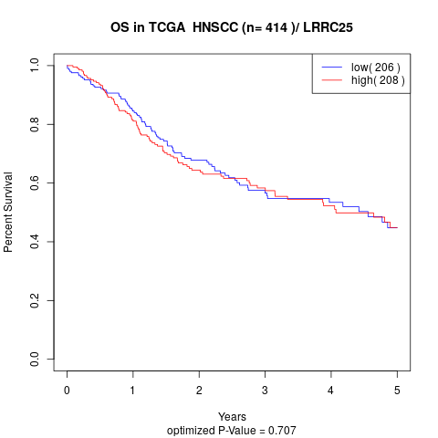

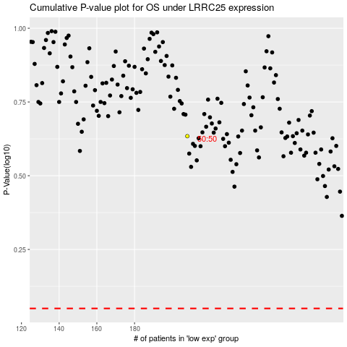

 |  |  |  |  |  | cases_OS | p_OS | rank | exp
 |  |  |  |  |  |  | cases_RFS | p_RFS | rank | exp

