LRRC28 _multivariate
Reported by Tex Li-Hsing Chi. tex@gate.sinica.edu.tw 2019-08-18

Table 2. The clinicopathological features of HNSCC cohort and LRRC28 expression. (Chi square test)
Cutoff at -0.201 (49.8%)
 |  | LRRC28 expression |  | LRRC28 expression |  | (Optimised)
 | Features | Low | (%) | High | (%) | Case no | P-value | Remark | Matthews
Gender | Female | 151 | 36.4 | 155 | 37.3 | 415 | 0.8007 | 0 | 0
2 | Male | 56 | 13.5 | 53 | 12.8
Age at diagnosis | <=65y | 134 | 32.3 | 140 | 33.7 | 415 | 0.6529 | 0 | 0
4 | >65y | 73 | 17.6 | 68 | 16.4
Clinical T Status | T1+T2 | 71 | 17.1 | 78 | 18.8 | 415 | 0.5638 | 0 | 0
6 | T3+T4 | 136 | 32.8 | 130 | 31.3
Clinical N Status | N0 | 100 | 24.1 | 116 | 28 | 415 | 0.1548 | 0 | 0
8 | N1-3 | 107 | 25.8 | 92 | 22.2
Clinical M Status | M0 | 206 | 49.6 | 206 | 49.6 | 415 | 1 | 0 | 0
10 | M1 | 1 | 0.2 | 2 | 0.5
Clinical Stage | Stage I+II | 50 | 12 | 52 | 12.5 | 415 | 0.9315 | 0 | 0
12 | Stage III+IV | 157 | 37.8 | 156 | 37.6
Surgical Margin status | Negative | 161 | 38.8 | 157 | 37.8 | 415 | 0.6429 | 0 | 0
14 | Positive | 46 | 11.1 | 51 | 12.3
Tobacco Exposure | Low | 78 | 18.8 | 83 | 20 | 415 | 0.6873 | 0 | 0
16 | High | 129 | 31.1 | 125 | 30.1

Table 3. Univariate/Multivariate Cox's proportional hazards regression analyses on OS time of LRRC28 gene expression in HNSCC

 |  | Univariate |  |  |  | Multivariate
 | Features | HR | CI95%(L) | CI95%(H) | P-value | HR | CI95%(L) | CI95%(H) | P-value
1 | Female | 1 |  |  |  | 1
Gender | Male | 1.157 | 0.843 | 1.587 | 0.367 | 1.196 | 0.856 | 1.672 | 0.294
11 | <=65y | 1 |  |  |  | 1
Age at diagnosis | >65y | 1.329 | 0.99 | 1.784 | 0.058 | 1.405 | 1.032 | 1.912 | 0.031
12 | T1+T2 | 1 |  |  |  | 1
Clinical T Status | T3+T4 | 1.409 | 1.028 | 1.931 | 0.033 | 2.218 | 1.173 | 4.194 | 0.014
13 | N0 | 1 |  |  |  | 1
Clinical N Status | N1-3 | 1.185 | 0.89 | 1.577 | 0.246 | 1.259 | 0.88 | 1.801 | 0.207
14 | M0 | 1 |  |  |  | 1
Clinical M Status | M1 | 4.097 | 1.009 | 16.644 | 0.049 | 9.155 | 1.992 | 42.063 | 0.004
15 | Stage I+II | 1 |  |  |  | 1
Clinical Stage | Stage III+IV | 1.245 | 0.882 | 1.759 | 0.213 | 0.498 | 0.232 | 1.069 | 0.074
16 | Negative | 1 |  |  |  | 1
Surgical Margin status | Positive | 1.591 | 1.155 | 2.191 | 0.004 | 1.664 | 1.204 | 2.3 | 0.002
17 | Low | 1 |  |  |  | 1
Tobacco Exposure | High | 1.364 | 1.008 | 1.844 | 0.044 | 1.469 | 1.064 | 2.029 | 0.019
18 | Low | 1 |  |  |  | 1
RNAseq(z-score) | High | 1.058 | 0.795 | 1.409 | 0.699 | 1.103 | 0.824 | 1.477 | 0.51

Table 4. Univariate/Multivariate Cox's proportional hazards regression analyses on RFS time of LRRC28 gene expression in HNSCC

 |  | Univariate |  |  |  | Multivariate
 | Features | HR | CI95%(L) | CI95%(H) | P-value | HR | CI95%(L) | CI95%(H) | P-value
1 | Female | 1 |  |  |  | 1
Gender | Male | 1.157 | 0.843 | 1.587 | 0.367 | 1.196 | 0.856 | 1.672 | 0.294
11 | <=65y | 1 |  |  |  | 1
Age at diagnosis | >65y | 1.329 | 0.99 | 1.784 | 0.058 | 1.405 | 1.032 | 1.912 | 0.031
12 | T1+T2 | 1 |  |  |  | 1
Clinical T Status | T3+T4 | 1.409 | 1.028 | 1.931 | 0.033 | 2.218 | 1.173 | 4.194 | 0.014
13 | N0 | 1 |  |  |  | 1
Clinical N Status | N1-3 | 1.185 | 0.89 | 1.577 | 0.246 | 1.259 | 0.88 | 1.801 | 0.207
14 | M0 | 1 |  |  |  | 1
Clinical M Status | M1 | 4.097 | 1.009 | 16.644 | 0.049 | 9.155 | 1.992 | 42.063 | 0.004
15 | Stage I+II | 1 |  |  |  | 1
Clinical Stage | Stage III+IV | 1.245 | 0.882 | 1.759 | 0.213 | 0.498 | 0.232 | 1.069 | 0.074
16 | Negative | 1 |  |  |  | 1
Surgical Margin status | Positive | 1.591 | 1.155 | 2.191 | 0.004 | 1.664 | 1.204 | 2.3 | 0.002
17 | Low | 1 |  |  |  | 1
Tobacco Exposure | High | 1.364 | 1.008 | 1.844 | 0.044 | 1.469 | 1.064 | 2.029 | 0.019
18 | Low | 1 |  |  |  | 1
RNAseq(z-score) | High | 1.058 | 0.795 | 1.409 | 0.699 | 1.103 | 0.824 | 1.477 | 0.51

Kaplan-Meier survival estimate: Cutoff at -0.201 (49.8%)



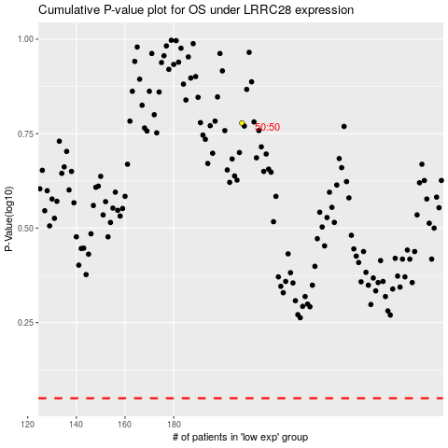

 |  |  |  |  |  | cases_OS | p_OS | rank | exp
 |  |  |  |  |  |  | cases_RFS | p_RFS | rank | exp

