LRRC32 _multivariate
Reported by Tex Li-Hsing Chi. tex@gate.sinica.edu.tw 2019-08-18

Table 2. The clinicopathological features of HNSCC cohort and LRRC32 expression. (Chi square test)
Cutoff at -0.258 (49.8%)
 |  | LRRC32 expression |  | LRRC32 expression |  | (Optimised)
 | Features | Low | (%) | High | (%) | Case no | P-value | Remark | Matthews
Gender | Female | 154 | 37.1 | 152 | 36.6 | 415 | 0.8463 | 0 | 0
2 | Male | 53 | 12.8 | 56 | 13.5
Age at diagnosis | <=65y | 140 | 33.7 | 134 | 32.3 | 415 | 0.5574 | 0 | 0
4 | >65y | 67 | 16.1 | 74 | 17.8
Clinical T Status | T1+T2 | 76 | 18.3 | 73 | 17.6 | 415 | 0.8092 | 0 | 0
6 | T3+T4 | 131 | 31.6 | 135 | 32.5
Clinical N Status | N0 | 104 | 25.1 | 112 | 27 | 415 | 0.5243 | 0 | 0
8 | N1-3 | 103 | 24.8 | 96 | 23.1
Clinical M Status | M0 | 204 | 49.2 | 208 | 50.1 | 415 | 0.1232 | 0 | 0
10 | M1 | 3 | 0.7 | 0 | 0
Clinical Stage | Stage I+II | 45 | 10.8 | 57 | 13.7 | 415 | 0.2202 | 0 | 0
12 | Stage III+IV | 162 | 39 | 151 | 36.4
Surgical Margin status | Negative | 150 | 36.1 | 168 | 40.5 | 415 | 0.0492 | 1 | 0
14 | Positive | 57 | 13.7 | 40 | 9.6
Tobacco Exposure | Low | 81 | 19.5 | 80 | 19.3 | 415 | 0.9199 | 0 | 0
16 | High | 126 | 30.4 | 128 | 30.8

Table 3. Univariate/Multivariate Cox's proportional hazards regression analyses on OS time of LRRC32 gene expression in HNSCC

 |  | Univariate |  |  |  | Multivariate
 | Features | HR | CI95%(L) | CI95%(H) | P-value | HR | CI95%(L) | CI95%(H) | P-value
1 | Female | 1 |  |  |  | 1
Gender | Male | 1.157 | 0.843 | 1.587 | 0.367 | 1.2 | 0.859 | 1.678 | 0.285
11 | <=65y | 1 |  |  |  | 1
Age at diagnosis | >65y | 1.329 | 0.99 | 1.784 | 0.058 | 1.39 | 1.023 | 1.89 | 0.035
12 | T1+T2 | 1 |  |  |  | 1
Clinical T Status | T3+T4 | 1.409 | 1.028 | 1.931 | 0.033 | 2.212 | 1.168 | 4.191 | 0.015
13 | N0 | 1 |  |  |  | 1
Clinical N Status | N1-3 | 1.185 | 0.89 | 1.577 | 0.246 | 1.242 | 0.87 | 1.772 | 0.232
14 | M0 | 1 |  |  |  | 1
Clinical M Status | M1 | 4.097 | 1.009 | 16.644 | 0.049 | 9.323 | 2.027 | 42.882 | 0.004
15 | Stage I+II | 1 |  |  |  | 1
Clinical Stage | Stage III+IV | 1.245 | 0.882 | 1.759 | 0.213 | 0.501 | 0.232 | 1.08 | 0.078
16 | Negative | 1 |  |  |  | 1
Surgical Margin status | Positive | 1.591 | 1.155 | 2.191 | 0.004 | 1.669 | 1.207 | 2.307 | 0.002
17 | Low | 1 |  |  |  | 1
Tobacco Exposure | High | 1.364 | 1.008 | 1.844 | 0.044 | 1.455 | 1.055 | 2.005 | 0.022
18 | Low | 1 |  |  |  | 1
RNAseq(z-score) | High | 0.956 | 0.717 | 1.273 | 0.757 | 0.975 | 0.728 | 1.306 | 0.865

Table 4. Univariate/Multivariate Cox's proportional hazards regression analyses on RFS time of LRRC32 gene expression in HNSCC

 |  | Univariate |  |  |  | Multivariate
 | Features | HR | CI95%(L) | CI95%(H) | P-value | HR | CI95%(L) | CI95%(H) | P-value
1 | Female | 1 |  |  |  | 1
Gender | Male | 1.157 | 0.843 | 1.587 | 0.367 | 1.2 | 0.859 | 1.678 | 0.285
11 | <=65y | 1 |  |  |  | 1
Age at diagnosis | >65y | 1.329 | 0.99 | 1.784 | 0.058 | 1.39 | 1.023 | 1.89 | 0.035
12 | T1+T2 | 1 |  |  |  | 1
Clinical T Status | T3+T4 | 1.409 | 1.028 | 1.931 | 0.033 | 2.212 | 1.168 | 4.191 | 0.015
13 | N0 | 1 |  |  |  | 1
Clinical N Status | N1-3 | 1.185 | 0.89 | 1.577 | 0.246 | 1.242 | 0.87 | 1.772 | 0.232
14 | M0 | 1 |  |  |  | 1
Clinical M Status | M1 | 4.097 | 1.009 | 16.644 | 0.049 | 9.323 | 2.027 | 42.882 | 0.004
15 | Stage I+II | 1 |  |  |  | 1
Clinical Stage | Stage III+IV | 1.245 | 0.882 | 1.759 | 0.213 | 0.501 | 0.232 | 1.08 | 0.078
16 | Negative | 1 |  |  |  | 1
Surgical Margin status | Positive | 1.591 | 1.155 | 2.191 | 0.004 | 1.669 | 1.207 | 2.307 | 0.002
17 | Low | 1 |  |  |  | 1
Tobacco Exposure | High | 1.364 | 1.008 | 1.844 | 0.044 | 1.455 | 1.055 | 2.005 | 0.022
18 | Low | 1 |  |  |  | 1
RNAseq(z-score) | High | 0.956 | 0.717 | 1.273 | 0.757 | 0.975 | 0.728 | 1.306 | 0.865

Kaplan-Meier survival estimate: Cutoff at -0.258 (49.8%)

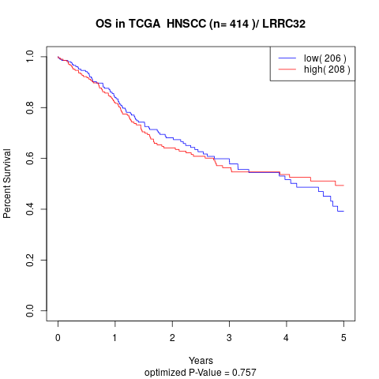

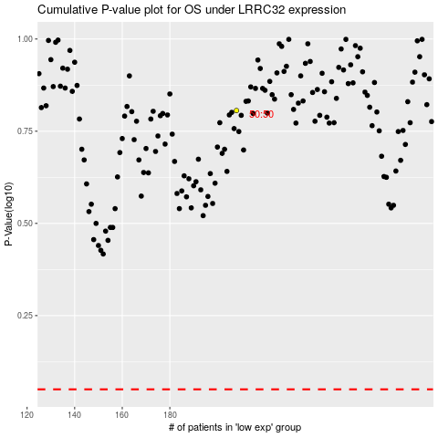

 |  |  |  |  |  | cases_OS | p_OS | rank | exp
 |  |  |  |  |  |  | cases_RFS | p_RFS | rank | exp

