LRRC36 _multivariate
Reported by Tex Li-Hsing Chi. tex@gate.sinica.edu.tw 2019-08-18

Table 2. The clinicopathological features of HNSCC cohort and LRRC36 expression. (Chi square test)
Cutoff at -0.038 (68.8%)
 |  | LRRC36 expression |  | LRRC36 expression |  | (Optimised)
 | Features | Low | (%) | High | (%) | Case no | P-value | Remark | Matthews
Gender | Female | 200 | 48.2 | 106 | 25.5 | 415 | 0.0204 | 1 | 0
2 | Male | 85 | 20.5 | 24 | 5.8
Age at diagnosis | <=65y | 184 | 44.3 | 90 | 21.7 | 415 | 0.4123 | 0 | 0
4 | >65y | 101 | 24.3 | 40 | 9.6
Clinical T Status | T1+T2 | 106 | 25.5 | 43 | 10.4 | 415 | 0.4837 | 0 | 0
6 | T3+T4 | 179 | 43.1 | 87 | 21
Clinical N Status | N0 | 156 | 37.6 | 60 | 14.5 | 415 | 0.1292 | 0 | 0
8 | N1-3 | 129 | 31.1 | 70 | 16.9
Clinical M Status | M0 | 283 | 68.2 | 129 | 31.1 | 415 | 1 | 0 | 0
10 | M1 | 2 | 0.5 | 1 | 0.2
Clinical Stage | Stage I+II | 77 | 18.6 | 25 | 6 | 415 | 0.1128 | 0 | 0
12 | Stage III+IV | 208 | 50.1 | 105 | 25.3
Surgical Margin status | Negative | 220 | 53 | 98 | 23.6 | 415 | 0.7084 | 0 | 0
14 | Positive | 65 | 15.7 | 32 | 7.7
Tobacco Exposure | Low | 115 | 27.7 | 46 | 11.1 | 415 | 0.3851 | 0 | 0
16 | High | 170 | 41 | 84 | 20.2

Table 3. Univariate/Multivariate Cox's proportional hazards regression analyses on OS time of LRRC36 gene expression in HNSCC

 |  | Univariate |  |  |  | Multivariate
 | Features | HR | CI95%(L) | CI95%(H) | P-value | HR | CI95%(L) | CI95%(H) | P-value
1 | Female | 1 |  |  |  | 1
Gender | Male | 1.157 | 0.843 | 1.587 | 0.367 | 1.153 | 0.823 | 1.615 | 0.409
11 | <=65y | 1 |  |  |  | 1
Age at diagnosis | >65y | 1.329 | 0.99 | 1.784 | 0.058 | 1.411 | 1.038 | 1.92 | 0.028
12 | T1+T2 | 1 |  |  |  | 1
Clinical T Status | T3+T4 | 1.409 | 1.028 | 1.931 | 0.033 | 2.177 | 1.15 | 4.121 | 0.017
13 | N0 | 1 |  |  |  | 1
Clinical N Status | N1-3 | 1.185 | 0.89 | 1.577 | 0.246 | 1.241 | 0.869 | 1.772 | 0.234
14 | M0 | 1 |  |  |  | 1
Clinical M Status | M1 | 4.097 | 1.009 | 16.644 | 0.049 | 9.382 | 2.047 | 43.008 | 0.004
15 | Stage I+II | 1 |  |  |  | 1
Clinical Stage | Stage III+IV | 1.245 | 0.882 | 1.759 | 0.213 | 0.522 | 0.243 | 1.123 | 0.096
16 | Negative | 1 |  |  |  | 1
Surgical Margin status | Positive | 1.591 | 1.155 | 2.191 | 0.004 | 1.701 | 1.23 | 2.353 | 0.001
17 | Low | 1 |  |  |  | 1
Tobacco Exposure | High | 1.364 | 1.008 | 1.844 | 0.044 | 1.468 | 1.064 | 2.025 | 0.02
18 | Low | 1 |  |  |  | 1
RNAseq(z-score) | High | 0.712 | 0.514 | 0.986 | 0.041 | 0.696 | 0.5 | 0.968 | 0.031

Table 4. Univariate/Multivariate Cox's proportional hazards regression analyses on RFS time of LRRC36 gene expression in HNSCC

 |  | Univariate |  |  |  | Multivariate
 | Features | HR | CI95%(L) | CI95%(H) | P-value | HR | CI95%(L) | CI95%(H) | P-value
1 | Female | 1 |  |  |  | 1
Gender | Male | 1.157 | 0.843 | 1.587 | 0.367 | 1.153 | 0.823 | 1.615 | 0.409
11 | <=65y | 1 |  |  |  | 1
Age at diagnosis | >65y | 1.329 | 0.99 | 1.784 | 0.058 | 1.411 | 1.038 | 1.92 | 0.028
12 | T1+T2 | 1 |  |  |  | 1
Clinical T Status | T3+T4 | 1.409 | 1.028 | 1.931 | 0.033 | 2.177 | 1.15 | 4.121 | 0.017
13 | N0 | 1 |  |  |  | 1
Clinical N Status | N1-3 | 1.185 | 0.89 | 1.577 | 0.246 | 1.241 | 0.869 | 1.772 | 0.234
14 | M0 | 1 |  |  |  | 1
Clinical M Status | M1 | 4.097 | 1.009 | 16.644 | 0.049 | 9.382 | 2.047 | 43.008 | 0.004
15 | Stage I+II | 1 |  |  |  | 1
Clinical Stage | Stage III+IV | 1.245 | 0.882 | 1.759 | 0.213 | 0.522 | 0.243 | 1.123 | 0.096
16 | Negative | 1 |  |  |  | 1
Surgical Margin status | Positive | 1.591 | 1.155 | 2.191 | 0.004 | 1.701 | 1.23 | 2.353 | 0.001
17 | Low | 1 |  |  |  | 1
Tobacco Exposure | High | 1.364 | 1.008 | 1.844 | 0.044 | 1.468 | 1.064 | 2.025 | 0.02
18 | Low | 1 |  |  |  | 1
RNAseq(z-score) | High | 0.712 | 0.514 | 0.986 | 0.041 | 0.696 | 0.5 | 0.968 | 0.031

Kaplan-Meier survival estimate: Cutoff at -0.038 (68.8%)

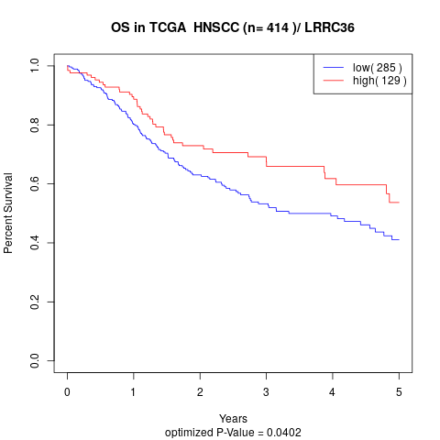

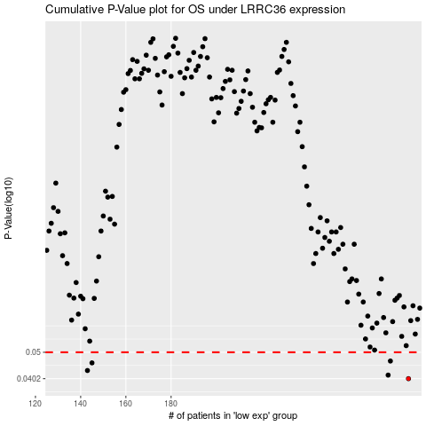

 |  |  |  |  |  | cases_OS | p_OS | rank | exp
 |  |  |  |  |  | 285 | 0.0402 | 205 | -0.037769543045
 |  |  |  |  |  | 276 | 0.0414 | 360 | -0.075473208722
 |  |  |  |  |  | 143 | 0.043 | 149 | -0.37754741515
 |  |  |  |  |  | 145 | 0.0458 | 270 | -0.37437763795
 |  |  |  |  |  | 277 | 0.0465 | 272 | -0.069328289759
 |  |  |  |  |  |  | cases_RFS | p_RFS | rank | exp
 |  |  |  |  |  |  | 284 | 0.0402 | 125 | -0.045443740484
 |  |  |  |  |  |  | 275 | 0.0414 | 198 | -0.075918089733
 |  |  |  |  |  |  | 142 | 0.043 | 217 | -0.37918791388
 |  |  |  |  |  |  | 144 | 0.0458 | 209 | -0.3763796025
 |  |  |  |  |  |  | 276 | 0.0465 | 360 | -0.075473208722

