LRRC37A _multivariate
Reported by Tex Li-Hsing Chi. tex@gate.sinica.edu.tw 2019-08-18

Table 2. The clinicopathological features of HNSCC cohort and LRRC37A expression. (Chi square test)
Cutoff at -0.246 (49.8%)
 |  | LRRC37A expression |  | LRRC37A expression |  | (Optimised)
 | Features | Low | (%) | High | (%) | Case no | P-value | Remark | Matthews
Gender | Female | 146 | 35.2 | 160 | 38.6 | 415 | 0.1714 | 0 | 0
2 | Male | 61 | 14.7 | 48 | 11.6
Age at diagnosis | <=65y | 141 | 34 | 133 | 32 | 415 | 0.4272 | 0 | 0
4 | >65y | 66 | 15.9 | 75 | 18.1
Clinical T Status | T1+T2 | 74 | 17.8 | 75 | 18.1 | 415 | 1 | 0 | 0
6 | T3+T4 | 133 | 32 | 133 | 32
Clinical N Status | N0 | 104 | 25.1 | 112 | 27 | 415 | 0.5243 | 0 | 0
8 | N1-3 | 103 | 24.8 | 96 | 23.1
Clinical M Status | M0 | 206 | 49.6 | 206 | 49.6 | 415 | 1 | 0 | 0
10 | M1 | 1 | 0.2 | 2 | 0.5
Clinical Stage | Stage I+II | 56 | 13.5 | 46 | 11.1 | 415 | 0.2918 | 0 | 0
12 | Stage III+IV | 151 | 36.4 | 162 | 39
Surgical Margin status | Negative | 157 | 37.8 | 161 | 38.8 | 415 | 0.729 | 0 | 0
14 | Positive | 50 | 12 | 47 | 11.3
Tobacco Exposure | Low | 81 | 19.5 | 80 | 19.3 | 415 | 0.9199 | 0 | 0
16 | High | 126 | 30.4 | 128 | 30.8

Table 3. Univariate/Multivariate Cox's proportional hazards regression analyses on OS time of LRRC37A gene expression in HNSCC

 |  | Univariate |  |  |  | Multivariate
 | Features | HR | CI95%(L) | CI95%(H) | P-value | HR | CI95%(L) | CI95%(H) | P-value
1 | Female | 1 |  |  |  | 1
Gender | Male | 1.157 | 0.843 | 1.587 | 0.367 | 1.176 | 0.84 | 1.645 | 0.345
11 | <=65y | 1 |  |  |  | 1
Age at diagnosis | >65y | 1.329 | 0.99 | 1.784 | 0.058 | 1.421 | 1.044 | 1.935 | 0.026
12 | T1+T2 | 1 |  |  |  | 1
Clinical T Status | T3+T4 | 1.409 | 1.028 | 1.931 | 0.033 | 2.118 | 1.118 | 4.013 | 0.021
13 | N0 | 1 |  |  |  | 1
Clinical N Status | N1-3 | 1.185 | 0.89 | 1.577 | 0.246 | 1.222 | 0.856 | 1.744 | 0.269
14 | M0 | 1 |  |  |  | 1
Clinical M Status | M1 | 4.097 | 1.009 | 16.644 | 0.049 | 9.203 | 2.007 | 42.19 | 0.004
15 | Stage I+II | 1 |  |  |  | 1
Clinical Stage | Stage III+IV | 1.245 | 0.882 | 1.759 | 0.213 | 0.54 | 0.25 | 1.168 | 0.118
16 | Negative | 1 |  |  |  | 1
Surgical Margin status | Positive | 1.591 | 1.155 | 2.191 | 0.004 | 1.646 | 1.191 | 2.275 | 0.003
17 | Low | 1 |  |  |  | 1
Tobacco Exposure | High | 1.364 | 1.008 | 1.844 | 0.044 | 1.466 | 1.063 | 2.021 | 0.02
18 | Low | 1 |  |  |  | 1
RNAseq(z-score) | High | 0.825 | 0.619 | 1.1 | 0.19 | 0.829 | 0.617 | 1.114 | 0.214

Table 4. Univariate/Multivariate Cox's proportional hazards regression analyses on RFS time of LRRC37A gene expression in HNSCC

 |  | Univariate |  |  |  | Multivariate
 | Features | HR | CI95%(L) | CI95%(H) | P-value | HR | CI95%(L) | CI95%(H) | P-value
1 | Female | 1 |  |  |  | 1
Gender | Male | 1.157 | 0.843 | 1.587 | 0.367 | 1.176 | 0.84 | 1.645 | 0.345
11 | <=65y | 1 |  |  |  | 1
Age at diagnosis | >65y | 1.329 | 0.99 | 1.784 | 0.058 | 1.421 | 1.044 | 1.935 | 0.026
12 | T1+T2 | 1 |  |  |  | 1
Clinical T Status | T3+T4 | 1.409 | 1.028 | 1.931 | 0.033 | 2.118 | 1.118 | 4.013 | 0.021
13 | N0 | 1 |  |  |  | 1
Clinical N Status | N1-3 | 1.185 | 0.89 | 1.577 | 0.246 | 1.222 | 0.856 | 1.744 | 0.269
14 | M0 | 1 |  |  |  | 1
Clinical M Status | M1 | 4.097 | 1.009 | 16.644 | 0.049 | 9.203 | 2.007 | 42.19 | 0.004
15 | Stage I+II | 1 |  |  |  | 1
Clinical Stage | Stage III+IV | 1.245 | 0.882 | 1.759 | 0.213 | 0.54 | 0.25 | 1.168 | 0.118
16 | Negative | 1 |  |  |  | 1
Surgical Margin status | Positive | 1.591 | 1.155 | 2.191 | 0.004 | 1.646 | 1.191 | 2.275 | 0.003
17 | Low | 1 |  |  |  | 1
Tobacco Exposure | High | 1.364 | 1.008 | 1.844 | 0.044 | 1.466 | 1.063 | 2.021 | 0.02
18 | Low | 1 |  |  |  | 1
RNAseq(z-score) | High | 0.825 | 0.619 | 1.1 | 0.19 | 0.829 | 0.617 | 1.114 | 0.214

Kaplan-Meier survival estimate: Cutoff at -0.246 (49.8%)



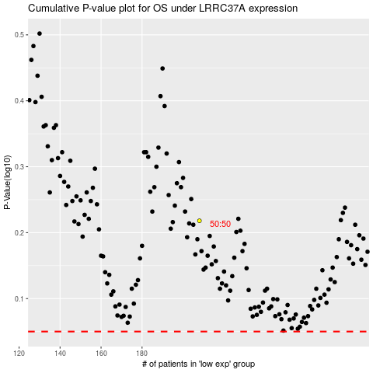

 |  |  |  |  |  | cases_OS | p_OS | rank | exp
 |  |  |  |  |  |  | cases_RFS | p_RFS | rank | exp

