LRRC37B _multivariate
Reported by Tex Li-Hsing Chi. tex@gate.sinica.edu.tw 2019-08-18

Table 2. The clinicopathological features of HNSCC cohort and LRRC37B expression. (Chi square test)
Cutoff at -0.222 (49.8%)
 |  | LRRC37B expression |  | LRRC37B expression |  | (Optimised)
 | Features | Low | (%) | High | (%) | Case no | P-value | Remark | Matthews
Gender | Female | 147 | 35.4 | 159 | 38.3 | 415 | 0.2523 | 0 | 0
2 | Male | 60 | 14.5 | 49 | 11.8
Age at diagnosis | <=65y | 141 | 34 | 133 | 32 | 415 | 0.4272 | 0 | 0
4 | >65y | 66 | 15.9 | 75 | 18.1
Clinical T Status | T1+T2 | 79 | 19 | 70 | 16.9 | 415 | 0.3924 | 0 | 0
6 | T3+T4 | 128 | 30.8 | 138 | 33.3
Clinical N Status | N0 | 109 | 26.3 | 107 | 25.8 | 415 | 0.8812 | 0 | 0
8 | N1-3 | 98 | 23.6 | 101 | 24.3
Clinical M Status | M0 | 205 | 49.4 | 207 | 49.9 | 415 | 0.6232 | 0 | 0
10 | M1 | 2 | 0.5 | 1 | 0.2
Clinical Stage | Stage I+II | 56 | 13.5 | 46 | 11.1 | 415 | 0.2918 | 0 | 0
12 | Stage III+IV | 151 | 36.4 | 162 | 39
Surgical Margin status | Negative | 159 | 38.3 | 159 | 38.3 | 415 | 1 | 0 | 0
14 | Positive | 48 | 11.6 | 49 | 11.8
Tobacco Exposure | Low | 86 | 20.7 | 75 | 18.1 | 415 | 0.2687 | 0 | 0
16 | High | 121 | 29.2 | 133 | 32

Table 3. Univariate/Multivariate Cox's proportional hazards regression analyses on OS time of LRRC37B gene expression in HNSCC

 |  | Univariate |  |  |  | Multivariate
 | Features | HR | CI95%(L) | CI95%(H) | P-value | HR | CI95%(L) | CI95%(H) | P-value
1 | Female | 1 |  |  |  | 1
Gender | Male | 1.157 | 0.843 | 1.587 | 0.367 | 1.194 | 0.854 | 1.67 | 0.299
11 | <=65y | 1 |  |  |  | 1
Age at diagnosis | >65y | 1.329 | 0.99 | 1.784 | 0.058 | 1.398 | 1.028 | 1.901 | 0.033
12 | T1+T2 | 1 |  |  |  | 1
Clinical T Status | T3+T4 | 1.409 | 1.028 | 1.931 | 0.033 | 2.19 | 1.158 | 4.142 | 0.016
13 | N0 | 1 |  |  |  | 1
Clinical N Status | N1-3 | 1.185 | 0.89 | 1.577 | 0.246 | 1.239 | 0.869 | 1.768 | 0.237
14 | M0 | 1 |  |  |  | 1
Clinical M Status | M1 | 4.097 | 1.009 | 16.644 | 0.049 | 9.274 | 2.022 | 42.548 | 0.004
15 | Stage I+II | 1 |  |  |  | 1
Clinical Stage | Stage III+IV | 1.245 | 0.882 | 1.759 | 0.213 | 0.508 | 0.236 | 1.09 | 0.082
16 | Negative | 1 |  |  |  | 1
Surgical Margin status | Positive | 1.591 | 1.155 | 2.191 | 0.004 | 1.671 | 1.209 | 2.309 | 0.002
17 | Low | 1 |  |  |  | 1
Tobacco Exposure | High | 1.364 | 1.008 | 1.844 | 0.044 | 1.468 | 1.063 | 2.028 | 0.02
18 | Low | 1 |  |  |  | 1
RNAseq(z-score) | High | 0.956 | 0.716 | 1.276 | 0.759 | 0.927 | 0.691 | 1.243 | 0.61

Table 4. Univariate/Multivariate Cox's proportional hazards regression analyses on RFS time of LRRC37B gene expression in HNSCC

 |  | Univariate |  |  |  | Multivariate
 | Features | HR | CI95%(L) | CI95%(H) | P-value | HR | CI95%(L) | CI95%(H) | P-value
1 | Female | 1 |  |  |  | 1
Gender | Male | 1.157 | 0.843 | 1.587 | 0.367 | 1.194 | 0.854 | 1.67 | 0.299
11 | <=65y | 1 |  |  |  | 1
Age at diagnosis | >65y | 1.329 | 0.99 | 1.784 | 0.058 | 1.398 | 1.028 | 1.901 | 0.033
12 | T1+T2 | 1 |  |  |  | 1
Clinical T Status | T3+T4 | 1.409 | 1.028 | 1.931 | 0.033 | 2.19 | 1.158 | 4.142 | 0.016
13 | N0 | 1 |  |  |  | 1
Clinical N Status | N1-3 | 1.185 | 0.89 | 1.577 | 0.246 | 1.239 | 0.869 | 1.768 | 0.237
14 | M0 | 1 |  |  |  | 1
Clinical M Status | M1 | 4.097 | 1.009 | 16.644 | 0.049 | 9.274 | 2.022 | 42.548 | 0.004
15 | Stage I+II | 1 |  |  |  | 1
Clinical Stage | Stage III+IV | 1.245 | 0.882 | 1.759 | 0.213 | 0.508 | 0.236 | 1.09 | 0.082
16 | Negative | 1 |  |  |  | 1
Surgical Margin status | Positive | 1.591 | 1.155 | 2.191 | 0.004 | 1.671 | 1.209 | 2.309 | 0.002
17 | Low | 1 |  |  |  | 1
Tobacco Exposure | High | 1.364 | 1.008 | 1.844 | 0.044 | 1.468 | 1.063 | 2.028 | 0.02
18 | Low | 1 |  |  |  | 1
RNAseq(z-score) | High | 0.956 | 0.716 | 1.276 | 0.759 | 0.927 | 0.691 | 1.243 | 0.61

Kaplan-Meier survival estimate: Cutoff at -0.222 (49.8%)

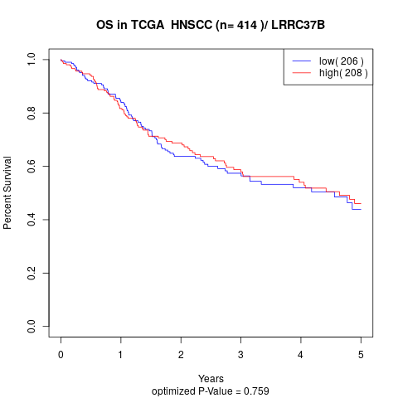

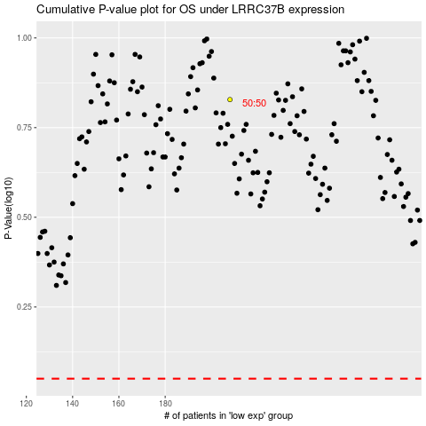

 |  |  |  |  |  | cases_OS | p_OS | rank | exp
 |  |  |  |  |  |  | cases_RFS | p_RFS | rank | exp

