LRRC37B2 _multivariate
Reported by Tex Li-Hsing Chi. tex@gate.sinica.edu.tw 2019-08-18

Table 2. The clinicopathological features of HNSCC cohort and LRRC37B2 expression. (Chi square test)
Cutoff at -0.522 (31.4%)
 |  | LRRC37B2 expression |  | LRRC37B2 expression |  | (Optimised)
 | Features | Low | (%) | High | (%) | Case no | P-value | Remark | Matthews
Gender | Female | 90 | 21.7 | 216 | 52 | 415 | 0.1437 | 0 | 0
2 | Male | 41 | 9.9 | 68 | 16.4
Age at diagnosis | <=65y | 95 | 22.9 | 179 | 43.1 | 415 | 0.0741 | 0 | 0
4 | >65y | 36 | 8.7 | 105 | 25.3
Clinical T Status | T1+T2 | 52 | 12.5 | 97 | 23.4 | 415 | 0.3255 | 0 | 0
6 | T3+T4 | 79 | 19 | 187 | 45.1
Clinical N Status | N0 | 73 | 17.6 | 143 | 34.5 | 415 | 0.3614 | 0 | 0
8 | N1-3 | 58 | 14 | 141 | 34
Clinical M Status | M0 | 130 | 31.3 | 282 | 68 | 415 | 1 | 0 | 0
10 | M1 | 1 | 0.2 | 2 | 0.5
Clinical Stage | Stage I+II | 35 | 8.4 | 67 | 16.1 | 415 | 0.5722 | 0 | 0
12 | Stage III+IV | 96 | 23.1 | 217 | 52.3
Surgical Margin status | Negative | 104 | 25.1 | 214 | 51.6 | 415 | 0.3854 | 0 | 0
14 | Positive | 27 | 6.5 | 70 | 16.9
Tobacco Exposure | Low | 59 | 14.2 | 102 | 24.6 | 415 | 0.0834 | 0 | 0
16 | High | 72 | 17.3 | 182 | 43.9

Table 3. Univariate/Multivariate Cox's proportional hazards regression analyses on OS time of LRRC37B2 gene expression in HNSCC

 |  | Univariate |  |  |  | Multivariate
 | Features | HR | CI95%(L) | CI95%(H) | P-value | HR | CI95%(L) | CI95%(H) | P-value
1 | Female | 1 |  |  |  | 1
Gender | Male | 1.157 | 0.843 | 1.587 | 0.367 | 1.237 | 0.884 | 1.732 | 0.214
11 | <=65y | 1 |  |  |  | 1
Age at diagnosis | >65y | 1.329 | 0.99 | 1.784 | 0.058 | 1.368 | 1.006 | 1.86 | 0.046
12 | T1+T2 | 1 |  |  |  | 1
Clinical T Status | T3+T4 | 1.409 | 1.028 | 1.931 | 0.033 | 2.144 | 1.133 | 4.056 | 0.019
13 | N0 | 1 |  |  |  | 1
Clinical N Status | N1-3 | 1.185 | 0.89 | 1.577 | 0.246 | 1.217 | 0.852 | 1.739 | 0.28
14 | M0 | 1 |  |  |  | 1
Clinical M Status | M1 | 4.097 | 1.009 | 16.644 | 0.049 | 9.498 | 2.072 | 43.539 | 0.004
15 | Stage I+II | 1 |  |  |  | 1
Clinical Stage | Stage III+IV | 1.245 | 0.882 | 1.759 | 0.213 | 0.527 | 0.245 | 1.132 | 0.101
16 | Negative | 1 |  |  |  | 1
Surgical Margin status | Positive | 1.591 | 1.155 | 2.191 | 0.004 | 1.625 | 1.173 | 2.249 | 0.003
17 | Low | 1 |  |  |  | 1
Tobacco Exposure | High | 1.364 | 1.008 | 1.844 | 0.044 | 1.42 | 1.03 | 1.959 | 0.032
18 | Low | 1 |  |  |  | 1
RNAseq(z-score) | High | 1.392 | 1.003 | 1.933 | 0.048 | 1.276 | 0.912 | 1.786 | 0.155

Table 4. Univariate/Multivariate Cox's proportional hazards regression analyses on RFS time of LRRC37B2 gene expression in HNSCC

 |  | Univariate |  |  |  | Multivariate
 | Features | HR | CI95%(L) | CI95%(H) | P-value | HR | CI95%(L) | CI95%(H) | P-value
1 | Female | 1 |  |  |  | 1
Gender | Male | 1.157 | 0.843 | 1.587 | 0.367 | 1.237 | 0.884 | 1.732 | 0.214
11 | <=65y | 1 |  |  |  | 1
Age at diagnosis | >65y | 1.329 | 0.99 | 1.784 | 0.058 | 1.368 | 1.006 | 1.86 | 0.046
12 | T1+T2 | 1 |  |  |  | 1
Clinical T Status | T3+T4 | 1.409 | 1.028 | 1.931 | 0.033 | 2.144 | 1.133 | 4.056 | 0.019
13 | N0 | 1 |  |  |  | 1
Clinical N Status | N1-3 | 1.185 | 0.89 | 1.577 | 0.246 | 1.217 | 0.852 | 1.739 | 0.28
14 | M0 | 1 |  |  |  | 1
Clinical M Status | M1 | 4.097 | 1.009 | 16.644 | 0.049 | 9.498 | 2.072 | 43.539 | 0.004
15 | Stage I+II | 1 |  |  |  | 1
Clinical Stage | Stage III+IV | 1.245 | 0.882 | 1.759 | 0.213 | 0.527 | 0.245 | 1.132 | 0.101
16 | Negative | 1 |  |  |  | 1
Surgical Margin status | Positive | 1.591 | 1.155 | 2.191 | 0.004 | 1.625 | 1.173 | 2.249 | 0.003
17 | Low | 1 |  |  |  | 1
Tobacco Exposure | High | 1.364 | 1.008 | 1.844 | 0.044 | 1.42 | 1.03 | 1.959 | 0.032
18 | Low | 1 |  |  |  | 1
RNAseq(z-score) | High | 1.392 | 1.003 | 1.933 | 0.048 | 1.276 | 0.912 | 1.786 | 0.155

Kaplan-Meier survival estimate: Cutoff at -0.522 (31.4%)



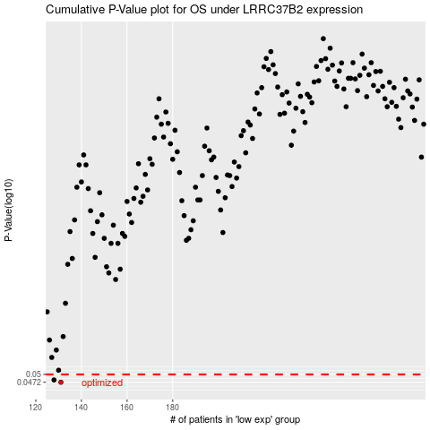

 |  |  |  |  |  | cases_OS | p_OS | rank | exp
 |  |  |  |  |  | 131 | 0.0472 | 201 | -0.52210696656
 |  |  |  |  |  | 128 | 0.048 | 265 | -0.54441811089
 |  |  |  |  |  |  | cases_RFS | p_RFS | rank | exp
 |  |  |  |  |  |  | 130 | 0.0472 | 348 | -0.5317355642
 |  |  |  |  |  |  | 127 | 0.048 | 407 | -0.54552870937

