LRRC41 _multivariate
Reported by Tex Li-Hsing Chi. tex@gate.sinica.edu.tw 2019-08-18

Table 2. The clinicopathological features of HNSCC cohort and LRRC41 expression. (Chi square test)
Cutoff at -0.083 (49.8%)
 |  | LRRC41 expression |  | LRRC41 expression |  | (Optimised)
 | Features | Low | (%) | High | (%) | Case no | P-value | Remark | Matthews
Gender | Female | 166 | 40 | 140 | 33.7 | 415 | 0.0041 | 1 | 0
2 | Male | 41 | 9.9 | 68 | 16.4
Age at diagnosis | <=65y | 137 | 33 | 137 | 33 | 415 | 1 | 0 | 0
4 | >65y | 70 | 16.9 | 71 | 17.1
Clinical T Status | T1+T2 | 85 | 20.5 | 64 | 15.4 | 415 | 0.0372 | 1 | 0
6 | T3+T4 | 122 | 29.4 | 144 | 34.7
Clinical N Status | N0 | 105 | 25.3 | 111 | 26.7 | 415 | 0.6598 | 0 | 0
8 | N1-3 | 102 | 24.6 | 97 | 23.4
Clinical M Status | M0 | 206 | 49.6 | 206 | 49.6 | 415 | 1 | 0 | 0
10 | M1 | 1 | 0.2 | 2 | 0.5
Clinical Stage | Stage I+II | 53 | 12.8 | 49 | 11.8 | 415 | 0.7113 | 0 | 0
12 | Stage III+IV | 154 | 37.1 | 159 | 38.3
Surgical Margin status | Negative | 149 | 35.9 | 169 | 40.7 | 415 | 0.0278 | 1 | 0
14 | Positive | 58 | 14 | 39 | 9.4
Tobacco Exposure | Low | 90 | 21.7 | 71 | 17.1 | 415 | 0.0559 | 0 | 0
16 | High | 117 | 28.2 | 137 | 33

Table 3. Univariate/Multivariate Cox's proportional hazards regression analyses on OS time of LRRC41 gene expression in HNSCC

 |  | Univariate |  |  |  | Multivariate
 | Features | HR | CI95%(L) | CI95%(H) | P-value | HR | CI95%(L) | CI95%(H) | P-value
1 | Female | 1 |  |  |  | 1
Gender | Male | 1.157 | 0.843 | 1.587 | 0.367 | 1.191 | 0.85 | 1.669 | 0.309
11 | <=65y | 1 |  |  |  | 1
Age at diagnosis | >65y | 1.329 | 0.99 | 1.784 | 0.058 | 1.392 | 1.024 | 1.892 | 0.035
12 | T1+T2 | 1 |  |  |  | 1
Clinical T Status | T3+T4 | 1.409 | 1.028 | 1.931 | 0.033 | 2.177 | 1.148 | 4.13 | 0.017
13 | N0 | 1 |  |  |  | 1
Clinical N Status | N1-3 | 1.185 | 0.89 | 1.577 | 0.246 | 1.242 | 0.87 | 1.771 | 0.232
14 | M0 | 1 |  |  |  | 1
Clinical M Status | M1 | 4.097 | 1.009 | 16.644 | 0.049 | 9.232 | 2.007 | 42.457 | 0.004
15 | Stage I+II | 1 |  |  |  | 1
Clinical Stage | Stage III+IV | 1.245 | 0.882 | 1.759 | 0.213 | 0.512 | 0.238 | 1.104 | 0.088
16 | Negative | 1 |  |  |  | 1
Surgical Margin status | Positive | 1.591 | 1.155 | 2.191 | 0.004 | 1.681 | 1.215 | 2.325 | 0.002
17 | Low | 1 |  |  |  | 1
Tobacco Exposure | High | 1.364 | 1.008 | 1.844 | 0.044 | 1.439 | 1.04 | 1.991 | 0.028
18 | Low | 1 |  |  |  | 1
RNAseq(z-score) | High | 1.099 | 0.824 | 1.466 | 0.52 | 1.056 | 0.784 | 1.423 | 0.718

Table 4. Univariate/Multivariate Cox's proportional hazards regression analyses on RFS time of LRRC41 gene expression in HNSCC

 |  | Univariate |  |  |  | Multivariate
 | Features | HR | CI95%(L) | CI95%(H) | P-value | HR | CI95%(L) | CI95%(H) | P-value
1 | Female | 1 |  |  |  | 1
Gender | Male | 1.157 | 0.843 | 1.587 | 0.367 | 1.191 | 0.85 | 1.669 | 0.309
11 | <=65y | 1 |  |  |  | 1
Age at diagnosis | >65y | 1.329 | 0.99 | 1.784 | 0.058 | 1.392 | 1.024 | 1.892 | 0.035
12 | T1+T2 | 1 |  |  |  | 1
Clinical T Status | T3+T4 | 1.409 | 1.028 | 1.931 | 0.033 | 2.177 | 1.148 | 4.13 | 0.017
13 | N0 | 1 |  |  |  | 1
Clinical N Status | N1-3 | 1.185 | 0.89 | 1.577 | 0.246 | 1.242 | 0.87 | 1.771 | 0.232
14 | M0 | 1 |  |  |  | 1
Clinical M Status | M1 | 4.097 | 1.009 | 16.644 | 0.049 | 9.232 | 2.007 | 42.457 | 0.004
15 | Stage I+II | 1 |  |  |  | 1
Clinical Stage | Stage III+IV | 1.245 | 0.882 | 1.759 | 0.213 | 0.512 | 0.238 | 1.104 | 0.088
16 | Negative | 1 |  |  |  | 1
Surgical Margin status | Positive | 1.591 | 1.155 | 2.191 | 0.004 | 1.681 | 1.215 | 2.325 | 0.002
17 | Low | 1 |  |  |  | 1
Tobacco Exposure | High | 1.364 | 1.008 | 1.844 | 0.044 | 1.439 | 1.04 | 1.991 | 0.028
18 | Low | 1 |  |  |  | 1
RNAseq(z-score) | High | 1.099 | 0.824 | 1.466 | 0.52 | 1.056 | 0.784 | 1.423 | 0.718

Kaplan-Meier survival estimate: Cutoff at -0.083 (49.8%)



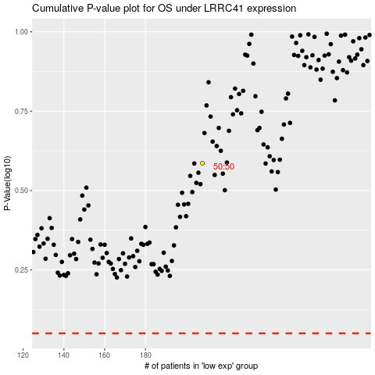

 |  |  |  |  |  | cases_OS | p_OS | rank | exp
 |  |  |  |  |  |  | cases_RFS | p_RFS | rank | exp

