LRRC42 _multivariate
Reported by Tex Li-Hsing Chi. tex@gate.sinica.edu.tw 2019-08-18

Table 2. The clinicopathological features of HNSCC cohort and LRRC42 expression. (Chi square test)
Cutoff at 0.014 (50.0%)
 |  | LRRC42 expression |  | LRRC42 expression |  | (Optimised)
 | Features | Low | (%) | High | (%) | Case no | P-value | Remark | Matthews
Gender | Female | 149 | 35.9 | 157 | 37.8 | 415 | 0.4848 | 0 | 0
2 | Male | 58 | 14 | 51 | 12.3
Age at diagnosis | <=65y | 134 | 32.3 | 140 | 33.7 | 415 | 0.6529 | 0 | 0
4 | >65y | 73 | 17.6 | 68 | 16.4
Clinical T Status | T1+T2 | 86 | 20.7 | 63 | 15.2 | 415 | 0.0221 | 1 | 0
6 | T3+T4 | 121 | 29.2 | 145 | 34.9
Clinical N Status | N0 | 120 | 28.9 | 96 | 23.1 | 415 | 0.0208 | 1 | 0
8 | N1-3 | 87 | 21 | 112 | 27
Clinical M Status | M0 | 207 | 49.9 | 205 | 49.4 | 415 | 0.2482 | 0 | 0
10 | M1 | 0 | 0 | 3 | 0.7
Clinical Stage | Stage I+II | 62 | 14.9 | 40 | 9.6 | 415 | 0.0154 | 1 | 0
12 | Stage III+IV | 145 | 34.9 | 168 | 40.5
Surgical Margin status | Negative | 163 | 39.3 | 155 | 37.3 | 415 | 0.3537 | 0 | 0
14 | Positive | 44 | 10.6 | 53 | 12.8
Tobacco Exposure | Low | 85 | 20.5 | 76 | 18.3 | 415 | 0.3655 | 0 | 0
16 | High | 122 | 29.4 | 132 | 31.8

Table 3. Univariate/Multivariate Cox's proportional hazards regression analyses on OS time of LRRC42 gene expression in HNSCC

 |  | Univariate |  |  |  | Multivariate
 | Features | HR | CI95%(L) | CI95%(H) | P-value | HR | CI95%(L) | CI95%(H) | P-value
1 | Female | 1 |  |  |  | 1
Gender | Male | 1.157 | 0.843 | 1.587 | 0.367 | 1.199 | 0.858 | 1.676 | 0.287
11 | <=65y | 1 |  |  |  | 1
Age at diagnosis | >65y | 1.329 | 0.99 | 1.784 | 0.058 | 1.396 | 1.027 | 1.899 | 0.033
12 | T1+T2 | 1 |  |  |  | 1
Clinical T Status | T3+T4 | 1.409 | 1.028 | 1.931 | 0.033 | 2.182 | 1.153 | 4.13 | 0.017
13 | N0 | 1 |  |  |  | 1
Clinical N Status | N1-3 | 1.185 | 0.89 | 1.577 | 0.246 | 1.239 | 0.868 | 1.769 | 0.237
14 | M0 | 1 |  |  |  | 1
Clinical M Status | M1 | 4.097 | 1.009 | 16.644 | 0.049 | 9.024 | 1.951 | 41.746 | 0.005
15 | Stage I+II | 1 |  |  |  | 1
Clinical Stage | Stage III+IV | 1.245 | 0.882 | 1.759 | 0.213 | 0.505 | 0.235 | 1.084 | 0.08
16 | Negative | 1 |  |  |  | 1
Surgical Margin status | Positive | 1.591 | 1.155 | 2.191 | 0.004 | 1.664 | 1.204 | 2.3 | 0.002
17 | Low | 1 |  |  |  | 1
Tobacco Exposure | High | 1.364 | 1.008 | 1.844 | 0.044 | 1.446 | 1.049 | 1.995 | 0.024
18 | Low | 1 |  |  |  | 1
RNAseq(z-score) | High | 1.176 | 0.883 | 1.567 | 0.268 | 1.073 | 0.802 | 1.437 | 0.635

Table 4. Univariate/Multivariate Cox's proportional hazards regression analyses on RFS time of LRRC42 gene expression in HNSCC

 |  | Univariate |  |  |  | Multivariate
 | Features | HR | CI95%(L) | CI95%(H) | P-value | HR | CI95%(L) | CI95%(H) | P-value
1 | Female | 1 |  |  |  | 1
Gender | Male | 1.157 | 0.843 | 1.587 | 0.367 | 1.199 | 0.858 | 1.676 | 0.287
11 | <=65y | 1 |  |  |  | 1
Age at diagnosis | >65y | 1.329 | 0.99 | 1.784 | 0.058 | 1.396 | 1.027 | 1.899 | 0.033
12 | T1+T2 | 1 |  |  |  | 1
Clinical T Status | T3+T4 | 1.409 | 1.028 | 1.931 | 0.033 | 2.182 | 1.153 | 4.13 | 0.017
13 | N0 | 1 |  |  |  | 1
Clinical N Status | N1-3 | 1.185 | 0.89 | 1.577 | 0.246 | 1.239 | 0.868 | 1.769 | 0.237
14 | M0 | 1 |  |  |  | 1
Clinical M Status | M1 | 4.097 | 1.009 | 16.644 | 0.049 | 9.024 | 1.951 | 41.746 | 0.005
15 | Stage I+II | 1 |  |  |  | 1
Clinical Stage | Stage III+IV | 1.245 | 0.882 | 1.759 | 0.213 | 0.505 | 0.235 | 1.084 | 0.08
16 | Negative | 1 |  |  |  | 1
Surgical Margin status | Positive | 1.591 | 1.155 | 2.191 | 0.004 | 1.664 | 1.204 | 2.3 | 0.002
17 | Low | 1 |  |  |  | 1
Tobacco Exposure | High | 1.364 | 1.008 | 1.844 | 0.044 | 1.446 | 1.049 | 1.995 | 0.024
18 | Low | 1 |  |  |  | 1
RNAseq(z-score) | High | 1.176 | 0.883 | 1.567 | 0.268 | 1.073 | 0.802 | 1.437 | 0.635

Kaplan-Meier survival estimate: Cutoff at 0.014 (50.0%)



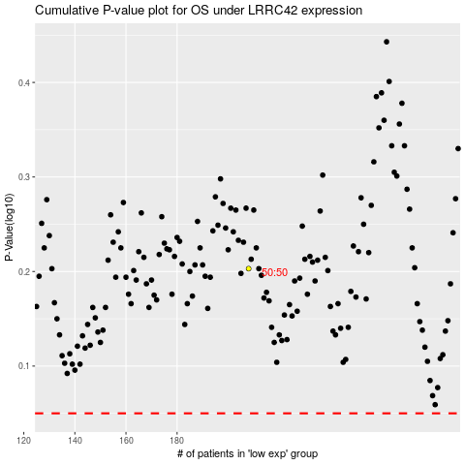

 |  |  |  |  |  | cases_OS | p_OS | rank | exp
 |  |  |  |  |  |  | cases_RFS | p_RFS | rank | exp

