LRRC43 _multivariate
Reported by Tex Li-Hsing Chi. tex@gate.sinica.edu.tw 2019-08-18

Table 2. The clinicopathological features of HNSCC cohort and LRRC43 expression. (Chi square test)
Cutoff at -0.15 (49.8%)
 |  | LRRC43 expression |  | LRRC43 expression |  | (Optimised)
 | Features | Low | (%) | High | (%) | Case no | P-value | Remark | Matthews
Gender | Female | 152 | 36.6 | 154 | 37.1 | 415 | 0.9766 | 0 | 0
2 | Male | 55 | 13.3 | 54 | 13
Age at diagnosis | <=65y | 140 | 33.7 | 134 | 32.3 | 415 | 0.5574 | 0 | 0
4 | >65y | 67 | 16.1 | 74 | 17.8
Clinical T Status | T1+T2 | 85 | 20.5 | 64 | 15.4 | 415 | 0.0372 | 1 | 0
6 | T3+T4 | 122 | 29.4 | 144 | 34.7
Clinical N Status | N0 | 102 | 24.6 | 114 | 27.5 | 415 | 0.3031 | 0 | 0
8 | N1-3 | 105 | 25.3 | 94 | 22.7
Clinical M Status | M0 | 204 | 49.2 | 208 | 50.1 | 415 | 0.1232 | 0 | 0
10 | M1 | 3 | 0.7 | 0 | 0
Clinical Stage | Stage I+II | 52 | 12.5 | 50 | 12 | 415 | 0.8871 | 0 | 0
12 | Stage III+IV | 155 | 37.3 | 158 | 38.1
Surgical Margin status | Negative | 160 | 38.6 | 158 | 38.1 | 415 | 0.8167 | 0 | 0
14 | Positive | 47 | 11.3 | 50 | 12
Tobacco Exposure | Low | 94 | 22.7 | 67 | 16.1 | 415 | 0.0065 | 1 | 0
16 | High | 113 | 27.2 | 141 | 34

Table 3. Univariate/Multivariate Cox's proportional hazards regression analyses on OS time of LRRC43 gene expression in HNSCC

 |  | Univariate |  |  |  | Multivariate
 | Features | HR | CI95%(L) | CI95%(H) | P-value | HR | CI95%(L) | CI95%(H) | P-value
1 | Female | 1 |  |  |  | 1
Gender | Male | 1.157 | 0.843 | 1.587 | 0.367 | 1.22 | 0.872 | 1.706 | 0.246
11 | <=65y | 1 |  |  |  | 1
Age at diagnosis | >65y | 1.329 | 0.99 | 1.784 | 0.058 | 1.394 | 1.025 | 1.896 | 0.034
12 | T1+T2 | 1 |  |  |  | 1
Clinical T Status | T3+T4 | 1.409 | 1.028 | 1.931 | 0.033 | 2.329 | 1.226 | 4.424 | 0.01
13 | N0 | 1 |  |  |  | 1
Clinical N Status | N1-3 | 1.185 | 0.89 | 1.577 | 0.246 | 1.251 | 0.877 | 1.785 | 0.216
14 | M0 | 1 |  |  |  | 1
Clinical M Status | M1 | 4.097 | 1.009 | 16.644 | 0.049 | 8.909 | 1.94 | 40.908 | 0.005
15 | Stage I+II | 1 |  |  |  | 1
Clinical Stage | Stage III+IV | 1.245 | 0.882 | 1.759 | 0.213 | 0.478 | 0.222 | 1.03 | 0.059
16 | Negative | 1 |  |  |  | 1
Surgical Margin status | Positive | 1.591 | 1.155 | 2.191 | 0.004 | 1.687 | 1.221 | 2.332 | 0.002
17 | Low | 1 |  |  |  | 1
Tobacco Exposure | High | 1.364 | 1.008 | 1.844 | 0.044 | 1.513 | 1.091 | 2.099 | 0.013
18 | Low | 1 |  |  |  | 1
RNAseq(z-score) | High | 0.911 | 0.684 | 1.213 | 0.521 | 0.805 | 0.599 | 1.081 | 0.149

Table 4. Univariate/Multivariate Cox's proportional hazards regression analyses on RFS time of LRRC43 gene expression in HNSCC

 |  | Univariate |  |  |  | Multivariate
 | Features | HR | CI95%(L) | CI95%(H) | P-value | HR | CI95%(L) | CI95%(H) | P-value
1 | Female | 1 |  |  |  | 1
Gender | Male | 1.157 | 0.843 | 1.587 | 0.367 | 1.22 | 0.872 | 1.706 | 0.246
11 | <=65y | 1 |  |  |  | 1
Age at diagnosis | >65y | 1.329 | 0.99 | 1.784 | 0.058 | 1.394 | 1.025 | 1.896 | 0.034
12 | T1+T2 | 1 |  |  |  | 1
Clinical T Status | T3+T4 | 1.409 | 1.028 | 1.931 | 0.033 | 2.329 | 1.226 | 4.424 | 0.01
13 | N0 | 1 |  |  |  | 1
Clinical N Status | N1-3 | 1.185 | 0.89 | 1.577 | 0.246 | 1.251 | 0.877 | 1.785 | 0.216
14 | M0 | 1 |  |  |  | 1
Clinical M Status | M1 | 4.097 | 1.009 | 16.644 | 0.049 | 8.909 | 1.94 | 40.908 | 0.005
15 | Stage I+II | 1 |  |  |  | 1
Clinical Stage | Stage III+IV | 1.245 | 0.882 | 1.759 | 0.213 | 0.478 | 0.222 | 1.03 | 0.059
16 | Negative | 1 |  |  |  | 1
Surgical Margin status | Positive | 1.591 | 1.155 | 2.191 | 0.004 | 1.687 | 1.221 | 2.332 | 0.002
17 | Low | 1 |  |  |  | 1
Tobacco Exposure | High | 1.364 | 1.008 | 1.844 | 0.044 | 1.513 | 1.091 | 2.099 | 0.013
18 | Low | 1 |  |  |  | 1
RNAseq(z-score) | High | 0.911 | 0.684 | 1.213 | 0.521 | 0.805 | 0.599 | 1.081 | 0.149

Kaplan-Meier survival estimate: Cutoff at -0.15 (49.8%)



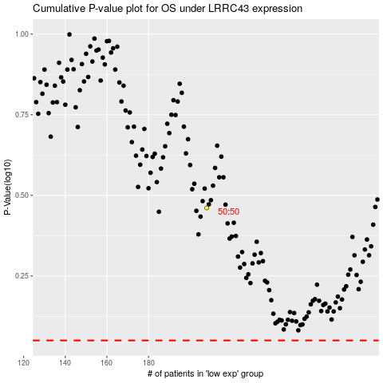

 |  |  |  |  |  | cases_OS | p_OS | rank | exp
 |  |  |  |  |  |  | cases_RFS | p_RFS | rank | exp

