LRRC50 _multivariate
Reported by Tex Li-Hsing Chi. tex@gate.sinica.edu.tw 2019-08-18

Table 2. The clinicopathological features of HNSCC cohort and LRRC50 expression. (Chi square test)
Cutoff at -0.111 (50.0%)
 |  | LRRC50 expression |  | LRRC50 expression |  | (Optimised)
 | Features | Low | (%) | High | (%) | Case no | P-value | Remark | Matthews
Gender | Female | 148 | 35.7 | 158 | 38.1 | 415 | 0.3567 | 0 | 0
2 | Male | 59 | 14.2 | 50 | 12
Age at diagnosis | <=65y | 136 | 32.8 | 138 | 33.3 | 415 | 0.9719 | 0 | 0
4 | >65y | 71 | 17.1 | 70 | 16.9
Clinical T Status | T1+T2 | 90 | 21.7 | 59 | 14.2 | 415 | 0.0019 | 1 | 0
6 | T3+T4 | 117 | 28.2 | 149 | 35.9
Clinical N Status | N0 | 113 | 27.2 | 103 | 24.8 | 415 | 0.3495 | 1 | 0
8 | N1-3 | 94 | 22.7 | 105 | 25.3
Clinical M Status | M0 | 205 | 49.4 | 207 | 49.9 | 415 | 0.6232 | 0 | 0
10 | M1 | 2 | 0.5 | 1 | 0.2
Clinical Stage | Stage I+II | 65 | 15.7 | 37 | 8.9 | 415 | 0.0019 | 1 | 0
12 | Stage III+IV | 142 | 34.2 | 171 | 41.2
Surgical Margin status | Negative | 156 | 37.6 | 162 | 39 | 415 | 0.5636 | 0 | 0
14 | Positive | 51 | 12.3 | 46 | 11.1
Tobacco Exposure | Low | 84 | 20.2 | 77 | 18.6 | 415 | 0.4816 | 0 | 0
16 | High | 123 | 29.6 | 131 | 31.6

Table 3. Univariate/Multivariate Cox's proportional hazards regression analyses on OS time of LRRC50 gene expression in HNSCC

 |  | Univariate |  |  |  | Multivariate
 | Features | HR | CI95%(L) | CI95%(H) | P-value | HR | CI95%(L) | CI95%(H) | P-value
1 | Female | 1 |  |  |  | 1
Gender | Male | 1.157 | 0.843 | 1.587 | 0.367 | 1.195 | 0.855 | 1.671 | 0.298
11 | <=65y | 1 |  |  |  | 1
Age at diagnosis | >65y | 1.329 | 0.99 | 1.784 | 0.058 | 1.396 | 1.026 | 1.899 | 0.034
12 | T1+T2 | 1 |  |  |  | 1
Clinical T Status | T3+T4 | 1.409 | 1.028 | 1.931 | 0.033 | 2.311 | 1.218 | 4.384 | 0.01
13 | N0 | 1 |  |  |  | 1
Clinical N Status | N1-3 | 1.185 | 0.89 | 1.577 | 0.246 | 1.226 | 0.86 | 1.748 | 0.261
14 | M0 | 1 |  |  |  | 1
Clinical M Status | M1 | 4.097 | 1.009 | 16.644 | 0.049 | 9.417 | 2.052 | 43.204 | 0.004
15 | Stage I+II | 1 |  |  |  | 1
Clinical Stage | Stage III+IV | 1.245 | 0.882 | 1.759 | 0.213 | 0.511 | 0.238 | 1.097 | 0.085
16 | Negative | 1 |  |  |  | 1
Surgical Margin status | Positive | 1.591 | 1.155 | 2.191 | 0.004 | 1.704 | 1.231 | 2.357 | 0.001
17 | Low | 1 |  |  |  | 1
Tobacco Exposure | High | 1.364 | 1.008 | 1.844 | 0.044 | 1.475 | 1.069 | 2.036 | 0.018
18 | Low | 1 |  |  |  | 1
RNAseq(z-score) | High | 0.829 | 0.621 | 1.106 | 0.203 | 0.759 | 0.566 | 1.019 | 0.066

Table 4. Univariate/Multivariate Cox's proportional hazards regression analyses on RFS time of LRRC50 gene expression in HNSCC

 |  | Univariate |  |  |  | Multivariate
 | Features | HR | CI95%(L) | CI95%(H) | P-value | HR | CI95%(L) | CI95%(H) | P-value
1 | Female | 1 |  |  |  | 1
Gender | Male | 1.157 | 0.843 | 1.587 | 0.367 | 1.195 | 0.855 | 1.671 | 0.298
11 | <=65y | 1 |  |  |  | 1
Age at diagnosis | >65y | 1.329 | 0.99 | 1.784 | 0.058 | 1.396 | 1.026 | 1.899 | 0.034
12 | T1+T2 | 1 |  |  |  | 1
Clinical T Status | T3+T4 | 1.409 | 1.028 | 1.931 | 0.033 | 2.311 | 1.218 | 4.384 | 0.01
13 | N0 | 1 |  |  |  | 1
Clinical N Status | N1-3 | 1.185 | 0.89 | 1.577 | 0.246 | 1.226 | 0.86 | 1.748 | 0.261
14 | M0 | 1 |  |  |  | 1
Clinical M Status | M1 | 4.097 | 1.009 | 16.644 | 0.049 | 9.417 | 2.052 | 43.204 | 0.004
15 | Stage I+II | 1 |  |  |  | 1
Clinical Stage | Stage III+IV | 1.245 | 0.882 | 1.759 | 0.213 | 0.511 | 0.238 | 1.097 | 0.085
16 | Negative | 1 |  |  |  | 1
Surgical Margin status | Positive | 1.591 | 1.155 | 2.191 | 0.004 | 1.704 | 1.231 | 2.357 | 0.001
17 | Low | 1 |  |  |  | 1
Tobacco Exposure | High | 1.364 | 1.008 | 1.844 | 0.044 | 1.475 | 1.069 | 2.036 | 0.018
18 | Low | 1 |  |  |  | 1
RNAseq(z-score) | High | 0.829 | 0.621 | 1.106 | 0.203 | 0.759 | 0.566 | 1.019 | 0.066

Kaplan-Meier survival estimate: Cutoff at -0.111 (50.0%)



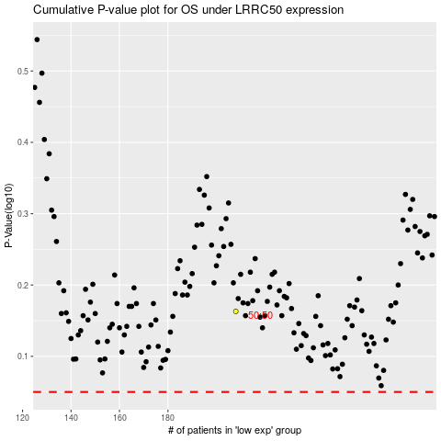

 |  |  |  |  |  | cases_OS | p_OS | rank | exp
 |  |  |  |  |  |  | cases_RFS | p_RFS | rank | exp

