LRRC66 _multivariate
Reported by Tex Li-Hsing Chi. tex@gate.sinica.edu.tw 2019-08-18

Table 2. The clinicopathological features of HNSCC cohort and LRRC66 expression. (Chi square test)
Cutoff at -0.313 (50.0%)
 |  | LRRC66 expression |  | LRRC66 expression |  | (Optimised)
 | Features | Low | (%) | High | (%) | Case no | P-value | Remark | Matthews
Gender | Female | 158 | 38.1 | 148 | 35.7 | 415 | 0.2774 | 0 | 0
2 | Male | 49 | 11.8 | 60 | 14.5
Age at diagnosis | <=65y | 136 | 32.8 | 138 | 33.3 | 415 | 0.9719 | 0 | 0
4 | >65y | 71 | 17.1 | 70 | 16.9
Clinical T Status | T1+T2 | 67 | 16.1 | 82 | 19.8 | 415 | 0.1628 | 0 | 0
6 | T3+T4 | 140 | 33.7 | 126 | 30.4
Clinical N Status | N0 | 102 | 24.6 | 114 | 27.5 | 415 | 0.3031 | 0 | 0
8 | N1-3 | 105 | 25.3 | 94 | 22.7
Clinical M Status | M0 | 204 | 49.2 | 208 | 50.1 | 415 | 0.1232 | 0 | 0
10 | M1 | 3 | 0.7 | 0 | 0
Clinical Stage | Stage I+II | 41 | 9.9 | 61 | 14.7 | 415 | 0.0325 | 1 | 0
12 | Stage III+IV | 166 | 40 | 147 | 35.4
Surgical Margin status | Negative | 159 | 38.3 | 159 | 38.3 | 415 | 1 | 0 | 0
14 | Positive | 48 | 11.6 | 49 | 11.8
Tobacco Exposure | Low | 77 | 18.6 | 84 | 20.2 | 415 | 0.5459 | 0 | 0
16 | High | 130 | 31.3 | 124 | 29.9

Table 3. Univariate/Multivariate Cox's proportional hazards regression analyses on OS time of LRRC66 gene expression in HNSCC

 |  | Univariate |  |  |  | Multivariate
 | Features | HR | CI95%(L) | CI95%(H) | P-value | HR | CI95%(L) | CI95%(H) | P-value
1 | Female | 1 |  |  |  | 1
Gender | Male | 1.157 | 0.843 | 1.587 | 0.367 | 1.193 | 0.854 | 1.667 | 0.3
11 | <=65y | 1 |  |  |  | 1
Age at diagnosis | >65y | 1.329 | 0.99 | 1.784 | 0.058 | 1.39 | 1.022 | 1.89 | 0.036
12 | T1+T2 | 1 |  |  |  | 1
Clinical T Status | T3+T4 | 1.409 | 1.028 | 1.931 | 0.033 | 2.189 | 1.157 | 4.142 | 0.016
13 | N0 | 1 |  |  |  | 1
Clinical N Status | N1-3 | 1.185 | 0.89 | 1.577 | 0.246 | 1.255 | 0.879 | 1.792 | 0.212
14 | M0 | 1 |  |  |  | 1
Clinical M Status | M1 | 4.097 | 1.009 | 16.644 | 0.049 | 10.196 | 2.211 | 47.014 | 0.003
15 | Stage I+II | 1 |  |  |  | 1
Clinical Stage | Stage III+IV | 1.245 | 0.882 | 1.759 | 0.213 | 0.514 | 0.239 | 1.103 | 0.088
16 | Negative | 1 |  |  |  | 1
Surgical Margin status | Positive | 1.591 | 1.155 | 2.191 | 0.004 | 1.66 | 1.201 | 2.294 | 0.002
17 | Low | 1 |  |  |  | 1
Tobacco Exposure | High | 1.364 | 1.008 | 1.844 | 0.044 | 1.463 | 1.061 | 2.017 | 0.02
18 | Low | 1 |  |  |  | 1
RNAseq(z-score) | High | 1.179 | 0.882 | 1.575 | 0.265 | 1.206 | 0.899 | 1.619 | 0.21

Table 4. Univariate/Multivariate Cox's proportional hazards regression analyses on RFS time of LRRC66 gene expression in HNSCC

 |  | Univariate |  |  |  | Multivariate
 | Features | HR | CI95%(L) | CI95%(H) | P-value | HR | CI95%(L) | CI95%(H) | P-value
1 | Female | 1 |  |  |  | 1
Gender | Male | 1.157 | 0.843 | 1.587 | 0.367 | 1.193 | 0.854 | 1.667 | 0.3
11 | <=65y | 1 |  |  |  | 1
Age at diagnosis | >65y | 1.329 | 0.99 | 1.784 | 0.058 | 1.39 | 1.022 | 1.89 | 0.036
12 | T1+T2 | 1 |  |  |  | 1
Clinical T Status | T3+T4 | 1.409 | 1.028 | 1.931 | 0.033 | 2.189 | 1.157 | 4.142 | 0.016
13 | N0 | 1 |  |  |  | 1
Clinical N Status | N1-3 | 1.185 | 0.89 | 1.577 | 0.246 | 1.255 | 0.879 | 1.792 | 0.212
14 | M0 | 1 |  |  |  | 1
Clinical M Status | M1 | 4.097 | 1.009 | 16.644 | 0.049 | 10.196 | 2.211 | 47.014 | 0.003
15 | Stage I+II | 1 |  |  |  | 1
Clinical Stage | Stage III+IV | 1.245 | 0.882 | 1.759 | 0.213 | 0.514 | 0.239 | 1.103 | 0.088
16 | Negative | 1 |  |  |  | 1
Surgical Margin status | Positive | 1.591 | 1.155 | 2.191 | 0.004 | 1.66 | 1.201 | 2.294 | 0.002
17 | Low | 1 |  |  |  | 1
Tobacco Exposure | High | 1.364 | 1.008 | 1.844 | 0.044 | 1.463 | 1.061 | 2.017 | 0.02
18 | Low | 1 |  |  |  | 1
RNAseq(z-score) | High | 1.179 | 0.882 | 1.575 | 0.265 | 1.206 | 0.899 | 1.619 | 0.21

Kaplan-Meier survival estimate: Cutoff at -0.313 (50.0%)



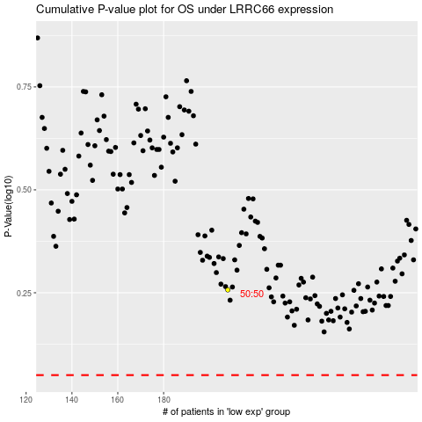

 |  |  |  |  |  | cases_OS | p_OS | rank | exp
 |  |  |  |  |  |  | cases_RFS | p_RFS | rank | exp

