LRRC69 _multivariate
Reported by Tex Li-Hsing Chi. tex@gate.sinica.edu.tw 2019-08-18

Table 2. The clinicopathological features of HNSCC cohort and LRRC69 expression. (Chi square test)
Cutoff at -0.305 (49.8%)
 |  | LRRC69 expression |  | LRRC69 expression |  | (Optimised)
 | Features | Low | (%) | High | (%) | Case no | P-value | Remark | Matthews
Gender | Female | 146 | 35.2 | 160 | 38.6 | 415 | 0.1714 | 0 | 0
2 | Male | 61 | 14.7 | 48 | 11.6
Age at diagnosis | <=65y | 137 | 33 | 137 | 33 | 415 | 1 | 0 | 0
4 | >65y | 70 | 16.9 | 71 | 17.1
Clinical T Status | T1+T2 | 84 | 20.2 | 65 | 15.7 | 415 | 0.0603 | 0 | 0
6 | T3+T4 | 123 | 29.6 | 143 | 34.5
Clinical N Status | N0 | 110 | 26.5 | 106 | 25.5 | 415 | 0.7294 | 0 | 0
8 | N1-3 | 97 | 23.4 | 102 | 24.6
Clinical M Status | M0 | 205 | 49.4 | 207 | 49.9 | 415 | 0.6232 | 0 | 0
10 | M1 | 2 | 0.5 | 1 | 0.2
Clinical Stage | Stage I+II | 58 | 14 | 44 | 10.6 | 415 | 0.131 | 0 | 0
12 | Stage III+IV | 149 | 35.9 | 164 | 39.5
Surgical Margin status | Negative | 160 | 38.6 | 158 | 38.1 | 415 | 0.8167 | 0 | 0
14 | Positive | 47 | 11.3 | 50 | 12
Tobacco Exposure | Low | 86 | 20.7 | 75 | 18.1 | 415 | 0.2687 | 0 | 0
16 | High | 121 | 29.2 | 133 | 32

Table 3. Univariate/Multivariate Cox's proportional hazards regression analyses on OS time of LRRC69 gene expression in HNSCC

 |  | Univariate |  |  |  | Multivariate
 | Features | HR | CI95%(L) | CI95%(H) | P-value | HR | CI95%(L) | CI95%(H) | P-value
1 | Female | 1 |  |  |  | 1
Gender | Male | 1.157 | 0.843 | 1.587 | 0.367 | 1.196 | 0.855 | 1.672 | 0.296
11 | <=65y | 1 |  |  |  | 1
Age at diagnosis | >65y | 1.329 | 0.99 | 1.784 | 0.058 | 1.396 | 1.027 | 1.899 | 0.033
12 | T1+T2 | 1 |  |  |  | 1
Clinical T Status | T3+T4 | 1.409 | 1.028 | 1.931 | 0.033 | 2.217 | 1.171 | 4.197 | 0.014
13 | N0 | 1 |  |  |  | 1
Clinical N Status | N1-3 | 1.185 | 0.89 | 1.577 | 0.246 | 1.242 | 0.87 | 1.771 | 0.233
14 | M0 | 1 |  |  |  | 1
Clinical M Status | M1 | 4.097 | 1.009 | 16.644 | 0.049 | 9.395 | 2.05 | 43.066 | 0.004
15 | Stage I+II | 1 |  |  |  | 1
Clinical Stage | Stage III+IV | 1.245 | 0.882 | 1.759 | 0.213 | 0.505 | 0.235 | 1.083 | 0.079
16 | Negative | 1 |  |  |  | 1
Surgical Margin status | Positive | 1.591 | 1.155 | 2.191 | 0.004 | 1.676 | 1.213 | 2.318 | 0.002
17 | Low | 1 |  |  |  | 1
Tobacco Exposure | High | 1.364 | 1.008 | 1.844 | 0.044 | 1.45 | 1.052 | 1.998 | 0.023
18 | Low | 1 |  |  |  | 1
RNAseq(z-score) | High | 1.011 | 0.759 | 1.347 | 0.939 | 0.949 | 0.71 | 1.269 | 0.724

Table 4. Univariate/Multivariate Cox's proportional hazards regression analyses on RFS time of LRRC69 gene expression in HNSCC

 |  | Univariate |  |  |  | Multivariate
 | Features | HR | CI95%(L) | CI95%(H) | P-value | HR | CI95%(L) | CI95%(H) | P-value
1 | Female | 1 |  |  |  | 1
Gender | Male | 1.157 | 0.843 | 1.587 | 0.367 | 1.196 | 0.855 | 1.672 | 0.296
11 | <=65y | 1 |  |  |  | 1
Age at diagnosis | >65y | 1.329 | 0.99 | 1.784 | 0.058 | 1.396 | 1.027 | 1.899 | 0.033
12 | T1+T2 | 1 |  |  |  | 1
Clinical T Status | T3+T4 | 1.409 | 1.028 | 1.931 | 0.033 | 2.217 | 1.171 | 4.197 | 0.014
13 | N0 | 1 |  |  |  | 1
Clinical N Status | N1-3 | 1.185 | 0.89 | 1.577 | 0.246 | 1.242 | 0.87 | 1.771 | 0.233
14 | M0 | 1 |  |  |  | 1
Clinical M Status | M1 | 4.097 | 1.009 | 16.644 | 0.049 | 9.395 | 2.05 | 43.066 | 0.004
15 | Stage I+II | 1 |  |  |  | 1
Clinical Stage | Stage III+IV | 1.245 | 0.882 | 1.759 | 0.213 | 0.505 | 0.235 | 1.083 | 0.079
16 | Negative | 1 |  |  |  | 1
Surgical Margin status | Positive | 1.591 | 1.155 | 2.191 | 0.004 | 1.676 | 1.213 | 2.318 | 0.002
17 | Low | 1 |  |  |  | 1
Tobacco Exposure | High | 1.364 | 1.008 | 1.844 | 0.044 | 1.45 | 1.052 | 1.998 | 0.023
18 | Low | 1 |  |  |  | 1
RNAseq(z-score) | High | 1.011 | 0.759 | 1.347 | 0.939 | 0.949 | 0.71 | 1.269 | 0.724

Kaplan-Meier survival estimate: Cutoff at -0.305 (49.8%)



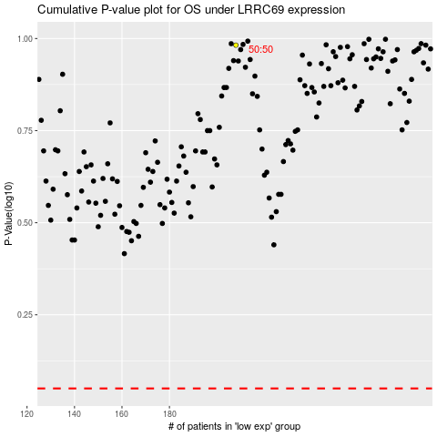

 |  |  |  |  |  | cases_OS | p_OS | rank | exp
 |  |  |  |  |  |  | cases_RFS | p_RFS | rank | exp

