LRRC8B _multivariate
Reported by Tex Li-Hsing Chi. tex@gate.sinica.edu.tw 2019-08-18

Table 2. The clinicopathological features of HNSCC cohort and LRRC8B expression. (Chi square test)
Cutoff at -0.182 (47.3%)
 |  | LRRC8B expression |  | LRRC8B expression |  | (Optimised)
 | Features | Low | (%) | High | (%) | Case no | P-value | Remark | Matthews
Gender | Female | 142 | 34.2 | 164 | 39.5 | 415 | 0.6517 | 0 | 0
2 | Male | 54 | 13 | 55 | 13.3
Age at diagnosis | <=65y | 124 | 29.9 | 150 | 36.1 | 415 | 0.3083 | 0 | 0
4 | >65y | 72 | 17.3 | 69 | 16.6
Clinical T Status | T1+T2 | 78 | 18.8 | 71 | 17.1 | 415 | 0.144 | 0 | 0
6 | T3+T4 | 118 | 28.4 | 148 | 35.7
Clinical N Status | N0 | 100 | 24.1 | 116 | 28 | 415 | 0.7656 | 0 | 0
8 | N1-3 | 96 | 23.1 | 103 | 24.8
Clinical M Status | M0 | 193 | 46.5 | 219 | 52.8 | 415 | 0.1045 | 0 | 0
10 | M1 | 3 | 0.7 | 0 | 0
Clinical Stage | Stage I+II | 54 | 13 | 48 | 11.6 | 415 | 0.2238 | 0 | 0
12 | Stage III+IV | 142 | 34.2 | 171 | 41.2
Surgical Margin status | Negative | 147 | 35.4 | 171 | 41.2 | 415 | 0.487 | 0 | 0
14 | Positive | 49 | 11.8 | 48 | 11.6
Tobacco Exposure | Low | 89 | 21.4 | 72 | 17.3 | 415 | 0.0116 | 1 | 0
16 | High | 107 | 25.8 | 147 | 35.4

Table 3. Univariate/Multivariate Cox's proportional hazards regression analyses on OS time of LRRC8B gene expression in HNSCC

 |  | Univariate |  |  |  | Multivariate
 | Features | HR | CI95%(L) | CI95%(H) | P-value | HR | CI95%(L) | CI95%(H) | P-value
1 | Female | 1 |  |  |  | 1
Gender | Male | 1.157 | 0.843 | 1.587 | 0.367 | 1.184 | 0.845 | 1.658 | 0.326
11 | <=65y | 1 |  |  |  | 1
Age at diagnosis | >65y | 1.329 | 0.99 | 1.784 | 0.058 | 1.346 | 0.989 | 1.832 | 0.059
12 | T1+T2 | 1 |  |  |  | 1
Clinical T Status | T3+T4 | 1.409 | 1.028 | 1.931 | 0.033 | 2.142 | 1.132 | 4.052 | 0.019
13 | N0 | 1 |  |  |  | 1
Clinical N Status | N1-3 | 1.185 | 0.89 | 1.577 | 0.246 | 1.208 | 0.846 | 1.726 | 0.298
14 | M0 | 1 |  |  |  | 1
Clinical M Status | M1 | 4.097 | 1.009 | 16.644 | 0.049 | 7.856 | 1.698 | 36.348 | 0.008
15 | Stage I+II | 1 |  |  |  | 1
Clinical Stage | Stage III+IV | 1.245 | 0.882 | 1.759 | 0.213 | 0.54 | 0.251 | 1.163 | 0.116
16 | Negative | 1 |  |  |  | 1
Surgical Margin status | Positive | 1.591 | 1.155 | 2.191 | 0.004 | 1.613 | 1.166 | 2.231 | 0.004
17 | Low | 1 |  |  |  | 1
Tobacco Exposure | High | 1.364 | 1.008 | 1.844 | 0.044 | 1.503 | 1.088 | 2.075 | 0.013
18 | Low | 1 |  |  |  | 1
RNAseq(z-score) | High | 0.714 | 0.536 | 0.952 | 0.022 | 0.748 | 0.555 | 1.008 | 0.056

Table 4. Univariate/Multivariate Cox's proportional hazards regression analyses on RFS time of LRRC8B gene expression in HNSCC

 |  | Univariate |  |  |  | Multivariate
 | Features | HR | CI95%(L) | CI95%(H) | P-value | HR | CI95%(L) | CI95%(H) | P-value
1 | Female | 1 |  |  |  | 1
Gender | Male | 1.157 | 0.843 | 1.587 | 0.367 | 1.184 | 0.845 | 1.658 | 0.326
11 | <=65y | 1 |  |  |  | 1
Age at diagnosis | >65y | 1.329 | 0.99 | 1.784 | 0.058 | 1.346 | 0.989 | 1.832 | 0.059
12 | T1+T2 | 1 |  |  |  | 1
Clinical T Status | T3+T4 | 1.409 | 1.028 | 1.931 | 0.033 | 2.142 | 1.132 | 4.052 | 0.019
13 | N0 | 1 |  |  |  | 1
Clinical N Status | N1-3 | 1.185 | 0.89 | 1.577 | 0.246 | 1.208 | 0.846 | 1.726 | 0.298
14 | M0 | 1 |  |  |  | 1
Clinical M Status | M1 | 4.097 | 1.009 | 16.644 | 0.049 | 7.856 | 1.698 | 36.348 | 0.008
15 | Stage I+II | 1 |  |  |  | 1
Clinical Stage | Stage III+IV | 1.245 | 0.882 | 1.759 | 0.213 | 0.54 | 0.251 | 1.163 | 0.116
16 | Negative | 1 |  |  |  | 1
Surgical Margin status | Positive | 1.591 | 1.155 | 2.191 | 0.004 | 1.613 | 1.166 | 2.231 | 0.004
17 | Low | 1 |  |  |  | 1
Tobacco Exposure | High | 1.364 | 1.008 | 1.844 | 0.044 | 1.503 | 1.088 | 2.075 | 0.013
18 | Low | 1 |  |  |  | 1
RNAseq(z-score) | High | 0.714 | 0.536 | 0.952 | 0.022 | 0.748 | 0.555 | 1.008 | 0.056

Kaplan-Meier survival estimate: Cutoff at -0.182 (47.3%)

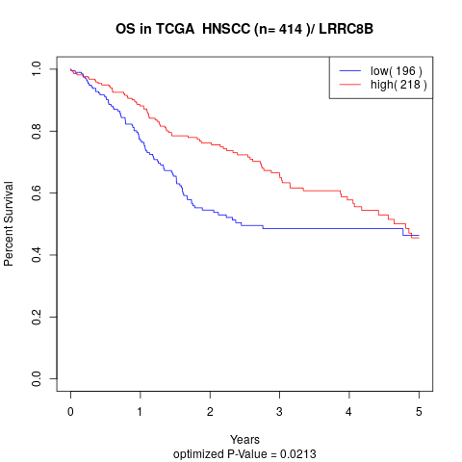

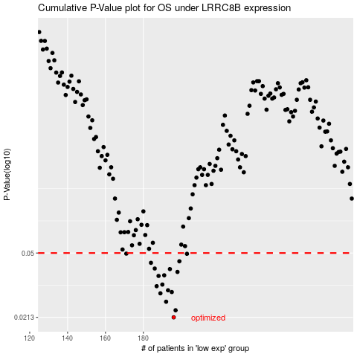

 |  |  |  |  |  | cases_OS | p_OS | rank | exp
 |  |  |  |  |  | 196 | 0.0213 | 343 | -0.18189659058
 |  |  |  |  |  | 197 | 0.0234 | 182 | -0.1803572174
 |  |  |  |  |  | 192 | 0.0262 | 194 | -0.20999080838
 |  |  |  |  |  | 189 | 0.0293 | 24 | -0.22456094653
 |  |  |  |  |  | 195 | 0.0298 | 61 | -0.18605794699
 |  |  |  |  |  | 193 | 0.0305 | 45 | -0.20416096498
 |  |  |  |  |  | 187 | 0.0322 | 354 | -0.25552827524
 |  |  |  |  |  | 190 | 0.0329 | 386 | -0.22129470906
 |  |  |  |  |  | 188 | 0.0369 | 206 | -0.23536048818
 |  |  |  |  |  | 191 | 0.0372 | 239 | -0.22093839702
 |  |  |  |  |  | 198 | 0.0389 | 269 | -0.17104077529
 |  |  |  |  |  | 194 | 0.0404 | 308 | -0.18855186827
 |  |  |  |  |  | 186 | 0.0407 | 236 | -0.25745341207
 |  |  |  |  |  | 184 | 0.0439 | 282 | -0.26537879097
 |  |  |  |  |  | 199 | 0.0448 | 112 | -0.1675802097
 |  |  |  |  |  | 203 | 0.0495 | 230 | -0.12537787607
 |  |  |  |  |  | 171 | 0.0496 | 321 | -0.34431571201
 |  |  |  |  |  |  | cases_RFS | p_RFS | rank | exp
 |  |  |  |  |  |  | 195 | 0.0213 | 61 | -0.18605794699
 |  |  |  |  |  |  | 196 | 0.0234 | 343 | -0.18189659058
 |  |  |  |  |  |  | 191 | 0.0262 | 239 | -0.22093839702
 |  |  |  |  |  |  | 188 | 0.0293 | 206 | -0.23536048818
 |  |  |  |  |  |  | 194 | 0.0298 | 308 | -0.18855186827
 |  |  |  |  |  |  | 192 | 0.0305 | 194 | -0.20999080838
 |  |  |  |  |  |  | 186 | 0.0322 | 236 | -0.25745341207
 |  |  |  |  |  |  | 189 | 0.0329 | 24 | -0.22456094653
 |  |  |  |  |  |  | 187 | 0.0369 | 354 | -0.25552827524
 |  |  |  |  |  |  | 190 | 0.0372 | 386 | -0.22129470906
 |  |  |  |  |  |  | 197 | 0.0389 | 182 | -0.1803572174
 |  |  |  |  |  |  | 193 | 0.0404 | 45 | -0.20416096498
 |  |  |  |  |  |  | 185 | 0.0407 | 198 | -0.26170443816
 |  |  |  |  |  |  | 183 | 0.0439 | 338 | -0.27241825455
 |  |  |  |  |  |  | 198 | 0.0448 | 269 | -0.17104077529
 |  |  |  |  |  |  | 202 | 0.0495 | 226 | -0.14047919526
 |  |  |  |  |  |  | 170 | 0.0496 | 66 | -0.34800216102

