LRRC8E _multivariate
Reported by Tex Li-Hsing Chi. tex@gate.sinica.edu.tw 2019-08-18

Table 2. The clinicopathological features of HNSCC cohort and LRRC8E expression. (Chi square test)
Cutoff at -0.398 (33.3%)
 |  | LRRC8E expression |  | LRRC8E expression |  | (Optimised)
 | Features | Low | (%) | High | (%) | Case no | P-value | Remark | Matthews
Gender | Female | 104 | 25.1 | 202 | 48.7 | 415 | 0.6794 | 0 | 0
2 | Male | 34 | 8.2 | 75 | 18.1
Age at diagnosis | <=65y | 91 | 21.9 | 183 | 44.1 | 415 | 1 | 0 | 0
4 | >65y | 47 | 11.3 | 94 | 22.7
Clinical T Status | T1+T2 | 66 | 15.9 | 83 | 20 | 415 | 5e-04 | 1 | 0
6 | T3+T4 | 72 | 17.3 | 194 | 46.7
Clinical N Status | N0 | 70 | 16.9 | 146 | 35.2 | 415 | 0.782 | 0 | 0
8 | N1-3 | 68 | 16.4 | 131 | 31.6
Clinical M Status | M0 | 136 | 32.8 | 276 | 66.5 | 415 | 0.2576 | 0 | 0
10 | M1 | 2 | 0.5 | 1 | 0.2
Clinical Stage | Stage I+II | 41 | 9.9 | 61 | 14.7 | 415 | 0.1112 | 0 | 0
12 | Stage III+IV | 97 | 23.4 | 216 | 52
Surgical Margin status | Negative | 101 | 24.3 | 217 | 52.3 | 415 | 0.2683 | 0 | 0
14 | Positive | 37 | 8.9 | 60 | 14.5
Tobacco Exposure | Low | 59 | 14.2 | 102 | 24.6 | 415 | 0.285 | 0 | 0
16 | High | 79 | 19 | 175 | 42.2

Table 3. Univariate/Multivariate Cox's proportional hazards regression analyses on OS time of LRRC8E gene expression in HNSCC

 |  | Univariate |  |  |  | Multivariate
 | Features | HR | CI95%(L) | CI95%(H) | P-value | HR | CI95%(L) | CI95%(H) | P-value
1 | Female | 1 |  |  |  | 1
Gender | Male | 1.157 | 0.843 | 1.587 | 0.367 | 1.25 | 0.895 | 1.745 | 0.19
11 | <=65y | 1 |  |  |  | 1
Age at diagnosis | >65y | 1.329 | 0.99 | 1.784 | 0.058 | 1.379 | 1.016 | 1.873 | 0.039
12 | T1+T2 | 1 |  |  |  | 1
Clinical T Status | T3+T4 | 1.409 | 1.028 | 1.931 | 0.033 | 2.486 | 1.307 | 4.731 | 0.006
13 | N0 | 1 |  |  |  | 1
Clinical N Status | N1-3 | 1.185 | 0.89 | 1.577 | 0.246 | 1.186 | 0.831 | 1.692 | 0.347
14 | M0 | 1 |  |  |  | 1
Clinical M Status | M1 | 4.097 | 1.009 | 16.644 | 0.049 | 9.334 | 2.035 | 42.807 | 0.004
15 | Stage I+II | 1 |  |  |  | 1
Clinical Stage | Stage III+IV | 1.245 | 0.882 | 1.759 | 0.213 | 0.508 | 0.237 | 1.092 | 0.083
16 | Negative | 1 |  |  |  | 1
Surgical Margin status | Positive | 1.591 | 1.155 | 2.191 | 0.004 | 1.606 | 1.161 | 2.221 | 0.004
17 | Low | 1 |  |  |  | 1
Tobacco Exposure | High | 1.364 | 1.008 | 1.844 | 0.044 | 1.498 | 1.089 | 2.061 | 0.013
18 | Low | 1 |  |  |  | 1
RNAseq(z-score) | High | 0.728 | 0.541 | 0.98 | 0.036 | 0.647 | 0.473 | 0.884 | 0.006

Table 4. Univariate/Multivariate Cox's proportional hazards regression analyses on RFS time of LRRC8E gene expression in HNSCC

 |  | Univariate |  |  |  | Multivariate
 | Features | HR | CI95%(L) | CI95%(H) | P-value | HR | CI95%(L) | CI95%(H) | P-value
1 | Female | 1 |  |  |  | 1
Gender | Male | 1.157 | 0.843 | 1.587 | 0.367 | 1.25 | 0.895 | 1.745 | 0.19
11 | <=65y | 1 |  |  |  | 1
Age at diagnosis | >65y | 1.329 | 0.99 | 1.784 | 0.058 | 1.379 | 1.016 | 1.873 | 0.039
12 | T1+T2 | 1 |  |  |  | 1
Clinical T Status | T3+T4 | 1.409 | 1.028 | 1.931 | 0.033 | 2.486 | 1.307 | 4.731 | 0.006
13 | N0 | 1 |  |  |  | 1
Clinical N Status | N1-3 | 1.185 | 0.89 | 1.577 | 0.246 | 1.186 | 0.831 | 1.692 | 0.347
14 | M0 | 1 |  |  |  | 1
Clinical M Status | M1 | 4.097 | 1.009 | 16.644 | 0.049 | 9.334 | 2.035 | 42.807 | 0.004
15 | Stage I+II | 1 |  |  |  | 1
Clinical Stage | Stage III+IV | 1.245 | 0.882 | 1.759 | 0.213 | 0.508 | 0.237 | 1.092 | 0.083
16 | Negative | 1 |  |  |  | 1
Surgical Margin status | Positive | 1.591 | 1.155 | 2.191 | 0.004 | 1.606 | 1.161 | 2.221 | 0.004
17 | Low | 1 |  |  |  | 1
Tobacco Exposure | High | 1.364 | 1.008 | 1.844 | 0.044 | 1.498 | 1.089 | 2.061 | 0.013
18 | Low | 1 |  |  |  | 1
RNAseq(z-score) | High | 0.728 | 0.541 | 0.98 | 0.036 | 0.647 | 0.473 | 0.884 | 0.006

Kaplan-Meier survival estimate: Cutoff at -0.398 (33.3%)



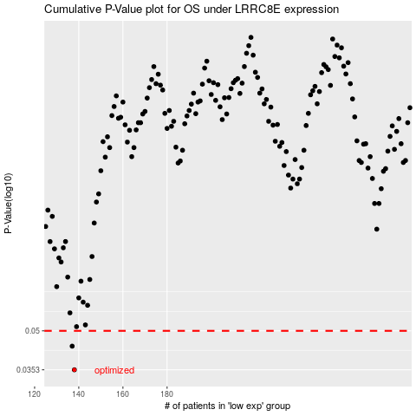

 |  |  |  |  |  | cases_OS | p_OS | rank | exp
 |  |  |  |  |  | 138 | 0.0353 | 403 | -0.39800944931
 |  |  |  |  |  | 137 | 0.0436 | 405 | -0.40026256308
 |  |  |  |  |  |  | cases_RFS | p_RFS | rank | exp
 |  |  |  |  |  |  | 137 | 0.0353 | 405 | -0.40026256308
 |  |  |  |  |  |  | 136 | 0.0436 | 207 | -0.40060899655

