LRRCC1 _multivariate
Reported by Tex Li-Hsing Chi. tex@gate.sinica.edu.tw 2019-08-18

Table 2. The clinicopathological features of HNSCC cohort and LRRCC1 expression. (Chi square test)
Cutoff at -0.212 (49.8%)
 |  | LRRCC1 expression |  | LRRCC1 expression |  | (Optimised)
 | Features | Low | (%) | High | (%) | Case no | P-value | Remark | Matthews
Gender | Female | 144 | 34.7 | 162 | 39 | 415 | 0.0697 | 0 | 0
2 | Male | 63 | 15.2 | 46 | 11.1
Age at diagnosis | <=65y | 132 | 31.8 | 142 | 34.2 | 415 | 0.3874 | 0 | 0
4 | >65y | 75 | 18.1 | 66 | 15.9
Clinical T Status | T1+T2 | 72 | 17.3 | 77 | 18.6 | 415 | 0.7095 | 0 | 0
6 | T3+T4 | 135 | 32.5 | 131 | 31.6
Clinical N Status | N0 | 117 | 28.2 | 99 | 23.9 | 415 | 0.0852 | 1 | 0
8 | N1-3 | 90 | 21.7 | 109 | 26.3
Clinical M Status | M0 | 205 | 49.4 | 207 | 49.9 | 415 | 0.6232 | 0 | 0
10 | M1 | 2 | 0.5 | 1 | 0.2
Clinical Stage | Stage I+II | 56 | 13.5 | 46 | 11.1 | 415 | 0.2918 | 0 | 0
12 | Stage III+IV | 151 | 36.4 | 162 | 39
Surgical Margin status | Negative | 165 | 39.8 | 153 | 36.9 | 415 | 0.1639 | 0 | 0
14 | Positive | 42 | 10.1 | 55 | 13.3
Tobacco Exposure | Low | 92 | 22.2 | 69 | 16.6 | 415 | 0.0206 | 1 | 0
16 | High | 115 | 27.7 | 139 | 33.5

Table 3. Univariate/Multivariate Cox's proportional hazards regression analyses on OS time of LRRCC1 gene expression in HNSCC

 |  | Univariate |  |  |  | Multivariate
 | Features | HR | CI95%(L) | CI95%(H) | P-value | HR | CI95%(L) | CI95%(H) | P-value
1 | Female | 1 |  |  |  | 1
Gender | Male | 1.157 | 0.843 | 1.587 | 0.367 | 1.197 | 0.857 | 1.673 | 0.291
11 | <=65y | 1 |  |  |  | 1
Age at diagnosis | >65y | 1.329 | 0.99 | 1.784 | 0.058 | 1.385 | 1.019 | 1.884 | 0.038
12 | T1+T2 | 1 |  |  |  | 1
Clinical T Status | T3+T4 | 1.409 | 1.028 | 1.931 | 0.033 | 2.16 | 1.138 | 4.101 | 0.018
13 | N0 | 1 |  |  |  | 1
Clinical N Status | N1-3 | 1.185 | 0.89 | 1.577 | 0.246 | 1.246 | 0.873 | 1.778 | 0.226
14 | M0 | 1 |  |  |  | 1
Clinical M Status | M1 | 4.097 | 1.009 | 16.644 | 0.049 | 8.992 | 1.945 | 41.564 | 0.005
15 | Stage I+II | 1 |  |  |  | 1
Clinical Stage | Stage III+IV | 1.245 | 0.882 | 1.759 | 0.213 | 0.513 | 0.239 | 1.104 | 0.088
16 | Negative | 1 |  |  |  | 1
Surgical Margin status | Positive | 1.591 | 1.155 | 2.191 | 0.004 | 1.686 | 1.219 | 2.334 | 0.002
17 | Low | 1 |  |  |  | 1
Tobacco Exposure | High | 1.364 | 1.008 | 1.844 | 0.044 | 1.463 | 1.06 | 2.018 | 0.02
18 | Low | 1 |  |  |  | 1
RNAseq(z-score) | High | 0.921 | 0.692 | 1.227 | 0.575 | 0.921 | 0.686 | 1.235 | 0.581

Table 4. Univariate/Multivariate Cox's proportional hazards regression analyses on RFS time of LRRCC1 gene expression in HNSCC

 |  | Univariate |  |  |  | Multivariate
 | Features | HR | CI95%(L) | CI95%(H) | P-value | HR | CI95%(L) | CI95%(H) | P-value
1 | Female | 1 |  |  |  | 1
Gender | Male | 1.157 | 0.843 | 1.587 | 0.367 | 1.197 | 0.857 | 1.673 | 0.291
11 | <=65y | 1 |  |  |  | 1
Age at diagnosis | >65y | 1.329 | 0.99 | 1.784 | 0.058 | 1.385 | 1.019 | 1.884 | 0.038
12 | T1+T2 | 1 |  |  |  | 1
Clinical T Status | T3+T4 | 1.409 | 1.028 | 1.931 | 0.033 | 2.16 | 1.138 | 4.101 | 0.018
13 | N0 | 1 |  |  |  | 1
Clinical N Status | N1-3 | 1.185 | 0.89 | 1.577 | 0.246 | 1.246 | 0.873 | 1.778 | 0.226
14 | M0 | 1 |  |  |  | 1
Clinical M Status | M1 | 4.097 | 1.009 | 16.644 | 0.049 | 8.992 | 1.945 | 41.564 | 0.005
15 | Stage I+II | 1 |  |  |  | 1
Clinical Stage | Stage III+IV | 1.245 | 0.882 | 1.759 | 0.213 | 0.513 | 0.239 | 1.104 | 0.088
16 | Negative | 1 |  |  |  | 1
Surgical Margin status | Positive | 1.591 | 1.155 | 2.191 | 0.004 | 1.686 | 1.219 | 2.334 | 0.002
17 | Low | 1 |  |  |  | 1
Tobacco Exposure | High | 1.364 | 1.008 | 1.844 | 0.044 | 1.463 | 1.06 | 2.018 | 0.02
18 | Low | 1 |  |  |  | 1
RNAseq(z-score) | High | 0.921 | 0.692 | 1.227 | 0.575 | 0.921 | 0.686 | 1.235 | 0.581

Kaplan-Meier survival estimate: Cutoff at -0.212 (49.8%)



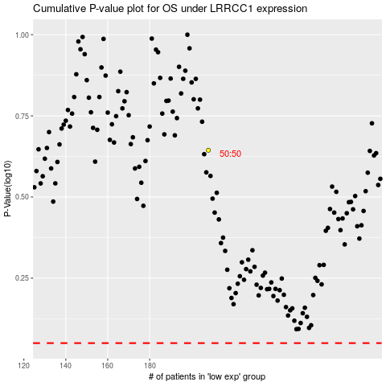

 |  |  |  |  |  | cases_OS | p_OS | rank | exp
 |  |  |  |  |  |  | cases_RFS | p_RFS | rank | exp

