LRRFIP1 _multivariate
Reported by Tex Li-Hsing Chi. tex@gate.sinica.edu.tw 2019-08-18

Table 2. The clinicopathological features of HNSCC cohort and LRRFIP1 expression. (Chi square test)
Cutoff at -0.061 (50.0%)
 |  | LRRFIP1 expression |  | LRRFIP1 expression |  | (Optimised)
 | Features | Low | (%) | High | (%) | Case no | P-value | Remark | Matthews
Gender | Female | 165 | 39.8 | 141 | 34 | 415 | 0.0081 | 1 | 0
2 | Male | 42 | 10.1 | 67 | 16.1
Age at diagnosis | <=65y | 137 | 33 | 137 | 33 | 415 | 1 | 0 | 0
4 | >65y | 70 | 16.9 | 71 | 17.1
Clinical T Status | T1+T2 | 66 | 15.9 | 83 | 20 | 415 | 0.1095 | 0 | 0
6 | T3+T4 | 141 | 34 | 125 | 30.1
Clinical N Status | N0 | 102 | 24.6 | 114 | 27.5 | 415 | 0.3031 | 0 | 0
8 | N1-3 | 105 | 25.3 | 94 | 22.7
Clinical M Status | M0 | 205 | 49.4 | 207 | 49.9 | 415 | 0.6232 | 0 | 0
10 | M1 | 2 | 0.5 | 1 | 0.2
Clinical Stage | Stage I+II | 39 | 9.4 | 63 | 15.2 | 415 | 0.0095 | 1 | 0
12 | Stage III+IV | 168 | 40.5 | 145 | 34.9
Surgical Margin status | Negative | 155 | 37.3 | 163 | 39.3 | 415 | 0.4187 | 0 | 0
14 | Positive | 52 | 12.5 | 45 | 10.8
Tobacco Exposure | Low | 74 | 17.8 | 87 | 21 | 415 | 0.227 | 0 | 0
16 | High | 133 | 32 | 121 | 29.2

Table 3. Univariate/Multivariate Cox's proportional hazards regression analyses on OS time of LRRFIP1 gene expression in HNSCC

 |  | Univariate |  |  |  | Multivariate
 | Features | HR | CI95%(L) | CI95%(H) | P-value | HR | CI95%(L) | CI95%(H) | P-value
1 | Female | 1 |  |  |  | 1
Gender | Male | 1.157 | 0.843 | 1.587 | 0.367 | 1.197 | 0.856 | 1.673 | 0.294
11 | <=65y | 1 |  |  |  | 1
Age at diagnosis | >65y | 1.329 | 0.99 | 1.784 | 0.058 | 1.394 | 1.025 | 1.895 | 0.034
12 | T1+T2 | 1 |  |  |  | 1
Clinical T Status | T3+T4 | 1.409 | 1.028 | 1.931 | 0.033 | 2.207 | 1.167 | 4.173 | 0.015
13 | N0 | 1 |  |  |  | 1
Clinical N Status | N1-3 | 1.185 | 0.89 | 1.577 | 0.246 | 1.244 | 0.871 | 1.775 | 0.23
14 | M0 | 1 |  |  |  | 1
Clinical M Status | M1 | 4.097 | 1.009 | 16.644 | 0.049 | 9.452 | 2.061 | 43.339 | 0.004
15 | Stage I+II | 1 |  |  |  | 1
Clinical Stage | Stage III+IV | 1.245 | 0.882 | 1.759 | 0.213 | 0.507 | 0.236 | 1.088 | 0.081
16 | Negative | 1 |  |  |  | 1
Surgical Margin status | Positive | 1.591 | 1.155 | 2.191 | 0.004 | 1.677 | 1.213 | 2.318 | 0.002
17 | Low | 1 |  |  |  | 1
Tobacco Exposure | High | 1.364 | 1.008 | 1.844 | 0.044 | 1.459 | 1.058 | 2.012 | 0.021
18 | Low | 1 |  |  |  | 1
RNAseq(z-score) | High | 0.975 | 0.732 | 1.298 | 0.86 | 1.051 | 0.784 | 1.409 | 0.739

Table 4. Univariate/Multivariate Cox's proportional hazards regression analyses on RFS time of LRRFIP1 gene expression in HNSCC

 |  | Univariate |  |  |  | Multivariate
 | Features | HR | CI95%(L) | CI95%(H) | P-value | HR | CI95%(L) | CI95%(H) | P-value
1 | Female | 1 |  |  |  | 1
Gender | Male | 1.157 | 0.843 | 1.587 | 0.367 | 1.197 | 0.856 | 1.673 | 0.294
11 | <=65y | 1 |  |  |  | 1
Age at diagnosis | >65y | 1.329 | 0.99 | 1.784 | 0.058 | 1.394 | 1.025 | 1.895 | 0.034
12 | T1+T2 | 1 |  |  |  | 1
Clinical T Status | T3+T4 | 1.409 | 1.028 | 1.931 | 0.033 | 2.207 | 1.167 | 4.173 | 0.015
13 | N0 | 1 |  |  |  | 1
Clinical N Status | N1-3 | 1.185 | 0.89 | 1.577 | 0.246 | 1.244 | 0.871 | 1.775 | 0.23
14 | M0 | 1 |  |  |  | 1
Clinical M Status | M1 | 4.097 | 1.009 | 16.644 | 0.049 | 9.452 | 2.061 | 43.339 | 0.004
15 | Stage I+II | 1 |  |  |  | 1
Clinical Stage | Stage III+IV | 1.245 | 0.882 | 1.759 | 0.213 | 0.507 | 0.236 | 1.088 | 0.081
16 | Negative | 1 |  |  |  | 1
Surgical Margin status | Positive | 1.591 | 1.155 | 2.191 | 0.004 | 1.677 | 1.213 | 2.318 | 0.002
17 | Low | 1 |  |  |  | 1
Tobacco Exposure | High | 1.364 | 1.008 | 1.844 | 0.044 | 1.459 | 1.058 | 2.012 | 0.021
18 | Low | 1 |  |  |  | 1
RNAseq(z-score) | High | 0.975 | 0.732 | 1.298 | 0.86 | 1.051 | 0.784 | 1.409 | 0.739

Kaplan-Meier survival estimate: Cutoff at -0.061 (50.0%)



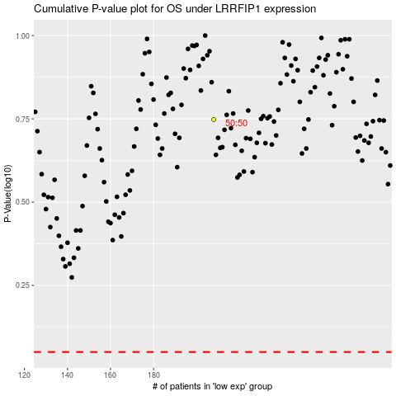

 |  |  |  |  |  | cases_OS | p_OS | rank | exp
 |  |  |  |  |  |  | cases_RFS | p_RFS | rank | exp

