LRRFIP2 _multivariate
Reported by Tex Li-Hsing Chi. tex@gate.sinica.edu.tw 2019-08-18

Table 2. The clinicopathological features of HNSCC cohort and LRRFIP2 expression. (Chi square test)
Cutoff at -0.33 (50.0%)
 |  | LRRFIP2 expression |  | LRRFIP2 expression |  | (Optimised)
 | Features | Low | (%) | High | (%) | Case no | P-value | Remark | Matthews
Gender | Female | 160 | 38.6 | 146 | 35.2 | 415 | 0.1254 | 0 | 0
2 | Male | 47 | 11.3 | 62 | 14.9
Age at diagnosis | <=65y | 139 | 33.5 | 135 | 32.5 | 415 | 0.7044 | 0 | 0
4 | >65y | 68 | 16.4 | 73 | 17.6
Clinical T Status | T1+T2 | 69 | 16.6 | 80 | 19.3 | 415 | 0.3239 | 0 | 0
6 | T3+T4 | 138 | 33.3 | 128 | 30.8
Clinical N Status | N0 | 109 | 26.3 | 107 | 25.8 | 415 | 0.8812 | 0 | 0
8 | N1-3 | 98 | 23.6 | 101 | 24.3
Clinical M Status | M0 | 205 | 49.4 | 207 | 49.9 | 415 | 0.6232 | 0 | 0
10 | M1 | 2 | 0.5 | 1 | 0.2
Clinical Stage | Stage I+II | 53 | 12.8 | 49 | 11.8 | 415 | 0.7113 | 0 | 0
12 | Stage III+IV | 154 | 37.1 | 159 | 38.3
Surgical Margin status | Negative | 165 | 39.8 | 153 | 36.9 | 415 | 0.1639 | 0 | 0
14 | Positive | 42 | 10.1 | 55 | 13.3
Tobacco Exposure | Low | 63 | 15.2 | 98 | 23.6 | 415 | 6e-04 | 1 | 0
16 | High | 144 | 34.7 | 110 | 26.5

Table 3. Univariate/Multivariate Cox's proportional hazards regression analyses on OS time of LRRFIP2 gene expression in HNSCC

 |  | Univariate |  |  |  | Multivariate
 | Features | HR | CI95%(L) | CI95%(H) | P-value | HR | CI95%(L) | CI95%(H) | P-value
1 | Female | 1 |  |  |  | 1
Gender | Male | 1.157 | 0.843 | 1.587 | 0.367 | 1.201 | 0.859 | 1.679 | 0.284
11 | <=65y | 1 |  |  |  | 1
Age at diagnosis | >65y | 1.329 | 0.99 | 1.784 | 0.058 | 1.391 | 1.024 | 1.892 | 0.035
12 | T1+T2 | 1 |  |  |  | 1
Clinical T Status | T3+T4 | 1.409 | 1.028 | 1.931 | 0.033 | 2.206 | 1.163 | 4.183 | 0.015
13 | N0 | 1 |  |  |  | 1
Clinical N Status | N1-3 | 1.185 | 0.89 | 1.577 | 0.246 | 1.241 | 0.87 | 1.772 | 0.234
14 | M0 | 1 |  |  |  | 1
Clinical M Status | M1 | 4.097 | 1.009 | 16.644 | 0.049 | 9.427 | 2.053 | 43.29 | 0.004
15 | Stage I+II | 1 |  |  |  | 1
Clinical Stage | Stage III+IV | 1.245 | 0.882 | 1.759 | 0.213 | 0.504 | 0.234 | 1.084 | 0.079
16 | Negative | 1 |  |  |  | 1
Surgical Margin status | Positive | 1.591 | 1.155 | 2.191 | 0.004 | 1.67 | 1.208 | 2.31 | 0.002
17 | Low | 1 |  |  |  | 1
Tobacco Exposure | High | 1.364 | 1.008 | 1.844 | 0.044 | 1.454 | 1.054 | 2.007 | 0.023
18 | Low | 1 |  |  |  | 1
RNAseq(z-score) | High | 0.969 | 0.727 | 1.29 | 0.827 | 1.008 | 0.752 | 1.353 | 0.955

Table 4. Univariate/Multivariate Cox's proportional hazards regression analyses on RFS time of LRRFIP2 gene expression in HNSCC

 |  | Univariate |  |  |  | Multivariate
 | Features | HR | CI95%(L) | CI95%(H) | P-value | HR | CI95%(L) | CI95%(H) | P-value
1 | Female | 1 |  |  |  | 1
Gender | Male | 1.157 | 0.843 | 1.587 | 0.367 | 1.201 | 0.859 | 1.679 | 0.284
11 | <=65y | 1 |  |  |  | 1
Age at diagnosis | >65y | 1.329 | 0.99 | 1.784 | 0.058 | 1.391 | 1.024 | 1.892 | 0.035
12 | T1+T2 | 1 |  |  |  | 1
Clinical T Status | T3+T4 | 1.409 | 1.028 | 1.931 | 0.033 | 2.206 | 1.163 | 4.183 | 0.015
13 | N0 | 1 |  |  |  | 1
Clinical N Status | N1-3 | 1.185 | 0.89 | 1.577 | 0.246 | 1.241 | 0.87 | 1.772 | 0.234
14 | M0 | 1 |  |  |  | 1
Clinical M Status | M1 | 4.097 | 1.009 | 16.644 | 0.049 | 9.427 | 2.053 | 43.29 | 0.004
15 | Stage I+II | 1 |  |  |  | 1
Clinical Stage | Stage III+IV | 1.245 | 0.882 | 1.759 | 0.213 | 0.504 | 0.234 | 1.084 | 0.079
16 | Negative | 1 |  |  |  | 1
Surgical Margin status | Positive | 1.591 | 1.155 | 2.191 | 0.004 | 1.67 | 1.208 | 2.31 | 0.002
17 | Low | 1 |  |  |  | 1
Tobacco Exposure | High | 1.364 | 1.008 | 1.844 | 0.044 | 1.454 | 1.054 | 2.007 | 0.023
18 | Low | 1 |  |  |  | 1
RNAseq(z-score) | High | 0.969 | 0.727 | 1.29 | 0.827 | 1.008 | 0.752 | 1.353 | 0.955

Kaplan-Meier survival estimate: Cutoff at -0.33 (50.0%)



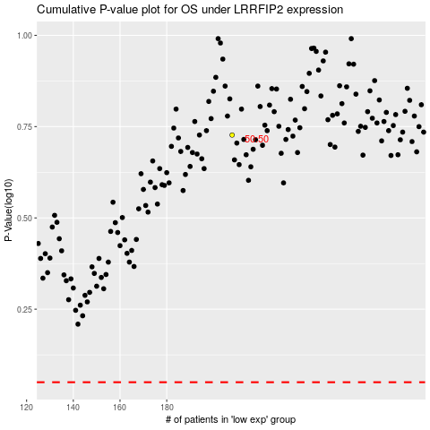

 |  |  |  |  |  | cases_OS | p_OS | rank | exp
 |  |  |  |  |  |  | cases_RFS | p_RFS | rank | exp

