LRRIQ1 _multivariate
Reported by Tex Li-Hsing Chi. tex@gate.sinica.edu.tw 2019-08-18

Table 2. The clinicopathological features of HNSCC cohort and LRRIQ1 expression. (Chi square test)
Cutoff at -0.164 (61.4%)
 |  | LRRIQ1 expression |  | LRRIQ1 expression |  | (Optimised)
 | Features | Low | (%) | High | (%) | Case no | P-value | Remark | Matthews
Gender | Female | 185 | 44.6 | 121 | 29.2 | 415 | 0.563 | 0 | 0
2 | Male | 70 | 16.9 | 39 | 9.4
Age at diagnosis | <=65y | 164 | 39.5 | 110 | 26.5 | 415 | 0.4109 | 0 | 0
4 | >65y | 91 | 21.9 | 50 | 12
Clinical T Status | T1+T2 | 91 | 21.9 | 58 | 14 | 415 | 0.9909 | 0 | 0
6 | T3+T4 | 164 | 39.5 | 102 | 24.6
Clinical N Status | N0 | 137 | 33 | 79 | 19 | 415 | 0.4458 | 0 | 0
8 | N1-3 | 118 | 28.4 | 81 | 19.5
Clinical M Status | M0 | 253 | 61 | 159 | 38.3 | 415 | 1 | 0 | 0
10 | M1 | 2 | 0.5 | 1 | 0.2
Clinical Stage | Stage I+II | 67 | 16.1 | 35 | 8.4 | 415 | 0.3702 | 0 | 0
12 | Stage III+IV | 188 | 45.3 | 125 | 30.1
Surgical Margin status | Negative | 196 | 47.2 | 122 | 29.4 | 415 | 0.9055 | 0 | 0
14 | Positive | 59 | 14.2 | 38 | 9.2
Tobacco Exposure | Low | 98 | 23.6 | 63 | 15.2 | 415 | 0.9176 | 0 | 0
16 | High | 157 | 37.8 | 97 | 23.4

Table 3. Univariate/Multivariate Cox's proportional hazards regression analyses on OS time of LRRIQ1 gene expression in HNSCC

 |  | Univariate |  |  |  | Multivariate
 | Features | HR | CI95%(L) | CI95%(H) | P-value | HR | CI95%(L) | CI95%(H) | P-value
1 | Female | 1 |  |  |  | 1
Gender | Male | 1.157 | 0.843 | 1.587 | 0.367 | 1.211 | 0.867 | 1.691 | 0.262
11 | <=65y | 1 |  |  |  | 1
Age at diagnosis | >65y | 1.329 | 0.99 | 1.784 | 0.058 | 1.378 | 1.014 | 1.873 | 0.041
12 | T1+T2 | 1 |  |  |  | 1
Clinical T Status | T3+T4 | 1.409 | 1.028 | 1.931 | 0.033 | 2.107 | 1.113 | 3.986 | 0.022
13 | N0 | 1 |  |  |  | 1
Clinical N Status | N1-3 | 1.185 | 0.89 | 1.577 | 0.246 | 1.247 | 0.874 | 1.78 | 0.223
14 | M0 | 1 |  |  |  | 1
Clinical M Status | M1 | 4.097 | 1.009 | 16.644 | 0.049 | 8.555 | 1.859 | 39.361 | 0.006
15 | Stage I+II | 1 |  |  |  | 1
Clinical Stage | Stage III+IV | 1.245 | 0.882 | 1.759 | 0.213 | 0.537 | 0.249 | 1.156 | 0.112
16 | Negative | 1 |  |  |  | 1
Surgical Margin status | Positive | 1.591 | 1.155 | 2.191 | 0.004 | 1.642 | 1.189 | 2.269 | 0.003
17 | Low | 1 |  |  |  | 1
Tobacco Exposure | High | 1.364 | 1.008 | 1.844 | 0.044 | 1.459 | 1.058 | 2.011 | 0.021
18 | Low | 1 |  |  |  | 1
RNAseq(z-score) | High | 0.736 | 0.543 | 0.997 | 0.048 | 0.767 | 0.564 | 1.043 | 0.091

Table 4. Univariate/Multivariate Cox's proportional hazards regression analyses on RFS time of LRRIQ1 gene expression in HNSCC

 |  | Univariate |  |  |  | Multivariate
 | Features | HR | CI95%(L) | CI95%(H) | P-value | HR | CI95%(L) | CI95%(H) | P-value
1 | Female | 1 |  |  |  | 1
Gender | Male | 1.157 | 0.843 | 1.587 | 0.367 | 1.211 | 0.867 | 1.691 | 0.262
11 | <=65y | 1 |  |  |  | 1
Age at diagnosis | >65y | 1.329 | 0.99 | 1.784 | 0.058 | 1.378 | 1.014 | 1.873 | 0.041
12 | T1+T2 | 1 |  |  |  | 1
Clinical T Status | T3+T4 | 1.409 | 1.028 | 1.931 | 0.033 | 2.107 | 1.113 | 3.986 | 0.022
13 | N0 | 1 |  |  |  | 1
Clinical N Status | N1-3 | 1.185 | 0.89 | 1.577 | 0.246 | 1.247 | 0.874 | 1.78 | 0.223
14 | M0 | 1 |  |  |  | 1
Clinical M Status | M1 | 4.097 | 1.009 | 16.644 | 0.049 | 8.555 | 1.859 | 39.361 | 0.006
15 | Stage I+II | 1 |  |  |  | 1
Clinical Stage | Stage III+IV | 1.245 | 0.882 | 1.759 | 0.213 | 0.537 | 0.249 | 1.156 | 0.112
16 | Negative | 1 |  |  |  | 1
Surgical Margin status | Positive | 1.591 | 1.155 | 2.191 | 0.004 | 1.642 | 1.189 | 2.269 | 0.003
17 | Low | 1 |  |  |  | 1
Tobacco Exposure | High | 1.364 | 1.008 | 1.844 | 0.044 | 1.459 | 1.058 | 2.011 | 0.021
18 | Low | 1 |  |  |  | 1
RNAseq(z-score) | High | 0.736 | 0.543 | 0.997 | 0.048 | 0.767 | 0.564 | 1.043 | 0.091

Kaplan-Meier survival estimate: Cutoff at -0.164 (61.4%)



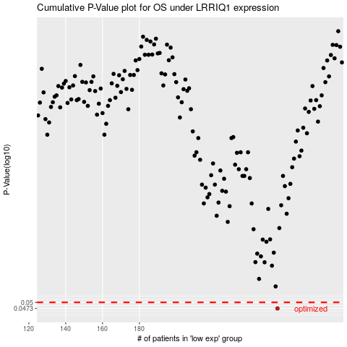

 |  |  |  |  |  | cases_OS | p_OS | rank | exp
 |  |  |  |  |  | 255 | 0.0473 | 271 | -0.16385871784
 |  |  |  |  |  |  | cases_RFS | p_RFS | rank | exp
 |  |  |  |  |  |  | 254 | 0.0473 | 90 | -0.16477274545

