LRRIQ3 _multivariate
Reported by Tex Li-Hsing Chi. tex@gate.sinica.edu.tw 2019-08-18

Table 2. The clinicopathological features of HNSCC cohort and LRRIQ3 expression. (Chi square test)
Cutoff at -0.241 (49.8%)
 |  | LRRIQ3 expression |  | LRRIQ3 expression |  | (Optimised)
 | Features | Low | (%) | High | (%) | Case no | P-value | Remark | Matthews
Gender | Female | 145 | 34.9 | 161 | 38.8 | 415 | 0.1116 | 0 | 0
2 | Male | 62 | 14.9 | 47 | 11.3
Age at diagnosis | <=65y | 131 | 31.6 | 143 | 34.5 | 415 | 0.2839 | 0 | 0
4 | >65y | 76 | 18.3 | 65 | 15.7
Clinical T Status | T1+T2 | 78 | 18.8 | 71 | 17.1 | 415 | 0.5152 | 0 | 0
6 | T3+T4 | 129 | 31.1 | 137 | 33
Clinical N Status | N0 | 115 | 27.7 | 101 | 24.3 | 415 | 0.184 | 1 | 0
8 | N1-3 | 92 | 22.2 | 107 | 25.8
Clinical M Status | M0 | 206 | 49.6 | 206 | 49.6 | 415 | 1 | 0 | 0
10 | M1 | 1 | 0.2 | 2 | 0.5
Clinical Stage | Stage I+II | 62 | 14.9 | 40 | 9.6 | 415 | 0.0154 | 1 | 0
12 | Stage III+IV | 145 | 34.9 | 168 | 40.5
Surgical Margin status | Negative | 159 | 38.3 | 159 | 38.3 | 415 | 1 | 0 | 0
14 | Positive | 48 | 11.6 | 49 | 11.8
Tobacco Exposure | Low | 90 | 21.7 | 71 | 17.1 | 415 | 0.0559 | 0 | 0
16 | High | 117 | 28.2 | 137 | 33

Table 3. Univariate/Multivariate Cox's proportional hazards regression analyses on OS time of LRRIQ3 gene expression in HNSCC

 |  | Univariate |  |  |  | Multivariate
 | Features | HR | CI95%(L) | CI95%(H) | P-value | HR | CI95%(L) | CI95%(H) | P-value
1 | Female | 1 |  |  |  | 1
Gender | Male | 1.157 | 0.843 | 1.587 | 0.367 | 1.208 | 0.864 | 1.687 | 0.269
11 | <=65y | 1 |  |  |  | 1
Age at diagnosis | >65y | 1.329 | 0.99 | 1.784 | 0.058 | 1.391 | 1.023 | 1.89 | 0.035
12 | T1+T2 | 1 |  |  |  | 1
Clinical T Status | T3+T4 | 1.409 | 1.028 | 1.931 | 0.033 | 2.255 | 1.188 | 4.283 | 0.013
13 | N0 | 1 |  |  |  | 1
Clinical N Status | N1-3 | 1.185 | 0.89 | 1.577 | 0.246 | 1.251 | 0.876 | 1.786 | 0.219
14 | M0 | 1 |  |  |  | 1
Clinical M Status | M1 | 4.097 | 1.009 | 16.644 | 0.049 | 9.493 | 2.07 | 43.531 | 0.004
15 | Stage I+II | 1 |  |  |  | 1
Clinical Stage | Stage III+IV | 1.245 | 0.882 | 1.759 | 0.213 | 0.484 | 0.223 | 1.05 | 0.066
16 | Negative | 1 |  |  |  | 1
Surgical Margin status | Positive | 1.591 | 1.155 | 2.191 | 0.004 | 1.676 | 1.213 | 2.316 | 0.002
17 | Low | 1 |  |  |  | 1
Tobacco Exposure | High | 1.364 | 1.008 | 1.844 | 0.044 | 1.43 | 1.034 | 1.977 | 0.031
18 | Low | 1 |  |  |  | 1
RNAseq(z-score) | High | 1.11 | 0.829 | 1.488 | 0.482 | 1.105 | 0.816 | 1.495 | 0.519

Table 4. Univariate/Multivariate Cox's proportional hazards regression analyses on RFS time of LRRIQ3 gene expression in HNSCC

 |  | Univariate |  |  |  | Multivariate
 | Features | HR | CI95%(L) | CI95%(H) | P-value | HR | CI95%(L) | CI95%(H) | P-value
1 | Female | 1 |  |  |  | 1
Gender | Male | 1.157 | 0.843 | 1.587 | 0.367 | 1.208 | 0.864 | 1.687 | 0.269
11 | <=65y | 1 |  |  |  | 1
Age at diagnosis | >65y | 1.329 | 0.99 | 1.784 | 0.058 | 1.391 | 1.023 | 1.89 | 0.035
12 | T1+T2 | 1 |  |  |  | 1
Clinical T Status | T3+T4 | 1.409 | 1.028 | 1.931 | 0.033 | 2.255 | 1.188 | 4.283 | 0.013
13 | N0 | 1 |  |  |  | 1
Clinical N Status | N1-3 | 1.185 | 0.89 | 1.577 | 0.246 | 1.251 | 0.876 | 1.786 | 0.219
14 | M0 | 1 |  |  |  | 1
Clinical M Status | M1 | 4.097 | 1.009 | 16.644 | 0.049 | 9.493 | 2.07 | 43.531 | 0.004
15 | Stage I+II | 1 |  |  |  | 1
Clinical Stage | Stage III+IV | 1.245 | 0.882 | 1.759 | 0.213 | 0.484 | 0.223 | 1.05 | 0.066
16 | Negative | 1 |  |  |  | 1
Surgical Margin status | Positive | 1.591 | 1.155 | 2.191 | 0.004 | 1.676 | 1.213 | 2.316 | 0.002
17 | Low | 1 |  |  |  | 1
Tobacco Exposure | High | 1.364 | 1.008 | 1.844 | 0.044 | 1.43 | 1.034 | 1.977 | 0.031
18 | Low | 1 |  |  |  | 1
RNAseq(z-score) | High | 1.11 | 0.829 | 1.488 | 0.482 | 1.105 | 0.816 | 1.495 | 0.519

Kaplan-Meier survival estimate: Cutoff at -0.241 (49.8%)



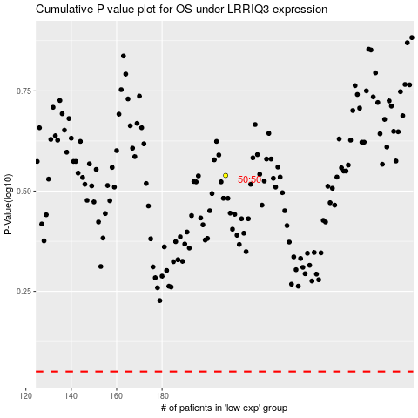

 |  |  |  |  |  | cases_OS | p_OS | rank | exp
 |  |  |  |  |  |  | cases_RFS | p_RFS | rank | exp

