LRRN4 _multivariate
Reported by Tex Li-Hsing Chi. tex@gate.sinica.edu.tw 2019-08-18

Table 2. The clinicopathological features of HNSCC cohort and LRRN4 expression. (Chi square test)
Cutoff at -0.276 (49.8%)
 |  | LRRN4 expression |  | LRRN4 expression |  | (Optimised)
 | Features | Low | (%) | High | (%) | Case no | P-value | Remark | Matthews
Gender | Female | 150 | 36.1 | 156 | 37.6 | 415 | 0.6344 | 0 | 0
2 | Male | 57 | 13.7 | 52 | 12.5
Age at diagnosis | <=65y | 138 | 33.3 | 136 | 32.8 | 415 | 0.8634 | 0 | 0
4 | >65y | 69 | 16.6 | 72 | 17.3
Clinical T Status | T1+T2 | 69 | 16.6 | 80 | 19.3 | 415 | 0.3239 | 0 | 0
6 | T3+T4 | 138 | 33.3 | 128 | 30.8
Clinical N Status | N0 | 106 | 25.5 | 110 | 26.5 | 415 | 0.8075 | 0 | 0
8 | N1-3 | 101 | 24.3 | 98 | 23.6
Clinical M Status | M0 | 206 | 49.6 | 206 | 49.6 | 415 | 1 | 0 | 0
10 | M1 | 1 | 0.2 | 2 | 0.5
Clinical Stage | Stage I+II | 44 | 10.6 | 58 | 14 | 415 | 0.1459 | 0 | 0
12 | Stage III+IV | 163 | 39.3 | 150 | 36.1
Surgical Margin status | Negative | 150 | 36.1 | 168 | 40.5 | 415 | 0.0492 | 1 | 0
14 | Positive | 57 | 13.7 | 40 | 9.6
Tobacco Exposure | Low | 81 | 19.5 | 80 | 19.3 | 415 | 0.9199 | 0 | 0
16 | High | 126 | 30.4 | 128 | 30.8

Table 3. Univariate/Multivariate Cox's proportional hazards regression analyses on OS time of LRRN4 gene expression in HNSCC

 |  | Univariate |  |  |  | Multivariate
 | Features | HR | CI95%(L) | CI95%(H) | P-value | HR | CI95%(L) | CI95%(H) | P-value
1 | Female | 1 |  |  |  | 1
Gender | Male | 1.157 | 0.843 | 1.587 | 0.367 | 1.209 | 0.865 | 1.689 | 0.266
11 | <=65y | 1 |  |  |  | 1
Age at diagnosis | >65y | 1.329 | 0.99 | 1.784 | 0.058 | 1.389 | 1.022 | 1.887 | 0.036
12 | T1+T2 | 1 |  |  |  | 1
Clinical T Status | T3+T4 | 1.409 | 1.028 | 1.931 | 0.033 | 2.185 | 1.156 | 4.131 | 0.016
13 | N0 | 1 |  |  |  | 1
Clinical N Status | N1-3 | 1.185 | 0.89 | 1.577 | 0.246 | 1.235 | 0.865 | 1.761 | 0.245
14 | M0 | 1 |  |  |  | 1
Clinical M Status | M1 | 4.097 | 1.009 | 16.644 | 0.049 | 8.713 | 1.895 | 40.07 | 0.005
15 | Stage I+II | 1 |  |  |  | 1
Clinical Stage | Stage III+IV | 1.245 | 0.882 | 1.759 | 0.213 | 0.531 | 0.247 | 1.142 | 0.105
16 | Negative | 1 |  |  |  | 1
Surgical Margin status | Positive | 1.591 | 1.155 | 2.191 | 0.004 | 1.701 | 1.23 | 2.352 | 0.001
17 | Low | 1 |  |  |  | 1
Tobacco Exposure | High | 1.364 | 1.008 | 1.844 | 0.044 | 1.425 | 1.033 | 1.964 | 0.031
18 | Low | 1 |  |  |  | 1
RNAseq(z-score) | High | 1.198 | 0.898 | 1.597 | 0.22 | 1.238 | 0.923 | 1.66 | 0.154

Table 4. Univariate/Multivariate Cox's proportional hazards regression analyses on RFS time of LRRN4 gene expression in HNSCC

 |  | Univariate |  |  |  | Multivariate
 | Features | HR | CI95%(L) | CI95%(H) | P-value | HR | CI95%(L) | CI95%(H) | P-value
1 | Female | 1 |  |  |  | 1
Gender | Male | 1.157 | 0.843 | 1.587 | 0.367 | 1.209 | 0.865 | 1.689 | 0.266
11 | <=65y | 1 |  |  |  | 1
Age at diagnosis | >65y | 1.329 | 0.99 | 1.784 | 0.058 | 1.389 | 1.022 | 1.887 | 0.036
12 | T1+T2 | 1 |  |  |  | 1
Clinical T Status | T3+T4 | 1.409 | 1.028 | 1.931 | 0.033 | 2.185 | 1.156 | 4.131 | 0.016
13 | N0 | 1 |  |  |  | 1
Clinical N Status | N1-3 | 1.185 | 0.89 | 1.577 | 0.246 | 1.235 | 0.865 | 1.761 | 0.245
14 | M0 | 1 |  |  |  | 1
Clinical M Status | M1 | 4.097 | 1.009 | 16.644 | 0.049 | 8.713 | 1.895 | 40.07 | 0.005
15 | Stage I+II | 1 |  |  |  | 1
Clinical Stage | Stage III+IV | 1.245 | 0.882 | 1.759 | 0.213 | 0.531 | 0.247 | 1.142 | 0.105
16 | Negative | 1 |  |  |  | 1
Surgical Margin status | Positive | 1.591 | 1.155 | 2.191 | 0.004 | 1.701 | 1.23 | 2.352 | 0.001
17 | Low | 1 |  |  |  | 1
Tobacco Exposure | High | 1.364 | 1.008 | 1.844 | 0.044 | 1.425 | 1.033 | 1.964 | 0.031
18 | Low | 1 |  |  |  | 1
RNAseq(z-score) | High | 1.198 | 0.898 | 1.597 | 0.22 | 1.238 | 0.923 | 1.66 | 0.154

Kaplan-Meier survival estimate: Cutoff at -0.276 (49.8%)



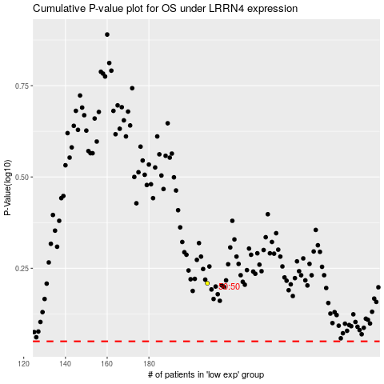

 |  |  |  |  |  | cases_OS | p_OS | rank | exp
 |  |  |  |  |  |  | cases_RFS | p_RFS | rank | exp

