LRTOMT _multivariate
Reported by Tex Li-Hsing Chi. tex@gate.sinica.edu.tw 2019-08-18

Table 2. The clinicopathological features of HNSCC cohort and LRTOMT expression. (Chi square test)
Cutoff at -0.254 (49.8%)
 |  | LRTOMT expression |  | LRTOMT expression |  | (Optimised)
 | Features | Low | (%) | High | (%) | Case no | P-value | Remark | Matthews
Gender | Female | 143 | 34.5 | 163 | 39.3 | 415 | 0.0416 | 1 | 0
2 | Male | 64 | 15.4 | 45 | 10.8
Age at diagnosis | <=65y | 123 | 29.6 | 151 | 36.4 | 415 | 0.0063 | 1 | 0
4 | >65y | 84 | 20.2 | 57 | 13.7
Clinical T Status | T1+T2 | 75 | 18.1 | 74 | 17.8 | 415 | 0.9707 | 0 | 0
6 | T3+T4 | 132 | 31.8 | 134 | 32.3
Clinical N Status | N0 | 105 | 25.3 | 111 | 26.7 | 415 | 0.6598 | 0 | 0
8 | N1-3 | 102 | 24.6 | 97 | 23.4
Clinical M Status | M0 | 205 | 49.4 | 207 | 49.9 | 415 | 0.6232 | 0 | 0
10 | M1 | 2 | 0.5 | 1 | 0.2
Clinical Stage | Stage I+II | 51 | 12.3 | 51 | 12.3 | 415 | 1 | 0 | 0
12 | Stage III+IV | 156 | 37.6 | 157 | 37.8
Surgical Margin status | Negative | 157 | 37.8 | 161 | 38.8 | 415 | 0.729 | 0 | 0
14 | Positive | 50 | 12 | 47 | 11.3
Tobacco Exposure | Low | 81 | 19.5 | 80 | 19.3 | 415 | 0.9199 | 0 | 0
16 | High | 126 | 30.4 | 128 | 30.8

Table 3. Univariate/Multivariate Cox's proportional hazards regression analyses on OS time of LRTOMT gene expression in HNSCC

 |  | Univariate |  |  |  | Multivariate
 | Features | HR | CI95%(L) | CI95%(H) | P-value | HR | CI95%(L) | CI95%(H) | P-value
1 | Female | 1 |  |  |  | 1
Gender | Male | 1.157 | 0.843 | 1.587 | 0.367 | 1.184 | 0.846 | 1.657 | 0.324
11 | <=65y | 1 |  |  |  | 1
Age at diagnosis | >65y | 1.329 | 0.99 | 1.784 | 0.058 | 1.326 | 0.969 | 1.814 | 0.078
12 | T1+T2 | 1 |  |  |  | 1
Clinical T Status | T3+T4 | 1.409 | 1.028 | 1.931 | 0.033 | 2.187 | 1.156 | 4.135 | 0.016
13 | N0 | 1 |  |  |  | 1
Clinical N Status | N1-3 | 1.185 | 0.89 | 1.577 | 0.246 | 1.23 | 0.862 | 1.754 | 0.254
14 | M0 | 1 |  |  |  | 1
Clinical M Status | M1 | 4.097 | 1.009 | 16.644 | 0.049 | 9.068 | 1.977 | 41.587 | 0.005
15 | Stage I+II | 1 |  |  |  | 1
Clinical Stage | Stage III+IV | 1.245 | 0.882 | 1.759 | 0.213 | 0.515 | 0.24 | 1.106 | 0.089
16 | Negative | 1 |  |  |  | 1
Surgical Margin status | Positive | 1.591 | 1.155 | 2.191 | 0.004 | 1.667 | 1.206 | 2.302 | 0.002
17 | Low | 1 |  |  |  | 1
Tobacco Exposure | High | 1.364 | 1.008 | 1.844 | 0.044 | 1.466 | 1.063 | 2.021 | 0.02
18 | Low | 1 |  |  |  | 1
RNAseq(z-score) | High | 0.753 | 0.565 | 1.004 | 0.053 | 0.792 | 0.589 | 1.065 | 0.123

Table 4. Univariate/Multivariate Cox's proportional hazards regression analyses on RFS time of LRTOMT gene expression in HNSCC

 |  | Univariate |  |  |  | Multivariate
 | Features | HR | CI95%(L) | CI95%(H) | P-value | HR | CI95%(L) | CI95%(H) | P-value
1 | Female | 1 |  |  |  | 1
Gender | Male | 1.157 | 0.843 | 1.587 | 0.367 | 1.184 | 0.846 | 1.657 | 0.324
11 | <=65y | 1 |  |  |  | 1
Age at diagnosis | >65y | 1.329 | 0.99 | 1.784 | 0.058 | 1.326 | 0.969 | 1.814 | 0.078
12 | T1+T2 | 1 |  |  |  | 1
Clinical T Status | T3+T4 | 1.409 | 1.028 | 1.931 | 0.033 | 2.187 | 1.156 | 4.135 | 0.016
13 | N0 | 1 |  |  |  | 1
Clinical N Status | N1-3 | 1.185 | 0.89 | 1.577 | 0.246 | 1.23 | 0.862 | 1.754 | 0.254
14 | M0 | 1 |  |  |  | 1
Clinical M Status | M1 | 4.097 | 1.009 | 16.644 | 0.049 | 9.068 | 1.977 | 41.587 | 0.005
15 | Stage I+II | 1 |  |  |  | 1
Clinical Stage | Stage III+IV | 1.245 | 0.882 | 1.759 | 0.213 | 0.515 | 0.24 | 1.106 | 0.089
16 | Negative | 1 |  |  |  | 1
Surgical Margin status | Positive | 1.591 | 1.155 | 2.191 | 0.004 | 1.667 | 1.206 | 2.302 | 0.002
17 | Low | 1 |  |  |  | 1
Tobacco Exposure | High | 1.364 | 1.008 | 1.844 | 0.044 | 1.466 | 1.063 | 2.021 | 0.02
18 | Low | 1 |  |  |  | 1
RNAseq(z-score) | High | 0.753 | 0.565 | 1.004 | 0.053 | 0.792 | 0.589 | 1.065 | 0.123

Kaplan-Meier survival estimate: Cutoff at -0.254 (49.8%)



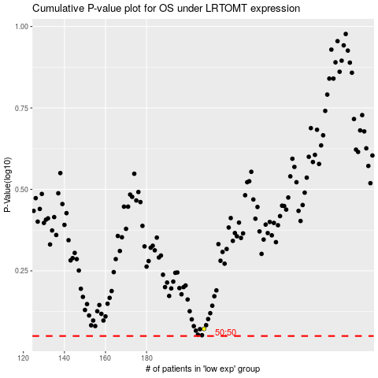

 |  |  |  |  |  | cases_OS | p_OS | rank | exp
 |  |  |  |  |  |  | cases_RFS | p_RFS | rank | exp

