LSG1 _multivariate
Reported by Tex Li-Hsing Chi. tex@gate.sinica.edu.tw 2019-08-18

Table 2. The clinicopathological features of HNSCC cohort and LSG1 expression. (Chi square test)
Cutoff at -0.205 (49.8%)
 |  | LSG1 expression |  | LSG1 expression |  | (Optimised)
 | Features | Low | (%) | High | (%) | Case no | P-value | Remark | Matthews
Gender | Female | 140 | 33.7 | 166 | 40 | 415 | 0.0068 | 1 | 0
2 | Male | 67 | 16.1 | 42 | 10.1
Age at diagnosis | <=65y | 129 | 31.1 | 145 | 34.9 | 415 | 0.1372 | 0 | 0
4 | >65y | 78 | 18.8 | 63 | 15.2
Clinical T Status | T1+T2 | 73 | 17.6 | 76 | 18.3 | 415 | 0.8666 | 0 | 0
6 | T3+T4 | 134 | 32.3 | 132 | 31.8
Clinical N Status | N0 | 106 | 25.5 | 110 | 26.5 | 415 | 0.8075 | 0 | 0
8 | N1-3 | 101 | 24.3 | 98 | 23.6
Clinical M Status | M0 | 207 | 49.9 | 205 | 49.4 | 415 | 0.2482 | 0 | 0
10 | M1 | 0 | 0 | 3 | 0.7
Clinical Stage | Stage I+II | 53 | 12.8 | 49 | 11.8 | 415 | 0.7113 | 0 | 0
12 | Stage III+IV | 154 | 37.1 | 159 | 38.3
Surgical Margin status | Negative | 157 | 37.8 | 161 | 38.8 | 415 | 0.729 | 0 | 0
14 | Positive | 50 | 12 | 47 | 11.3
Tobacco Exposure | Low | 96 | 23.1 | 65 | 15.7 | 415 | 0.0018 | 1 | 0
16 | High | 111 | 26.7 | 143 | 34.5

Table 3. Univariate/Multivariate Cox's proportional hazards regression analyses on OS time of LSG1 gene expression in HNSCC

 |  | Univariate |  |  |  | Multivariate
 | Features | HR | CI95%(L) | CI95%(H) | P-value | HR | CI95%(L) | CI95%(H) | P-value
1 | Female | 1 |  |  |  | 1
Gender | Male | 1.157 | 0.843 | 1.587 | 0.367 | 1.227 | 0.875 | 1.721 | 0.237
11 | <=65y | 1 |  |  |  | 1
Age at diagnosis | >65y | 1.329 | 0.99 | 1.784 | 0.058 | 1.39 | 1.023 | 1.89 | 0.035
12 | T1+T2 | 1 |  |  |  | 1
Clinical T Status | T3+T4 | 1.409 | 1.028 | 1.931 | 0.033 | 2.22 | 1.174 | 4.2 | 0.014
13 | N0 | 1 |  |  |  | 1
Clinical N Status | N1-3 | 1.185 | 0.89 | 1.577 | 0.246 | 1.248 | 0.874 | 1.782 | 0.223
14 | M0 | 1 |  |  |  | 1
Clinical M Status | M1 | 4.097 | 1.009 | 16.644 | 0.049 | 8.987 | 1.952 | 41.366 | 0.005
15 | Stage I+II | 1 |  |  |  | 1
Clinical Stage | Stage III+IV | 1.245 | 0.882 | 1.759 | 0.213 | 0.498 | 0.232 | 1.07 | 0.074
16 | Negative | 1 |  |  |  | 1
Surgical Margin status | Positive | 1.591 | 1.155 | 2.191 | 0.004 | 1.68 | 1.215 | 2.323 | 0.002
17 | Low | 1 |  |  |  | 1
Tobacco Exposure | High | 1.364 | 1.008 | 1.844 | 0.044 | 1.434 | 1.039 | 1.979 | 0.028
18 | Low | 1 |  |  |  | 1
RNAseq(z-score) | High | 1.108 | 0.831 | 1.477 | 0.484 | 1.123 | 0.834 | 1.512 | 0.443

Table 4. Univariate/Multivariate Cox's proportional hazards regression analyses on RFS time of LSG1 gene expression in HNSCC

 |  | Univariate |  |  |  | Multivariate
 | Features | HR | CI95%(L) | CI95%(H) | P-value | HR | CI95%(L) | CI95%(H) | P-value
1 | Female | 1 |  |  |  | 1
Gender | Male | 1.157 | 0.843 | 1.587 | 0.367 | 1.227 | 0.875 | 1.721 | 0.237
11 | <=65y | 1 |  |  |  | 1
Age at diagnosis | >65y | 1.329 | 0.99 | 1.784 | 0.058 | 1.39 | 1.023 | 1.89 | 0.035
12 | T1+T2 | 1 |  |  |  | 1
Clinical T Status | T3+T4 | 1.409 | 1.028 | 1.931 | 0.033 | 2.22 | 1.174 | 4.2 | 0.014
13 | N0 | 1 |  |  |  | 1
Clinical N Status | N1-3 | 1.185 | 0.89 | 1.577 | 0.246 | 1.248 | 0.874 | 1.782 | 0.223
14 | M0 | 1 |  |  |  | 1
Clinical M Status | M1 | 4.097 | 1.009 | 16.644 | 0.049 | 8.987 | 1.952 | 41.366 | 0.005
15 | Stage I+II | 1 |  |  |  | 1
Clinical Stage | Stage III+IV | 1.245 | 0.882 | 1.759 | 0.213 | 0.498 | 0.232 | 1.07 | 0.074
16 | Negative | 1 |  |  |  | 1
Surgical Margin status | Positive | 1.591 | 1.155 | 2.191 | 0.004 | 1.68 | 1.215 | 2.323 | 0.002
17 | Low | 1 |  |  |  | 1
Tobacco Exposure | High | 1.364 | 1.008 | 1.844 | 0.044 | 1.434 | 1.039 | 1.979 | 0.028
18 | Low | 1 |  |  |  | 1
RNAseq(z-score) | High | 1.108 | 0.831 | 1.477 | 0.484 | 1.123 | 0.834 | 1.512 | 0.443

Kaplan-Meier survival estimate: Cutoff at -0.205 (49.8%)



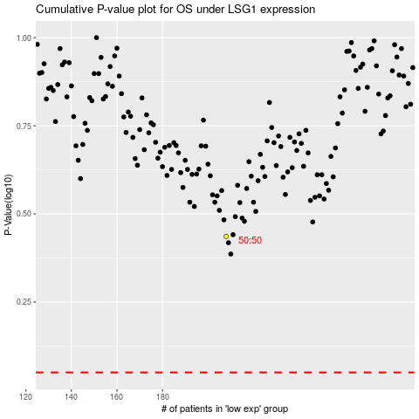

 |  |  |  |  |  | cases_OS | p_OS | rank | exp
 |  |  |  |  |  |  | cases_RFS | p_RFS | rank | exp

