LSM10 _multivariate
Reported by Tex Li-Hsing Chi. tex@gate.sinica.edu.tw 2019-08-18

Table 2. The clinicopathological features of HNSCC cohort and LSM10 expression. (Chi square test)
Cutoff at -0.21 (50.0%)
 |  | LSM10 expression |  | LSM10 expression |  | (Optimised)
 | Features | Low | (%) | High | (%) | Case no | P-value | Remark | Matthews
Gender | Female | 150 | 36.1 | 156 | 37.6 | 415 | 0.6344 | 0 | 0
2 | Male | 57 | 13.7 | 52 | 12.5
Age at diagnosis | <=65y | 128 | 30.8 | 146 | 35.2 | 415 | 0.0904 | 0 | 0
4 | >65y | 79 | 19 | 62 | 14.9
Clinical T Status | T1+T2 | 80 | 19.3 | 69 | 16.6 | 415 | 0.2891 | 0 | 0
6 | T3+T4 | 127 | 30.6 | 139 | 33.5
Clinical N Status | N0 | 114 | 27.5 | 102 | 24.6 | 415 | 0.2576 | 1 | 0
8 | N1-3 | 93 | 22.4 | 106 | 25.5
Clinical M Status | M0 | 206 | 49.6 | 206 | 49.6 | 415 | 1 | 0 | 0
10 | M1 | 1 | 0.2 | 2 | 0.5
Clinical Stage | Stage I+II | 54 | 13 | 48 | 11.6 | 415 | 0.5498 | 0 | 0
12 | Stage III+IV | 153 | 36.9 | 160 | 38.6
Surgical Margin status | Negative | 159 | 38.3 | 159 | 38.3 | 415 | 1 | 0 | 0
14 | Positive | 48 | 11.6 | 49 | 11.8
Tobacco Exposure | Low | 90 | 21.7 | 71 | 17.1 | 415 | 0.0559 | 0 | 0
16 | High | 117 | 28.2 | 137 | 33

Table 3. Univariate/Multivariate Cox's proportional hazards regression analyses on OS time of LSM10 gene expression in HNSCC

 |  | Univariate |  |  |  | Multivariate
 | Features | HR | CI95%(L) | CI95%(H) | P-value | HR | CI95%(L) | CI95%(H) | P-value
1 | Female | 1 |  |  |  | 1
Gender | Male | 1.157 | 0.843 | 1.587 | 0.367 | 1.209 | 0.865 | 1.69 | 0.266
11 | <=65y | 1 |  |  |  | 1
Age at diagnosis | >65y | 1.329 | 0.99 | 1.784 | 0.058 | 1.379 | 1.014 | 1.876 | 0.041
12 | T1+T2 | 1 |  |  |  | 1
Clinical T Status | T3+T4 | 1.409 | 1.028 | 1.931 | 0.033 | 2.25 | 1.187 | 4.266 | 0.013
13 | N0 | 1 |  |  |  | 1
Clinical N Status | N1-3 | 1.185 | 0.89 | 1.577 | 0.246 | 1.252 | 0.877 | 1.788 | 0.216
14 | M0 | 1 |  |  |  | 1
Clinical M Status | M1 | 4.097 | 1.009 | 16.644 | 0.049 | 9.921 | 2.151 | 45.769 | 0.003
15 | Stage I+II | 1 |  |  |  | 1
Clinical Stage | Stage III+IV | 1.245 | 0.882 | 1.759 | 0.213 | 0.491 | 0.228 | 1.057 | 0.069
16 | Negative | 1 |  |  |  | 1
Surgical Margin status | Positive | 1.591 | 1.155 | 2.191 | 0.004 | 1.686 | 1.219 | 2.333 | 0.002
17 | Low | 1 |  |  |  | 1
Tobacco Exposure | High | 1.364 | 1.008 | 1.844 | 0.044 | 1.472 | 1.066 | 2.032 | 0.019
18 | Low | 1 |  |  |  | 1
RNAseq(z-score) | High | 0.963 | 0.722 | 1.286 | 0.801 | 0.891 | 0.663 | 1.196 | 0.442

Table 4. Univariate/Multivariate Cox's proportional hazards regression analyses on RFS time of LSM10 gene expression in HNSCC

 |  | Univariate |  |  |  | Multivariate
 | Features | HR | CI95%(L) | CI95%(H) | P-value | HR | CI95%(L) | CI95%(H) | P-value
1 | Female | 1 |  |  |  | 1
Gender | Male | 1.157 | 0.843 | 1.587 | 0.367 | 1.209 | 0.865 | 1.69 | 0.266
11 | <=65y | 1 |  |  |  | 1
Age at diagnosis | >65y | 1.329 | 0.99 | 1.784 | 0.058 | 1.379 | 1.014 | 1.876 | 0.041
12 | T1+T2 | 1 |  |  |  | 1
Clinical T Status | T3+T4 | 1.409 | 1.028 | 1.931 | 0.033 | 2.25 | 1.187 | 4.266 | 0.013
13 | N0 | 1 |  |  |  | 1
Clinical N Status | N1-3 | 1.185 | 0.89 | 1.577 | 0.246 | 1.252 | 0.877 | 1.788 | 0.216
14 | M0 | 1 |  |  |  | 1
Clinical M Status | M1 | 4.097 | 1.009 | 16.644 | 0.049 | 9.921 | 2.151 | 45.769 | 0.003
15 | Stage I+II | 1 |  |  |  | 1
Clinical Stage | Stage III+IV | 1.245 | 0.882 | 1.759 | 0.213 | 0.491 | 0.228 | 1.057 | 0.069
16 | Negative | 1 |  |  |  | 1
Surgical Margin status | Positive | 1.591 | 1.155 | 2.191 | 0.004 | 1.686 | 1.219 | 2.333 | 0.002
17 | Low | 1 |  |  |  | 1
Tobacco Exposure | High | 1.364 | 1.008 | 1.844 | 0.044 | 1.472 | 1.066 | 2.032 | 0.019
18 | Low | 1 |  |  |  | 1
RNAseq(z-score) | High | 0.963 | 0.722 | 1.286 | 0.801 | 0.891 | 0.663 | 1.196 | 0.442

Kaplan-Meier survival estimate: Cutoff at -0.21 (50.0%)



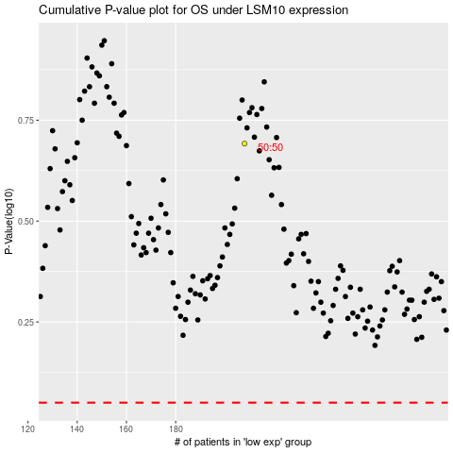

 |  |  |  |  |  | cases_OS | p_OS | rank | exp
 |  |  |  |  |  |  | cases_RFS | p_RFS | rank | exp

