LSM11 _multivariate
Reported by Tex Li-Hsing Chi. tex@gate.sinica.edu.tw 2019-08-18

Table 2. The clinicopathological features of HNSCC cohort and LSM11 expression. (Chi square test)
Cutoff at -0.1 (49.8%)
 |  | LSM11 expression |  | LSM11 expression |  | (Optimised)
 | Features | Low | (%) | High | (%) | Case no | P-value | Remark | Matthews
Gender | Female | 152 | 36.6 | 154 | 37.1 | 415 | 0.9766 | 0 | 0
2 | Male | 55 | 13.3 | 54 | 13
Age at diagnosis | <=65y | 140 | 33.7 | 134 | 32.3 | 415 | 0.5574 | 0 | 0
4 | >65y | 67 | 16.1 | 74 | 17.8
Clinical T Status | T1+T2 | 73 | 17.6 | 76 | 18.3 | 415 | 0.8666 | 0 | 0
6 | T3+T4 | 134 | 32.3 | 132 | 31.8
Clinical N Status | N0 | 112 | 27 | 104 | 25.1 | 415 | 0.4599 | 0 | 0
8 | N1-3 | 95 | 22.9 | 104 | 25.1
Clinical M Status | M0 | 205 | 49.4 | 207 | 49.9 | 415 | 0.6232 | 0 | 0
10 | M1 | 2 | 0.5 | 1 | 0.2
Clinical Stage | Stage I+II | 52 | 12.5 | 50 | 12 | 415 | 0.8871 | 0 | 0
12 | Stage III+IV | 155 | 37.3 | 158 | 38.1
Surgical Margin status | Negative | 170 | 41 | 148 | 35.7 | 415 | 0.0105 | 1 | 0
14 | Positive | 37 | 8.9 | 60 | 14.5
Tobacco Exposure | Low | 78 | 18.8 | 83 | 20 | 415 | 0.6873 | 0 | 0
16 | High | 129 | 31.1 | 125 | 30.1

Table 3. Univariate/Multivariate Cox's proportional hazards regression analyses on OS time of LSM11 gene expression in HNSCC

 |  | Univariate |  |  |  | Multivariate
 | Features | HR | CI95%(L) | CI95%(H) | P-value | HR | CI95%(L) | CI95%(H) | P-value
1 | Female | 1 |  |  |  | 1
Gender | Male | 1.157 | 0.843 | 1.587 | 0.367 | 1.207 | 0.864 | 1.687 | 0.27
11 | <=65y | 1 |  |  |  | 1
Age at diagnosis | >65y | 1.329 | 0.99 | 1.784 | 0.058 | 1.379 | 1.013 | 1.878 | 0.041
12 | T1+T2 | 1 |  |  |  | 1
Clinical T Status | T3+T4 | 1.409 | 1.028 | 1.931 | 0.033 | 2.219 | 1.173 | 4.197 | 0.014
13 | N0 | 1 |  |  |  | 1
Clinical N Status | N1-3 | 1.185 | 0.89 | 1.577 | 0.246 | 1.235 | 0.865 | 1.763 | 0.245
14 | M0 | 1 |  |  |  | 1
Clinical M Status | M1 | 4.097 | 1.009 | 16.644 | 0.049 | 9.776 | 2.123 | 45.011 | 0.003
15 | Stage I+II | 1 |  |  |  | 1
Clinical Stage | Stage III+IV | 1.245 | 0.882 | 1.759 | 0.213 | 0.503 | 0.234 | 1.079 | 0.077
16 | Negative | 1 |  |  |  | 1
Surgical Margin status | Positive | 1.591 | 1.155 | 2.191 | 0.004 | 1.656 | 1.197 | 2.291 | 0.002
17 | Low | 1 |  |  |  | 1
Tobacco Exposure | High | 1.364 | 1.008 | 1.844 | 0.044 | 1.467 | 1.063 | 2.024 | 0.02
18 | Low | 1 |  |  |  | 1
RNAseq(z-score) | High | 1.104 | 0.829 | 1.47 | 0.497 | 1.104 | 0.825 | 1.477 | 0.507

Table 4. Univariate/Multivariate Cox's proportional hazards regression analyses on RFS time of LSM11 gene expression in HNSCC

 |  | Univariate |  |  |  | Multivariate
 | Features | HR | CI95%(L) | CI95%(H) | P-value | HR | CI95%(L) | CI95%(H) | P-value
1 | Female | 1 |  |  |  | 1
Gender | Male | 1.157 | 0.843 | 1.587 | 0.367 | 1.207 | 0.864 | 1.687 | 0.27
11 | <=65y | 1 |  |  |  | 1
Age at diagnosis | >65y | 1.329 | 0.99 | 1.784 | 0.058 | 1.379 | 1.013 | 1.878 | 0.041
12 | T1+T2 | 1 |  |  |  | 1
Clinical T Status | T3+T4 | 1.409 | 1.028 | 1.931 | 0.033 | 2.219 | 1.173 | 4.197 | 0.014
13 | N0 | 1 |  |  |  | 1
Clinical N Status | N1-3 | 1.185 | 0.89 | 1.577 | 0.246 | 1.235 | 0.865 | 1.763 | 0.245
14 | M0 | 1 |  |  |  | 1
Clinical M Status | M1 | 4.097 | 1.009 | 16.644 | 0.049 | 9.776 | 2.123 | 45.011 | 0.003
15 | Stage I+II | 1 |  |  |  | 1
Clinical Stage | Stage III+IV | 1.245 | 0.882 | 1.759 | 0.213 | 0.503 | 0.234 | 1.079 | 0.077
16 | Negative | 1 |  |  |  | 1
Surgical Margin status | Positive | 1.591 | 1.155 | 2.191 | 0.004 | 1.656 | 1.197 | 2.291 | 0.002
17 | Low | 1 |  |  |  | 1
Tobacco Exposure | High | 1.364 | 1.008 | 1.844 | 0.044 | 1.467 | 1.063 | 2.024 | 0.02
18 | Low | 1 |  |  |  | 1
RNAseq(z-score) | High | 1.104 | 0.829 | 1.47 | 0.497 | 1.104 | 0.825 | 1.477 | 0.507

Kaplan-Meier survival estimate: Cutoff at -0.1 (49.8%)



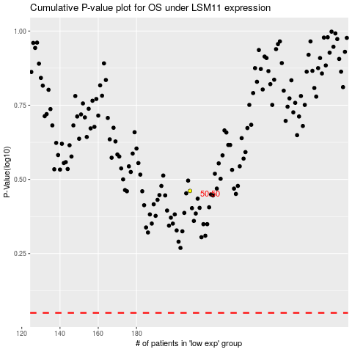

 |  |  |  |  |  | cases_OS | p_OS | rank | exp
 |  |  |  |  |  |  | cases_RFS | p_RFS | rank | exp

