LSM14A _multivariate
Reported by Tex Li-Hsing Chi. tex@gate.sinica.edu.tw 2019-08-18

Table 2. The clinicopathological features of HNSCC cohort and LSM14A expression. (Chi square test)
Cutoff at -0.134 (50.0%)
 |  | LSM14A expression |  | LSM14A expression |  | (Optimised)
 | Features | Low | (%) | High | (%) | Case no | P-value | Remark | Matthews
Gender | Female | 142 | 34.2 | 164 | 39.5 | 415 | 0.0238 | 1 | 0
2 | Male | 65 | 15.7 | 44 | 10.6
Age at diagnosis | <=65y | 141 | 34 | 133 | 32 | 415 | 0.4272 | 0 | 0
4 | >65y | 66 | 15.9 | 75 | 18.1
Clinical T Status | T1+T2 | 82 | 19.8 | 67 | 16.1 | 415 | 0.1417 | 0 | 0
6 | T3+T4 | 125 | 30.1 | 141 | 34
Clinical N Status | N0 | 114 | 27.5 | 102 | 24.6 | 415 | 0.2576 | 1 | 0
8 | N1-3 | 93 | 22.4 | 106 | 25.5
Clinical M Status | M0 | 205 | 49.4 | 207 | 49.9 | 415 | 0.6232 | 0 | 0
10 | M1 | 2 | 0.5 | 1 | 0.2
Clinical Stage | Stage I+II | 56 | 13.5 | 46 | 11.1 | 415 | 0.2918 | 0 | 0
12 | Stage III+IV | 151 | 36.4 | 162 | 39
Surgical Margin status | Negative | 160 | 38.6 | 158 | 38.1 | 415 | 0.8167 | 0 | 0
14 | Positive | 47 | 11.3 | 50 | 12
Tobacco Exposure | Low | 84 | 20.2 | 77 | 18.6 | 415 | 0.4816 | 0 | 0
16 | High | 123 | 29.6 | 131 | 31.6

Table 3. Univariate/Multivariate Cox's proportional hazards regression analyses on OS time of LSM14A gene expression in HNSCC

 |  | Univariate |  |  |  | Multivariate
 | Features | HR | CI95%(L) | CI95%(H) | P-value | HR | CI95%(L) | CI95%(H) | P-value
1 | Female | 1 |  |  |  | 1
Gender | Male | 1.157 | 0.843 | 1.587 | 0.367 | 1.243 | 0.888 | 1.74 | 0.204
11 | <=65y | 1 |  |  |  | 1
Age at diagnosis | >65y | 1.329 | 0.99 | 1.784 | 0.058 | 1.392 | 1.023 | 1.894 | 0.035
12 | T1+T2 | 1 |  |  |  | 1
Clinical T Status | T3+T4 | 1.409 | 1.028 | 1.931 | 0.033 | 2.202 | 1.165 | 4.164 | 0.015
13 | N0 | 1 |  |  |  | 1
Clinical N Status | N1-3 | 1.185 | 0.89 | 1.577 | 0.246 | 1.228 | 0.86 | 1.752 | 0.259
14 | M0 | 1 |  |  |  | 1
Clinical M Status | M1 | 4.097 | 1.009 | 16.644 | 0.049 | 9.848 | 2.146 | 45.199 | 0.003
15 | Stage I+II | 1 |  |  |  | 1
Clinical Stage | Stage III+IV | 1.245 | 0.882 | 1.759 | 0.213 | 0.498 | 0.232 | 1.069 | 0.074
16 | Negative | 1 |  |  |  | 1
Surgical Margin status | Positive | 1.591 | 1.155 | 2.191 | 0.004 | 1.694 | 1.225 | 2.342 | 0.001
17 | Low | 1 |  |  |  | 1
Tobacco Exposure | High | 1.364 | 1.008 | 1.844 | 0.044 | 1.462 | 1.062 | 2.015 | 0.02
18 | Low | 1 |  |  |  | 1
RNAseq(z-score) | High | 1.209 | 0.907 | 1.611 | 0.195 | 1.257 | 0.939 | 1.684 | 0.124

Table 4. Univariate/Multivariate Cox's proportional hazards regression analyses on RFS time of LSM14A gene expression in HNSCC

 |  | Univariate |  |  |  | Multivariate
 | Features | HR | CI95%(L) | CI95%(H) | P-value | HR | CI95%(L) | CI95%(H) | P-value
1 | Female | 1 |  |  |  | 1
Gender | Male | 1.157 | 0.843 | 1.587 | 0.367 | 1.243 | 0.888 | 1.74 | 0.204
11 | <=65y | 1 |  |  |  | 1
Age at diagnosis | >65y | 1.329 | 0.99 | 1.784 | 0.058 | 1.392 | 1.023 | 1.894 | 0.035
12 | T1+T2 | 1 |  |  |  | 1
Clinical T Status | T3+T4 | 1.409 | 1.028 | 1.931 | 0.033 | 2.202 | 1.165 | 4.164 | 0.015
13 | N0 | 1 |  |  |  | 1
Clinical N Status | N1-3 | 1.185 | 0.89 | 1.577 | 0.246 | 1.228 | 0.86 | 1.752 | 0.259
14 | M0 | 1 |  |  |  | 1
Clinical M Status | M1 | 4.097 | 1.009 | 16.644 | 0.049 | 9.848 | 2.146 | 45.199 | 0.003
15 | Stage I+II | 1 |  |  |  | 1
Clinical Stage | Stage III+IV | 1.245 | 0.882 | 1.759 | 0.213 | 0.498 | 0.232 | 1.069 | 0.074
16 | Negative | 1 |  |  |  | 1
Surgical Margin status | Positive | 1.591 | 1.155 | 2.191 | 0.004 | 1.694 | 1.225 | 2.342 | 0.001
17 | Low | 1 |  |  |  | 1
Tobacco Exposure | High | 1.364 | 1.008 | 1.844 | 0.044 | 1.462 | 1.062 | 2.015 | 0.02
18 | Low | 1 |  |  |  | 1
RNAseq(z-score) | High | 1.209 | 0.907 | 1.611 | 0.195 | 1.257 | 0.939 | 1.684 | 0.124

Kaplan-Meier survival estimate: Cutoff at -0.134 (50.0%)



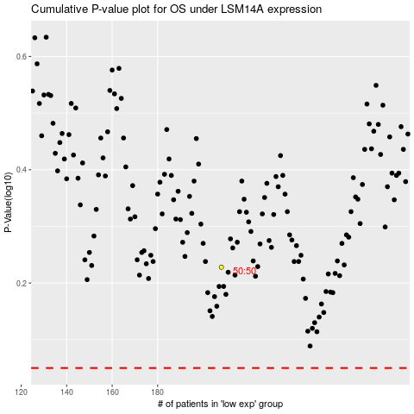

 |  |  |  |  |  | cases_OS | p_OS | rank | exp
 |  |  |  |  |  |  | cases_RFS | p_RFS | rank | exp

