LSM14B _multivariate
Reported by Tex Li-Hsing Chi. tex@gate.sinica.edu.tw 2019-08-18

Table 2. The clinicopathological features of HNSCC cohort and LSM14B expression. (Chi square test)
Cutoff at -0.14 (50.0%)
 |  | LSM14B expression |  | LSM14B expression |  | (Optimised)
 | Features | Low | (%) | High | (%) | Case no | P-value | Remark | Matthews
Gender | Female | 147 | 35.4 | 159 | 38.3 | 415 | 0.2523 | 0 | 0
2 | Male | 60 | 14.5 | 49 | 11.8
Age at diagnosis | <=65y | 125 | 30.1 | 149 | 35.9 | 415 | 0.0206 | 1 | 0
4 | >65y | 82 | 19.8 | 59 | 14.2
Clinical T Status | T1+T2 | 75 | 18.1 | 74 | 17.8 | 415 | 0.9707 | 0 | 0
6 | T3+T4 | 132 | 31.8 | 134 | 32.3
Clinical N Status | N0 | 113 | 27.2 | 103 | 24.8 | 415 | 0.3495 | 1 | 0
8 | N1-3 | 94 | 22.7 | 105 | 25.3
Clinical M Status | M0 | 206 | 49.6 | 206 | 49.6 | 415 | 1 | 0 | 0
10 | M1 | 1 | 0.2 | 2 | 0.5
Clinical Stage | Stage I+II | 53 | 12.8 | 49 | 11.8 | 415 | 0.7113 | 0 | 0
12 | Stage III+IV | 154 | 37.1 | 159 | 38.3
Surgical Margin status | Negative | 157 | 37.8 | 161 | 38.8 | 415 | 0.729 | 0 | 0
14 | Positive | 50 | 12 | 47 | 11.3
Tobacco Exposure | Low | 88 | 21.2 | 73 | 17.6 | 415 | 0.1314 | 0 | 0
16 | High | 119 | 28.7 | 135 | 32.5

Table 3. Univariate/Multivariate Cox's proportional hazards regression analyses on OS time of LSM14B gene expression in HNSCC

 |  | Univariate |  |  |  | Multivariate
 | Features | HR | CI95%(L) | CI95%(H) | P-value | HR | CI95%(L) | CI95%(H) | P-value
1 | Female | 1 |  |  |  | 1
Gender | Male | 1.157 | 0.843 | 1.587 | 0.367 | 1.193 | 0.853 | 1.668 | 0.303
11 | <=65y | 1 |  |  |  | 1
Age at diagnosis | >65y | 1.329 | 0.99 | 1.784 | 0.058 | 1.381 | 1.014 | 1.879 | 0.04
12 | T1+T2 | 1 |  |  |  | 1
Clinical T Status | T3+T4 | 1.409 | 1.028 | 1.931 | 0.033 | 2.187 | 1.156 | 4.137 | 0.016
13 | N0 | 1 |  |  |  | 1
Clinical N Status | N1-3 | 1.185 | 0.89 | 1.577 | 0.246 | 1.241 | 0.87 | 1.77 | 0.234
14 | M0 | 1 |  |  |  | 1
Clinical M Status | M1 | 4.097 | 1.009 | 16.644 | 0.049 | 9.567 | 2.085 | 43.888 | 0.004
15 | Stage I+II | 1 |  |  |  | 1
Clinical Stage | Stage III+IV | 1.245 | 0.882 | 1.759 | 0.213 | 0.51 | 0.238 | 1.097 | 0.085
16 | Negative | 1 |  |  |  | 1
Surgical Margin status | Positive | 1.591 | 1.155 | 2.191 | 0.004 | 1.661 | 1.202 | 2.296 | 0.002
17 | Low | 1 |  |  |  | 1
Tobacco Exposure | High | 1.364 | 1.008 | 1.844 | 0.044 | 1.462 | 1.061 | 2.015 | 0.02
18 | Low | 1 |  |  |  | 1
RNAseq(z-score) | High | 0.885 | 0.665 | 1.179 | 0.405 | 0.911 | 0.681 | 1.22 | 0.532

Table 4. Univariate/Multivariate Cox's proportional hazards regression analyses on RFS time of LSM14B gene expression in HNSCC

 |  | Univariate |  |  |  | Multivariate
 | Features | HR | CI95%(L) | CI95%(H) | P-value | HR | CI95%(L) | CI95%(H) | P-value
1 | Female | 1 |  |  |  | 1
Gender | Male | 1.157 | 0.843 | 1.587 | 0.367 | 1.193 | 0.853 | 1.668 | 0.303
11 | <=65y | 1 |  |  |  | 1
Age at diagnosis | >65y | 1.329 | 0.99 | 1.784 | 0.058 | 1.381 | 1.014 | 1.879 | 0.04
12 | T1+T2 | 1 |  |  |  | 1
Clinical T Status | T3+T4 | 1.409 | 1.028 | 1.931 | 0.033 | 2.187 | 1.156 | 4.137 | 0.016
13 | N0 | 1 |  |  |  | 1
Clinical N Status | N1-3 | 1.185 | 0.89 | 1.577 | 0.246 | 1.241 | 0.87 | 1.77 | 0.234
14 | M0 | 1 |  |  |  | 1
Clinical M Status | M1 | 4.097 | 1.009 | 16.644 | 0.049 | 9.567 | 2.085 | 43.888 | 0.004
15 | Stage I+II | 1 |  |  |  | 1
Clinical Stage | Stage III+IV | 1.245 | 0.882 | 1.759 | 0.213 | 0.51 | 0.238 | 1.097 | 0.085
16 | Negative | 1 |  |  |  | 1
Surgical Margin status | Positive | 1.591 | 1.155 | 2.191 | 0.004 | 1.661 | 1.202 | 2.296 | 0.002
17 | Low | 1 |  |  |  | 1
Tobacco Exposure | High | 1.364 | 1.008 | 1.844 | 0.044 | 1.462 | 1.061 | 2.015 | 0.02
18 | Low | 1 |  |  |  | 1
RNAseq(z-score) | High | 0.885 | 0.665 | 1.179 | 0.405 | 0.911 | 0.681 | 1.22 | 0.532

Kaplan-Meier survival estimate: Cutoff at -0.14 (50.0%)



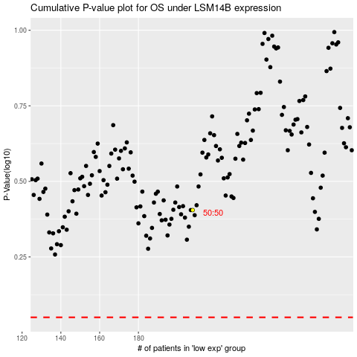

 |  |  |  |  |  | cases_OS | p_OS | rank | exp
 |  |  |  |  |  |  | cases_RFS | p_RFS | rank | exp

