LSM3 _multivariate
Reported by Tex Li-Hsing Chi. tex@gate.sinica.edu.tw 2019-08-18

Table 2. The clinicopathological features of HNSCC cohort and LSM3 expression. (Chi square test)
Cutoff at -0.297 (49.8%)
 |  | LSM3 expression |  | LSM3 expression |  | (Optimised)
 | Features | Low | (%) | High | (%) | Case no | P-value | Remark | Matthews
Gender | Female | 157 | 37.8 | 149 | 35.9 | 415 | 0.3881 | 0 | 0
2 | Male | 50 | 12 | 59 | 14.2
Age at diagnosis | <=65y | 145 | 34.9 | 129 | 31.1 | 415 | 0.1046 | 0 | 0
4 | >65y | 62 | 14.9 | 79 | 19
Clinical T Status | T1+T2 | 66 | 15.9 | 83 | 20 | 415 | 0.1095 | 0 | 0
6 | T3+T4 | 141 | 34 | 125 | 30.1
Clinical N Status | N0 | 111 | 26.7 | 105 | 25.3 | 415 | 0.5875 | 0 | 0
8 | N1-3 | 96 | 23.1 | 103 | 24.8
Clinical M Status | M0 | 207 | 49.9 | 205 | 49.4 | 415 | 0.2482 | 0 | 0
10 | M1 | 0 | 0 | 3 | 0.7
Clinical Stage | Stage I+II | 51 | 12.3 | 51 | 12.3 | 415 | 1 | 0 | 0
12 | Stage III+IV | 156 | 37.6 | 157 | 37.8
Surgical Margin status | Negative | 174 | 41.9 | 144 | 34.7 | 415 | 5e-04 | 1 | 0
14 | Positive | 33 | 8 | 64 | 15.4
Tobacco Exposure | Low | 65 | 15.7 | 96 | 23.1 | 415 | 0.0025 | 1 | 0
16 | High | 142 | 34.2 | 112 | 27

Table 3. Univariate/Multivariate Cox's proportional hazards regression analyses on OS time of LSM3 gene expression in HNSCC

 |  | Univariate |  |  |  | Multivariate
 | Features | HR | CI95%(L) | CI95%(H) | P-value | HR | CI95%(L) | CI95%(H) | P-value
1 | Female | 1 |  |  |  | 1
Gender | Male | 1.157 | 0.843 | 1.587 | 0.367 | 1.193 | 0.853 | 1.669 | 0.302
11 | <=65y | 1 |  |  |  | 1
Age at diagnosis | >65y | 1.329 | 0.99 | 1.784 | 0.058 | 1.38 | 1.013 | 1.879 | 0.041
12 | T1+T2 | 1 |  |  |  | 1
Clinical T Status | T3+T4 | 1.409 | 1.028 | 1.931 | 0.033 | 2.238 | 1.179 | 4.245 | 0.014
13 | N0 | 1 |  |  |  | 1
Clinical N Status | N1-3 | 1.185 | 0.89 | 1.577 | 0.246 | 1.241 | 0.87 | 1.77 | 0.234
14 | M0 | 1 |  |  |  | 1
Clinical M Status | M1 | 4.097 | 1.009 | 16.644 | 0.049 | 9.154 | 1.989 | 42.127 | 0.004
15 | Stage I+II | 1 |  |  |  | 1
Clinical Stage | Stage III+IV | 1.245 | 0.882 | 1.759 | 0.213 | 0.5 | 0.233 | 1.074 | 0.075
16 | Negative | 1 |  |  |  | 1
Surgical Margin status | Positive | 1.591 | 1.155 | 2.191 | 0.004 | 1.647 | 1.186 | 2.289 | 0.003
17 | Low | 1 |  |  |  | 1
Tobacco Exposure | High | 1.364 | 1.008 | 1.844 | 0.044 | 1.462 | 1.06 | 2.017 | 0.021
18 | Low | 1 |  |  |  | 1
RNAseq(z-score) | High | 1.125 | 0.845 | 1.498 | 0.421 | 1.076 | 0.795 | 1.455 | 0.635

Table 4. Univariate/Multivariate Cox's proportional hazards regression analyses on RFS time of LSM3 gene expression in HNSCC

 |  | Univariate |  |  |  | Multivariate
 | Features | HR | CI95%(L) | CI95%(H) | P-value | HR | CI95%(L) | CI95%(H) | P-value
1 | Female | 1 |  |  |  | 1
Gender | Male | 1.157 | 0.843 | 1.587 | 0.367 | 1.193 | 0.853 | 1.669 | 0.302
11 | <=65y | 1 |  |  |  | 1
Age at diagnosis | >65y | 1.329 | 0.99 | 1.784 | 0.058 | 1.38 | 1.013 | 1.879 | 0.041
12 | T1+T2 | 1 |  |  |  | 1
Clinical T Status | T3+T4 | 1.409 | 1.028 | 1.931 | 0.033 | 2.238 | 1.179 | 4.245 | 0.014
13 | N0 | 1 |  |  |  | 1
Clinical N Status | N1-3 | 1.185 | 0.89 | 1.577 | 0.246 | 1.241 | 0.87 | 1.77 | 0.234
14 | M0 | 1 |  |  |  | 1
Clinical M Status | M1 | 4.097 | 1.009 | 16.644 | 0.049 | 9.154 | 1.989 | 42.127 | 0.004
15 | Stage I+II | 1 |  |  |  | 1
Clinical Stage | Stage III+IV | 1.245 | 0.882 | 1.759 | 0.213 | 0.5 | 0.233 | 1.074 | 0.075
16 | Negative | 1 |  |  |  | 1
Surgical Margin status | Positive | 1.591 | 1.155 | 2.191 | 0.004 | 1.647 | 1.186 | 2.289 | 0.003
17 | Low | 1 |  |  |  | 1
Tobacco Exposure | High | 1.364 | 1.008 | 1.844 | 0.044 | 1.462 | 1.06 | 2.017 | 0.021
18 | Low | 1 |  |  |  | 1
RNAseq(z-score) | High | 1.125 | 0.845 | 1.498 | 0.421 | 1.076 | 0.795 | 1.455 | 0.635

Kaplan-Meier survival estimate: Cutoff at -0.297 (49.8%)



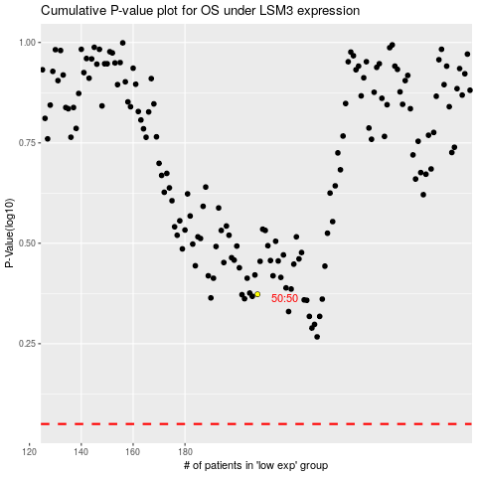

 |  |  |  |  |  | cases_OS | p_OS | rank | exp
 |  |  |  |  |  |  | cases_RFS | p_RFS | rank | exp

