LSM4 _multivariate
Reported by Tex Li-Hsing Chi. tex@gate.sinica.edu.tw 2019-08-18

Table 2. The clinicopathological features of HNSCC cohort and LSM4 expression. (Chi square test)
Cutoff at -0.217 (49.8%)
 |  | LSM4 expression |  | LSM4 expression |  | (Optimised)
 | Features | Low | (%) | High | (%) | Case no | P-value | Remark | Matthews
Gender | Female | 144 | 34.7 | 162 | 39 | 415 | 0.0697 | 0 | 0
2 | Male | 63 | 15.2 | 46 | 11.1
Age at diagnosis | <=65y | 139 | 33.5 | 135 | 32.5 | 415 | 0.7044 | 0 | 0
4 | >65y | 68 | 16.4 | 73 | 17.6
Clinical T Status | T1+T2 | 75 | 18.1 | 74 | 17.8 | 415 | 0.9707 | 0 | 0
6 | T3+T4 | 132 | 31.8 | 134 | 32.3
Clinical N Status | N0 | 105 | 25.3 | 111 | 26.7 | 415 | 0.6598 | 0 | 0
8 | N1-3 | 102 | 24.6 | 97 | 23.4
Clinical M Status | M0 | 206 | 49.6 | 206 | 49.6 | 415 | 1 | 0 | 0
10 | M1 | 1 | 0.2 | 2 | 0.5
Clinical Stage | Stage I+II | 53 | 12.8 | 49 | 11.8 | 415 | 0.7113 | 0 | 0
12 | Stage III+IV | 154 | 37.1 | 159 | 38.3
Surgical Margin status | Negative | 161 | 38.8 | 157 | 37.8 | 415 | 0.6429 | 0 | 0
14 | Positive | 46 | 11.1 | 51 | 12.3
Tobacco Exposure | Low | 86 | 20.7 | 75 | 18.1 | 415 | 0.2687 | 0 | 0
16 | High | 121 | 29.2 | 133 | 32

Table 3. Univariate/Multivariate Cox's proportional hazards regression analyses on OS time of LSM4 gene expression in HNSCC

 |  | Univariate |  |  |  | Multivariate
 | Features | HR | CI95%(L) | CI95%(H) | P-value | HR | CI95%(L) | CI95%(H) | P-value
1 | Female | 1 |  |  |  | 1
Gender | Male | 1.157 | 0.843 | 1.587 | 0.367 | 1.158 | 0.828 | 1.62 | 0.391
11 | <=65y | 1 |  |  |  | 1
Age at diagnosis | >65y | 1.329 | 0.99 | 1.784 | 0.058 | 1.402 | 1.03 | 1.908 | 0.032
12 | T1+T2 | 1 |  |  |  | 1
Clinical T Status | T3+T4 | 1.409 | 1.028 | 1.931 | 0.033 | 2.238 | 1.181 | 4.241 | 0.013
13 | N0 | 1 |  |  |  | 1
Clinical N Status | N1-3 | 1.185 | 0.89 | 1.577 | 0.246 | 1.253 | 0.878 | 1.789 | 0.214
14 | M0 | 1 |  |  |  | 1
Clinical M Status | M1 | 4.097 | 1.009 | 16.644 | 0.049 | 10.379 | 2.255 | 47.765 | 0.003
15 | Stage I+II | 1 |  |  |  | 1
Clinical Stage | Stage III+IV | 1.245 | 0.882 | 1.759 | 0.213 | 0.495 | 0.23 | 1.065 | 0.072
16 | Negative | 1 |  |  |  | 1
Surgical Margin status | Positive | 1.591 | 1.155 | 2.191 | 0.004 | 1.732 | 1.25 | 2.401 | 0.001
17 | Low | 1 |  |  |  | 1
Tobacco Exposure | High | 1.364 | 1.008 | 1.844 | 0.044 | 1.508 | 1.093 | 2.081 | 0.012
18 | Low | 1 |  |  |  | 1
RNAseq(z-score) | High | 0.81 | 0.607 | 1.08 | 0.151 | 0.736 | 0.548 | 0.988 | 0.041

Table 4. Univariate/Multivariate Cox's proportional hazards regression analyses on RFS time of LSM4 gene expression in HNSCC

 |  | Univariate |  |  |  | Multivariate
 | Features | HR | CI95%(L) | CI95%(H) | P-value | HR | CI95%(L) | CI95%(H) | P-value
1 | Female | 1 |  |  |  | 1
Gender | Male | 1.157 | 0.843 | 1.587 | 0.367 | 1.158 | 0.828 | 1.62 | 0.391
11 | <=65y | 1 |  |  |  | 1
Age at diagnosis | >65y | 1.329 | 0.99 | 1.784 | 0.058 | 1.402 | 1.03 | 1.908 | 0.032
12 | T1+T2 | 1 |  |  |  | 1
Clinical T Status | T3+T4 | 1.409 | 1.028 | 1.931 | 0.033 | 2.238 | 1.181 | 4.241 | 0.013
13 | N0 | 1 |  |  |  | 1
Clinical N Status | N1-3 | 1.185 | 0.89 | 1.577 | 0.246 | 1.253 | 0.878 | 1.789 | 0.214
14 | M0 | 1 |  |  |  | 1
Clinical M Status | M1 | 4.097 | 1.009 | 16.644 | 0.049 | 10.379 | 2.255 | 47.765 | 0.003
15 | Stage I+II | 1 |  |  |  | 1
Clinical Stage | Stage III+IV | 1.245 | 0.882 | 1.759 | 0.213 | 0.495 | 0.23 | 1.065 | 0.072
16 | Negative | 1 |  |  |  | 1
Surgical Margin status | Positive | 1.591 | 1.155 | 2.191 | 0.004 | 1.732 | 1.25 | 2.401 | 0.001
17 | Low | 1 |  |  |  | 1
Tobacco Exposure | High | 1.364 | 1.008 | 1.844 | 0.044 | 1.508 | 1.093 | 2.081 | 0.012
18 | Low | 1 |  |  |  | 1
RNAseq(z-score) | High | 0.81 | 0.607 | 1.08 | 0.151 | 0.736 | 0.548 | 0.988 | 0.041

Kaplan-Meier survival estimate: Cutoff at -0.217 (49.8%)



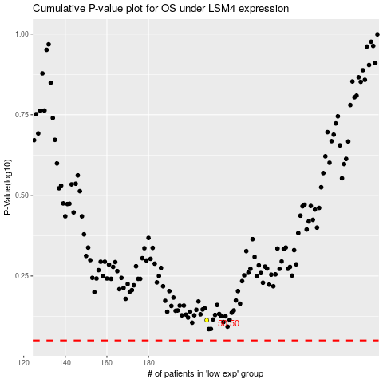

 |  |  |  |  |  | cases_OS | p_OS | rank | exp
 |  |  |  |  |  |  | cases_RFS | p_RFS | rank | exp

