LSM6 _multivariate
Reported by Tex Li-Hsing Chi. tex@gate.sinica.edu.tw 2019-08-18

Table 2. The clinicopathological features of HNSCC cohort and LSM6 expression. (Chi square test)
Cutoff at -0.225 (49.8%)
 |  | LSM6 expression |  | LSM6 expression |  | (Optimised)
 | Features | Low | (%) | High | (%) | Case no | P-value | Remark | Matthews
Gender | Female | 150 | 36.1 | 156 | 37.6 | 415 | 0.6344 | 0 | 0
2 | Male | 57 | 13.7 | 52 | 12.5
Age at diagnosis | <=65y | 137 | 33 | 137 | 33 | 415 | 1 | 0 | 0
4 | >65y | 70 | 16.9 | 71 | 17.1
Clinical T Status | T1+T2 | 73 | 17.6 | 76 | 18.3 | 415 | 0.8666 | 0 | 0
6 | T3+T4 | 134 | 32.3 | 132 | 31.8
Clinical N Status | N0 | 109 | 26.3 | 107 | 25.8 | 415 | 0.8812 | 0 | 0
8 | N1-3 | 98 | 23.6 | 101 | 24.3
Clinical M Status | M0 | 207 | 49.9 | 205 | 49.4 | 415 | 0.2482 | 0 | 0
10 | M1 | 0 | 0 | 3 | 0.7
Clinical Stage | Stage I+II | 51 | 12.3 | 51 | 12.3 | 415 | 1 | 0 | 0
12 | Stage III+IV | 156 | 37.6 | 157 | 37.8
Surgical Margin status | Negative | 168 | 40.5 | 150 | 36.1 | 415 | 0.0366 | 1 | 0
14 | Positive | 39 | 9.4 | 58 | 14
Tobacco Exposure | Low | 86 | 20.7 | 75 | 18.1 | 415 | 0.2687 | 0 | 0
16 | High | 121 | 29.2 | 133 | 32

Table 3. Univariate/Multivariate Cox's proportional hazards regression analyses on OS time of LSM6 gene expression in HNSCC

 |  | Univariate |  |  |  | Multivariate
 | Features | HR | CI95%(L) | CI95%(H) | P-value | HR | CI95%(L) | CI95%(H) | P-value
1 | Female | 1 |  |  |  | 1
Gender | Male | 1.157 | 0.843 | 1.587 | 0.367 | 1.202 | 0.86 | 1.679 | 0.281
11 | <=65y | 1 |  |  |  | 1
Age at diagnosis | >65y | 1.329 | 0.99 | 1.784 | 0.058 | 1.39 | 1.023 | 1.889 | 0.035
12 | T1+T2 | 1 |  |  |  | 1
Clinical T Status | T3+T4 | 1.409 | 1.028 | 1.931 | 0.033 | 2.208 | 1.168 | 4.175 | 0.015
13 | N0 | 1 |  |  |  | 1
Clinical N Status | N1-3 | 1.185 | 0.89 | 1.577 | 0.246 | 1.246 | 0.873 | 1.778 | 0.226
14 | M0 | 1 |  |  |  | 1
Clinical M Status | M1 | 4.097 | 1.009 | 16.644 | 0.049 | 8.987 | 1.946 | 41.515 | 0.005
15 | Stage I+II | 1 |  |  |  | 1
Clinical Stage | Stage III+IV | 1.245 | 0.882 | 1.759 | 0.213 | 0.505 | 0.235 | 1.084 | 0.08
16 | Negative | 1 |  |  |  | 1
Surgical Margin status | Positive | 1.591 | 1.155 | 2.191 | 0.004 | 1.646 | 1.186 | 2.284 | 0.003
17 | Low | 1 |  |  |  | 1
Tobacco Exposure | High | 1.364 | 1.008 | 1.844 | 0.044 | 1.437 | 1.041 | 1.984 | 0.027
18 | Low | 1 |  |  |  | 1
RNAseq(z-score) | High | 1.199 | 0.897 | 1.603 | 0.22 | 1.091 | 0.81 | 1.469 | 0.566

Table 4. Univariate/Multivariate Cox's proportional hazards regression analyses on RFS time of LSM6 gene expression in HNSCC

 |  | Univariate |  |  |  | Multivariate
 | Features | HR | CI95%(L) | CI95%(H) | P-value | HR | CI95%(L) | CI95%(H) | P-value
1 | Female | 1 |  |  |  | 1
Gender | Male | 1.157 | 0.843 | 1.587 | 0.367 | 1.202 | 0.86 | 1.679 | 0.281
11 | <=65y | 1 |  |  |  | 1
Age at diagnosis | >65y | 1.329 | 0.99 | 1.784 | 0.058 | 1.39 | 1.023 | 1.889 | 0.035
12 | T1+T2 | 1 |  |  |  | 1
Clinical T Status | T3+T4 | 1.409 | 1.028 | 1.931 | 0.033 | 2.208 | 1.168 | 4.175 | 0.015
13 | N0 | 1 |  |  |  | 1
Clinical N Status | N1-3 | 1.185 | 0.89 | 1.577 | 0.246 | 1.246 | 0.873 | 1.778 | 0.226
14 | M0 | 1 |  |  |  | 1
Clinical M Status | M1 | 4.097 | 1.009 | 16.644 | 0.049 | 8.987 | 1.946 | 41.515 | 0.005
15 | Stage I+II | 1 |  |  |  | 1
Clinical Stage | Stage III+IV | 1.245 | 0.882 | 1.759 | 0.213 | 0.505 | 0.235 | 1.084 | 0.08
16 | Negative | 1 |  |  |  | 1
Surgical Margin status | Positive | 1.591 | 1.155 | 2.191 | 0.004 | 1.646 | 1.186 | 2.284 | 0.003
17 | Low | 1 |  |  |  | 1
Tobacco Exposure | High | 1.364 | 1.008 | 1.844 | 0.044 | 1.437 | 1.041 | 1.984 | 0.027
18 | Low | 1 |  |  |  | 1
RNAseq(z-score) | High | 1.199 | 0.897 | 1.603 | 0.22 | 1.091 | 0.81 | 1.469 | 0.566

Kaplan-Meier survival estimate: Cutoff at -0.225 (49.8%)



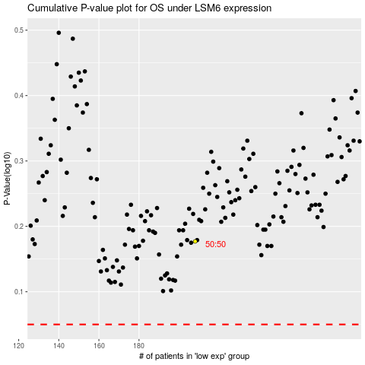

 |  |  |  |  |  | cases_OS | p_OS | rank | exp
 |  |  |  |  |  |  | cases_RFS | p_RFS | rank | exp

