LSM7 _multivariate
Reported by Tex Li-Hsing Chi. tex@gate.sinica.edu.tw 2019-08-18

Table 2. The clinicopathological features of HNSCC cohort and LSM7 expression. (Chi square test)
Cutoff at -0.241 (50.0%)
 |  | LSM7 expression |  | LSM7 expression |  | (Optimised)
 | Features | Low | (%) | High | (%) | Case no | P-value | Remark | Matthews
Gender | Female | 150 | 36.1 | 156 | 37.6 | 415 | 0.6344 | 0 | 0
2 | Male | 57 | 13.7 | 52 | 12.5
Age at diagnosis | <=65y | 138 | 33.3 | 136 | 32.8 | 415 | 0.8634 | 0 | 0
4 | >65y | 69 | 16.6 | 72 | 17.3
Clinical T Status | T1+T2 | 81 | 19.5 | 68 | 16.4 | 415 | 0.206 | 0 | 0
6 | T3+T4 | 126 | 30.4 | 140 | 33.7
Clinical N Status | N0 | 106 | 25.5 | 110 | 26.5 | 415 | 0.8075 | 0 | 0
8 | N1-3 | 101 | 24.3 | 98 | 23.6
Clinical M Status | M0 | 206 | 49.6 | 206 | 49.6 | 415 | 1 | 0 | 0
10 | M1 | 1 | 0.2 | 2 | 0.5
Clinical Stage | Stage I+II | 55 | 13.3 | 47 | 11.3 | 415 | 0.4087 | 0 | 0
12 | Stage III+IV | 152 | 36.6 | 161 | 38.8
Surgical Margin status | Negative | 163 | 39.3 | 155 | 37.3 | 415 | 0.3537 | 0 | 0
14 | Positive | 44 | 10.6 | 53 | 12.8
Tobacco Exposure | Low | 88 | 21.2 | 73 | 17.6 | 415 | 0.1314 | 0 | 0
16 | High | 119 | 28.7 | 135 | 32.5

Table 3. Univariate/Multivariate Cox's proportional hazards regression analyses on OS time of LSM7 gene expression in HNSCC

 |  | Univariate |  |  |  | Multivariate
 | Features | HR | CI95%(L) | CI95%(H) | P-value | HR | CI95%(L) | CI95%(H) | P-value
1 | Female | 1 |  |  |  | 1
Gender | Male | 1.157 | 0.843 | 1.587 | 0.367 | 1.203 | 0.862 | 1.68 | 0.278
11 | <=65y | 1 |  |  |  | 1
Age at diagnosis | >65y | 1.329 | 0.99 | 1.784 | 0.058 | 1.406 | 1.033 | 1.914 | 0.03
12 | T1+T2 | 1 |  |  |  | 1
Clinical T Status | T3+T4 | 1.409 | 1.028 | 1.931 | 0.033 | 2.223 | 1.175 | 4.206 | 0.014
13 | N0 | 1 |  |  |  | 1
Clinical N Status | N1-3 | 1.185 | 0.89 | 1.577 | 0.246 | 1.25 | 0.876 | 1.785 | 0.218
14 | M0 | 1 |  |  |  | 1
Clinical M Status | M1 | 4.097 | 1.009 | 16.644 | 0.049 | 9.636 | 2.1 | 44.208 | 0.004
15 | Stage I+II | 1 |  |  |  | 1
Clinical Stage | Stage III+IV | 1.245 | 0.882 | 1.759 | 0.213 | 0.5 | 0.233 | 1.074 | 0.076
16 | Negative | 1 |  |  |  | 1
Surgical Margin status | Positive | 1.591 | 1.155 | 2.191 | 0.004 | 1.696 | 1.225 | 2.347 | 0.001
17 | Low | 1 |  |  |  | 1
Tobacco Exposure | High | 1.364 | 1.008 | 1.844 | 0.044 | 1.473 | 1.067 | 2.032 | 0.018
18 | Low | 1 |  |  |  | 1
RNAseq(z-score) | High | 0.966 | 0.725 | 1.287 | 0.814 | 0.867 | 0.649 | 1.16 | 0.337

Table 4. Univariate/Multivariate Cox's proportional hazards regression analyses on RFS time of LSM7 gene expression in HNSCC

 |  | Univariate |  |  |  | Multivariate
 | Features | HR | CI95%(L) | CI95%(H) | P-value | HR | CI95%(L) | CI95%(H) | P-value
1 | Female | 1 |  |  |  | 1
Gender | Male | 1.157 | 0.843 | 1.587 | 0.367 | 1.203 | 0.862 | 1.68 | 0.278
11 | <=65y | 1 |  |  |  | 1
Age at diagnosis | >65y | 1.329 | 0.99 | 1.784 | 0.058 | 1.406 | 1.033 | 1.914 | 0.03
12 | T1+T2 | 1 |  |  |  | 1
Clinical T Status | T3+T4 | 1.409 | 1.028 | 1.931 | 0.033 | 2.223 | 1.175 | 4.206 | 0.014
13 | N0 | 1 |  |  |  | 1
Clinical N Status | N1-3 | 1.185 | 0.89 | 1.577 | 0.246 | 1.25 | 0.876 | 1.785 | 0.218
14 | M0 | 1 |  |  |  | 1
Clinical M Status | M1 | 4.097 | 1.009 | 16.644 | 0.049 | 9.636 | 2.1 | 44.208 | 0.004
15 | Stage I+II | 1 |  |  |  | 1
Clinical Stage | Stage III+IV | 1.245 | 0.882 | 1.759 | 0.213 | 0.5 | 0.233 | 1.074 | 0.076
16 | Negative | 1 |  |  |  | 1
Surgical Margin status | Positive | 1.591 | 1.155 | 2.191 | 0.004 | 1.696 | 1.225 | 2.347 | 0.001
17 | Low | 1 |  |  |  | 1
Tobacco Exposure | High | 1.364 | 1.008 | 1.844 | 0.044 | 1.473 | 1.067 | 2.032 | 0.018
18 | Low | 1 |  |  |  | 1
RNAseq(z-score) | High | 0.966 | 0.725 | 1.287 | 0.814 | 0.867 | 0.649 | 1.16 | 0.337

Kaplan-Meier survival estimate: Cutoff at -0.241 (50.0%)

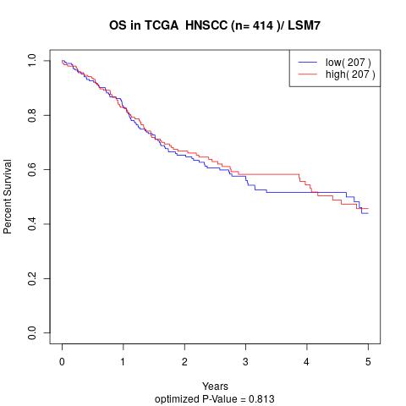

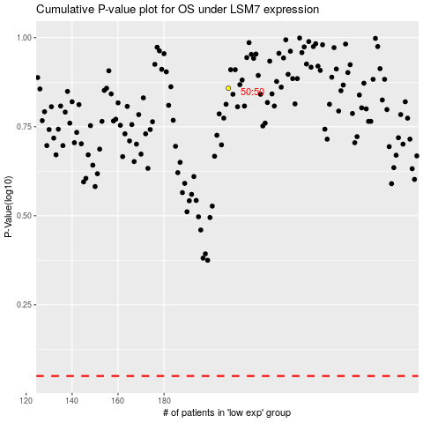

 |  |  |  |  |  | cases_OS | p_OS | rank | exp
 |  |  |  |  |  |  | cases_RFS | p_RFS | rank | exp

