LSS _multivariate
Reported by Tex Li-Hsing Chi. tex@gate.sinica.edu.tw 2019-08-18

Table 2. The clinicopathological features of HNSCC cohort and LSS expression. (Chi square test)
Cutoff at -0.362 (44.0%)
 |  | LSS expression |  | LSS expression |  | (Optimised)
 | Features | Low | (%) | High | (%) | Case no | P-value | Remark | Matthews
Gender | Female | 135 | 32.5 | 171 | 41.2 | 415 | 0.9458 | 0 | 0
2 | Male | 47 | 11.3 | 62 | 14.9
Age at diagnosis | <=65y | 122 | 29.4 | 152 | 36.6 | 415 | 0.7802 | 0 | 0
4 | >65y | 60 | 14.5 | 81 | 19.5
Clinical T Status | T1+T2 | 67 | 16.1 | 82 | 19.8 | 415 | 0.8117 | 0 | 0
6 | T3+T4 | 115 | 27.7 | 151 | 36.4
Clinical N Status | N0 | 90 | 21.7 | 126 | 30.4 | 415 | 0.4025 | 0 | 0
8 | N1-3 | 92 | 22.2 | 107 | 25.8
Clinical M Status | M0 | 179 | 43.1 | 233 | 56.1 | 415 | 0.0836 | 0 | 0
10 | M1 | 3 | 0.7 | 0 | 0
Clinical Stage | Stage I+II | 42 | 10.1 | 60 | 14.5 | 415 | 0.608 | 0 | 0
12 | Stage III+IV | 140 | 33.7 | 173 | 41.7
Surgical Margin status | Negative | 135 | 32.5 | 183 | 44.1 | 415 | 0.3498 | 0 | 0
14 | Positive | 47 | 11.3 | 50 | 12
Tobacco Exposure | Low | 62 | 14.9 | 99 | 23.9 | 415 | 0.0852 | 0 | 0
16 | High | 120 | 28.9 | 134 | 32.3

Table 3. Univariate/Multivariate Cox's proportional hazards regression analyses on OS time of LSS gene expression in HNSCC

 |  | Univariate |  |  |  | Multivariate
 | Features | HR | CI95%(L) | CI95%(H) | P-value | HR | CI95%(L) | CI95%(H) | P-value
1 | Female | 1 |  |  |  | 1
Gender | Male | 1.157 | 0.843 | 1.587 | 0.367 | 1.188 | 0.852 | 1.656 | 0.31
11 | <=65y | 1 |  |  |  | 1
Age at diagnosis | >65y | 1.329 | 0.99 | 1.784 | 0.058 | 1.401 | 1.032 | 1.901 | 0.031
12 | T1+T2 | 1 |  |  |  | 1
Clinical T Status | T3+T4 | 1.409 | 1.028 | 1.931 | 0.033 | 2.219 | 1.174 | 4.194 | 0.014
13 | N0 | 1 |  |  |  | 1
Clinical N Status | N1-3 | 1.185 | 0.89 | 1.577 | 0.246 | 1.242 | 0.871 | 1.771 | 0.231
14 | M0 | 1 |  |  |  | 1
Clinical M Status | M1 | 4.097 | 1.009 | 16.644 | 0.049 | 8.299 | 1.797 | 38.315 | 0.007
15 | Stage I+II | 1 |  |  |  | 1
Clinical Stage | Stage III+IV | 1.245 | 0.882 | 1.759 | 0.213 | 0.502 | 0.234 | 1.078 | 0.077
16 | Negative | 1 |  |  |  | 1
Surgical Margin status | Positive | 1.591 | 1.155 | 2.191 | 0.004 | 1.61 | 1.162 | 2.231 | 0.004
17 | Low | 1 |  |  |  | 1
Tobacco Exposure | High | 1.364 | 1.008 | 1.844 | 0.044 | 1.427 | 1.037 | 1.964 | 0.029
18 | Low | 1 |  |  |  | 1
RNAseq(z-score) | High | 0.746 | 0.559 | 0.994 | 0.045 | 0.794 | 0.592 | 1.065 | 0.123

Table 4. Univariate/Multivariate Cox's proportional hazards regression analyses on RFS time of LSS gene expression in HNSCC

 |  | Univariate |  |  |  | Multivariate
 | Features | HR | CI95%(L) | CI95%(H) | P-value | HR | CI95%(L) | CI95%(H) | P-value
1 | Female | 1 |  |  |  | 1
Gender | Male | 1.157 | 0.843 | 1.587 | 0.367 | 1.188 | 0.852 | 1.656 | 0.31
11 | <=65y | 1 |  |  |  | 1
Age at diagnosis | >65y | 1.329 | 0.99 | 1.784 | 0.058 | 1.401 | 1.032 | 1.901 | 0.031
12 | T1+T2 | 1 |  |  |  | 1
Clinical T Status | T3+T4 | 1.409 | 1.028 | 1.931 | 0.033 | 2.219 | 1.174 | 4.194 | 0.014
13 | N0 | 1 |  |  |  | 1
Clinical N Status | N1-3 | 1.185 | 0.89 | 1.577 | 0.246 | 1.242 | 0.871 | 1.771 | 0.231
14 | M0 | 1 |  |  |  | 1
Clinical M Status | M1 | 4.097 | 1.009 | 16.644 | 0.049 | 8.299 | 1.797 | 38.315 | 0.007
15 | Stage I+II | 1 |  |  |  | 1
Clinical Stage | Stage III+IV | 1.245 | 0.882 | 1.759 | 0.213 | 0.502 | 0.234 | 1.078 | 0.077
16 | Negative | 1 |  |  |  | 1
Surgical Margin status | Positive | 1.591 | 1.155 | 2.191 | 0.004 | 1.61 | 1.162 | 2.231 | 0.004
17 | Low | 1 |  |  |  | 1
Tobacco Exposure | High | 1.364 | 1.008 | 1.844 | 0.044 | 1.427 | 1.037 | 1.964 | 0.029
18 | Low | 1 |  |  |  | 1
RNAseq(z-score) | High | 0.746 | 0.559 | 0.994 | 0.045 | 0.794 | 0.592 | 1.065 | 0.123

Kaplan-Meier survival estimate: Cutoff at -0.362 (44.0%)



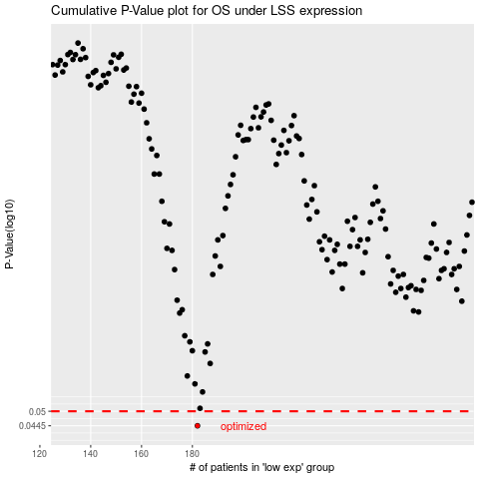

 |  |  |  |  |  | cases_OS | p_OS | rank | exp
 |  |  |  |  |  | 182 | 0.0445 | 53 | -0.36184887767
 |  |  |  |  |  |  | cases_RFS | p_RFS | rank | exp
 |  |  |  |  |  |  | 181 | 0.0445 | 216 | -0.36480637011

