LTBP2 _multivariate
Reported by Tex Li-Hsing Chi. tex@gate.sinica.edu.tw 2019-08-18

Table 2. The clinicopathological features of HNSCC cohort and LTBP2 expression. (Chi square test)
Cutoff at -0.151 (49.8%)
 |  | LTBP2 expression |  | LTBP2 expression |  | (Optimised)
 | Features | Low | (%) | High | (%) | Case no | P-value | Remark | Matthews
Gender | Female | 155 | 37.3 | 151 | 36.4 | 415 | 0.6768 | 0 | 0
2 | Male | 52 | 12.5 | 57 | 13.7
Age at diagnosis | <=65y | 134 | 32.3 | 140 | 33.7 | 415 | 0.6529 | 0 | 0
4 | >65y | 73 | 17.6 | 68 | 16.4
Clinical T Status | T1+T2 | 66 | 15.9 | 83 | 20 | 415 | 0.1095 | 0 | 0
6 | T3+T4 | 141 | 34 | 125 | 30.1
Clinical N Status | N0 | 105 | 25.3 | 111 | 26.7 | 415 | 0.6598 | 0 | 0
8 | N1-3 | 102 | 24.6 | 97 | 23.4
Clinical M Status | M0 | 204 | 49.2 | 208 | 50.1 | 415 | 0.1232 | 0 | 0
10 | M1 | 3 | 0.7 | 0 | 0
Clinical Stage | Stage I+II | 36 | 8.7 | 66 | 15.9 | 415 | 0.001 | 1 | 0
12 | Stage III+IV | 171 | 41.2 | 142 | 34.2
Surgical Margin status | Negative | 155 | 37.3 | 163 | 39.3 | 415 | 0.4187 | 0 | 0
14 | Positive | 52 | 12.5 | 45 | 10.8
Tobacco Exposure | Low | 76 | 18.3 | 85 | 20.5 | 415 | 0.4207 | 0 | 0
16 | High | 131 | 31.6 | 123 | 29.6

Table 3. Univariate/Multivariate Cox's proportional hazards regression analyses on OS time of LTBP2 gene expression in HNSCC

 |  | Univariate |  |  |  | Multivariate
 | Features | HR | CI95%(L) | CI95%(H) | P-value | HR | CI95%(L) | CI95%(H) | P-value
1 | Female | 1 |  |  |  | 1
Gender | Male | 1.157 | 0.843 | 1.587 | 0.367 | 1.205 | 0.861 | 1.686 | 0.276
11 | <=65y | 1 |  |  |  | 1
Age at diagnosis | >65y | 1.329 | 0.99 | 1.784 | 0.058 | 1.395 | 1.025 | 1.898 | 0.034
12 | T1+T2 | 1 |  |  |  | 1
Clinical T Status | T3+T4 | 1.409 | 1.028 | 1.931 | 0.033 | 2.188 | 1.152 | 4.154 | 0.017
13 | N0 | 1 |  |  |  | 1
Clinical N Status | N1-3 | 1.185 | 0.89 | 1.577 | 0.246 | 1.236 | 0.864 | 1.768 | 0.245
14 | M0 | 1 |  |  |  | 1
Clinical M Status | M1 | 4.097 | 1.009 | 16.644 | 0.049 | 9.5 | 2.064 | 43.719 | 0.004
15 | Stage I+II | 1 |  |  |  | 1
Clinical Stage | Stage III+IV | 1.245 | 0.882 | 1.759 | 0.213 | 0.51 | 0.235 | 1.107 | 0.089
16 | Negative | 1 |  |  |  | 1
Surgical Margin status | Positive | 1.591 | 1.155 | 2.191 | 0.004 | 1.674 | 1.211 | 2.313 | 0.002
17 | Low | 1 |  |  |  | 1
Tobacco Exposure | High | 1.364 | 1.008 | 1.844 | 0.044 | 1.457 | 1.056 | 2.01 | 0.022
18 | Low | 1 |  |  |  | 1
RNAseq(z-score) | High | 0.968 | 0.726 | 1.29 | 0.824 | 1.027 | 0.764 | 1.382 | 0.858

Table 4. Univariate/Multivariate Cox's proportional hazards regression analyses on RFS time of LTBP2 gene expression in HNSCC

 |  | Univariate |  |  |  | Multivariate
 | Features | HR | CI95%(L) | CI95%(H) | P-value | HR | CI95%(L) | CI95%(H) | P-value
1 | Female | 1 |  |  |  | 1
Gender | Male | 1.157 | 0.843 | 1.587 | 0.367 | 1.205 | 0.861 | 1.686 | 0.276
11 | <=65y | 1 |  |  |  | 1
Age at diagnosis | >65y | 1.329 | 0.99 | 1.784 | 0.058 | 1.395 | 1.025 | 1.898 | 0.034
12 | T1+T2 | 1 |  |  |  | 1
Clinical T Status | T3+T4 | 1.409 | 1.028 | 1.931 | 0.033 | 2.188 | 1.152 | 4.154 | 0.017
13 | N0 | 1 |  |  |  | 1
Clinical N Status | N1-3 | 1.185 | 0.89 | 1.577 | 0.246 | 1.236 | 0.864 | 1.768 | 0.245
14 | M0 | 1 |  |  |  | 1
Clinical M Status | M1 | 4.097 | 1.009 | 16.644 | 0.049 | 9.5 | 2.064 | 43.719 | 0.004
15 | Stage I+II | 1 |  |  |  | 1
Clinical Stage | Stage III+IV | 1.245 | 0.882 | 1.759 | 0.213 | 0.51 | 0.235 | 1.107 | 0.089
16 | Negative | 1 |  |  |  | 1
Surgical Margin status | Positive | 1.591 | 1.155 | 2.191 | 0.004 | 1.674 | 1.211 | 2.313 | 0.002
17 | Low | 1 |  |  |  | 1
Tobacco Exposure | High | 1.364 | 1.008 | 1.844 | 0.044 | 1.457 | 1.056 | 2.01 | 0.022
18 | Low | 1 |  |  |  | 1
RNAseq(z-score) | High | 0.968 | 0.726 | 1.29 | 0.824 | 1.027 | 0.764 | 1.382 | 0.858

Kaplan-Meier survival estimate: Cutoff at -0.151 (49.8%)

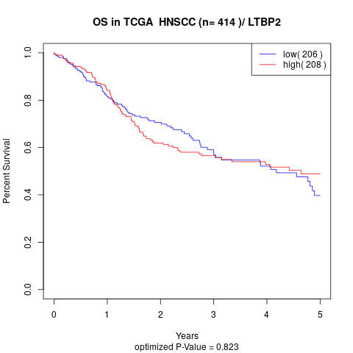

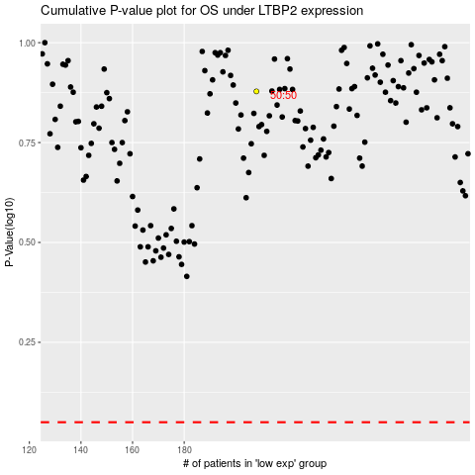

 |  |  |  |  |  | cases_OS | p_OS | rank | exp
 |  |  |  |  |  |  | cases_RFS | p_RFS | rank | exp

