LTBP4 _multivariate
Reported by Tex Li-Hsing Chi. tex@gate.sinica.edu.tw 2019-08-18

Table 2. The clinicopathological features of HNSCC cohort and LTBP4 expression. (Chi square test)
Cutoff at -0.33 (46.4%)
 |  | LTBP4 expression |  | LTBP4 expression |  | (Optimised)
 | Features | Low | (%) | High | (%) | Case no | P-value | Remark | Matthews
Gender | Female | 138 | 33.3 | 168 | 40.5 | 415 | 0.3944 | 0 | 0
2 | Male | 55 | 13.3 | 54 | 13
Age at diagnosis | <=65y | 127 | 30.6 | 147 | 35.4 | 415 | 1 | 0 | 0
4 | >65y | 66 | 15.9 | 75 | 18.1
Clinical T Status | T1+T2 | 69 | 16.6 | 80 | 19.3 | 415 | 1 | 0 | 0
6 | T3+T4 | 124 | 29.9 | 142 | 34.2
Clinical N Status | N0 | 88 | 21.2 | 128 | 30.8 | 415 | 0.0185 | 1 | 0
8 | N1-3 | 105 | 25.3 | 94 | 22.7
Clinical M Status | M0 | 190 | 45.8 | 222 | 53.5 | 415 | 0.0997 | 0 | 0
10 | M1 | 3 | 0.7 | 0 | 0
Clinical Stage | Stage I+II | 47 | 11.3 | 55 | 13.3 | 415 | 1 | 0 | 0
12 | Stage III+IV | 146 | 35.2 | 167 | 40.2
Surgical Margin status | Negative | 149 | 35.9 | 169 | 40.7 | 415 | 0.817 | 0 | 0
14 | Positive | 44 | 10.6 | 53 | 12.8
Tobacco Exposure | Low | 86 | 20.7 | 75 | 18.1 | 415 | 0.0266 | 1 | 0
16 | High | 107 | 25.8 | 147 | 35.4

Table 3. Univariate/Multivariate Cox's proportional hazards regression analyses on OS time of LTBP4 gene expression in HNSCC

 |  | Univariate |  |  |  | Multivariate
 | Features | HR | CI95%(L) | CI95%(H) | P-value | HR | CI95%(L) | CI95%(H) | P-value
1 | Female | 1 |  |  |  | 1
Gender | Male | 1.157 | 0.843 | 1.587 | 0.367 | 1.159 | 0.829 | 1.622 | 0.388
11 | <=65y | 1 |  |  |  | 1
Age at diagnosis | >65y | 1.329 | 0.99 | 1.784 | 0.058 | 1.397 | 1.028 | 1.898 | 0.033
12 | T1+T2 | 1 |  |  |  | 1
Clinical T Status | T3+T4 | 1.409 | 1.028 | 1.931 | 0.033 | 2.12 | 1.12 | 4.013 | 0.021
13 | N0 | 1 |  |  |  | 1
Clinical N Status | N1-3 | 1.185 | 0.89 | 1.577 | 0.246 | 1.174 | 0.819 | 1.681 | 0.383
14 | M0 | 1 |  |  |  | 1
Clinical M Status | M1 | 4.097 | 1.009 | 16.644 | 0.049 | 7.877 | 1.703 | 36.43 | 0.008
15 | Stage I+II | 1 |  |  |  | 1
Clinical Stage | Stage III+IV | 1.245 | 0.882 | 1.759 | 0.213 | 0.547 | 0.253 | 1.179 | 0.123
16 | Negative | 1 |  |  |  | 1
Surgical Margin status | Positive | 1.591 | 1.155 | 2.191 | 0.004 | 1.668 | 1.207 | 2.304 | 0.002
17 | Low | 1 |  |  |  | 1
Tobacco Exposure | High | 1.364 | 1.008 | 1.844 | 0.044 | 1.532 | 1.107 | 2.119 | 0.01
18 | Low | 1 |  |  |  | 1
RNAseq(z-score) | High | 0.742 | 0.556 | 0.992 | 0.044 | 0.739 | 0.546 | 1.001 | 0.051

Table 4. Univariate/Multivariate Cox's proportional hazards regression analyses on RFS time of LTBP4 gene expression in HNSCC

 |  | Univariate |  |  |  | Multivariate
 | Features | HR | CI95%(L) | CI95%(H) | P-value | HR | CI95%(L) | CI95%(H) | P-value
1 | Female | 1 |  |  |  | 1
Gender | Male | 1.157 | 0.843 | 1.587 | 0.367 | 1.159 | 0.829 | 1.622 | 0.388
11 | <=65y | 1 |  |  |  | 1
Age at diagnosis | >65y | 1.329 | 0.99 | 1.784 | 0.058 | 1.397 | 1.028 | 1.898 | 0.033
12 | T1+T2 | 1 |  |  |  | 1
Clinical T Status | T3+T4 | 1.409 | 1.028 | 1.931 | 0.033 | 2.12 | 1.12 | 4.013 | 0.021
13 | N0 | 1 |  |  |  | 1
Clinical N Status | N1-3 | 1.185 | 0.89 | 1.577 | 0.246 | 1.174 | 0.819 | 1.681 | 0.383
14 | M0 | 1 |  |  |  | 1
Clinical M Status | M1 | 4.097 | 1.009 | 16.644 | 0.049 | 7.877 | 1.703 | 36.43 | 0.008
15 | Stage I+II | 1 |  |  |  | 1
Clinical Stage | Stage III+IV | 1.245 | 0.882 | 1.759 | 0.213 | 0.547 | 0.253 | 1.179 | 0.123
16 | Negative | 1 |  |  |  | 1
Surgical Margin status | Positive | 1.591 | 1.155 | 2.191 | 0.004 | 1.668 | 1.207 | 2.304 | 0.002
17 | Low | 1 |  |  |  | 1
Tobacco Exposure | High | 1.364 | 1.008 | 1.844 | 0.044 | 1.532 | 1.107 | 2.119 | 0.01
18 | Low | 1 |  |  |  | 1
RNAseq(z-score) | High | 0.742 | 0.556 | 0.992 | 0.044 | 0.739 | 0.546 | 1.001 | 0.051

Kaplan-Meier survival estimate: Cutoff at -0.33 (46.4%)



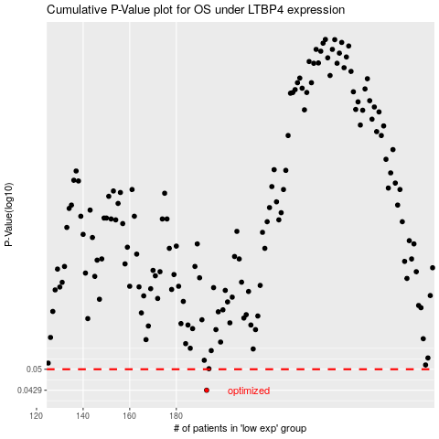

 |  |  |  |  |  | cases_OS | p_OS | rank | exp
 |  |  |  |  |  | 193 | 0.0429 | 37 | -0.32978967557
 |  |  |  |  |  |  | cases_RFS | p_RFS | rank | exp
 |  |  |  |  |  |  | 192 | 0.0429 | 260 | -0.330543667

