LTK _multivariate
Reported by Tex Li-Hsing Chi. tex@gate.sinica.edu.tw 2019-08-18

Table 2. The clinicopathological features of HNSCC cohort and LTK expression. (Chi square test)
Cutoff at -0.284 (54.8%)
 |  | LTK expression |  | LTK expression |  | (Optimised)
 | Features | Low | (%) | High | (%) | Case no | P-value | Remark | Matthews
Gender | Female | 164 | 39.5 | 142 | 34.2 | 415 | 0.5189 | 0 | 0
2 | Male | 63 | 15.2 | 46 | 11.1
Age at diagnosis | <=65y | 142 | 34.2 | 132 | 31.8 | 415 | 0.1247 | 0 | 0
4 | >65y | 85 | 20.5 | 56 | 13.5
Clinical T Status | T1+T2 | 77 | 18.6 | 72 | 17.3 | 415 | 0.4108 | 0 | 0
6 | T3+T4 | 150 | 36.1 | 116 | 28
Clinical N Status | N0 | 119 | 28.7 | 97 | 23.4 | 415 | 0.9448 | 0 | 0
8 | N1-3 | 108 | 26 | 91 | 21.9
Clinical M Status | M0 | 225 | 54.2 | 187 | 45.1 | 415 | 1 | 0 | 0
10 | M1 | 2 | 0.5 | 1 | 0.2
Clinical Stage | Stage I+II | 58 | 14 | 44 | 10.6 | 415 | 0.6958 | 0 | 0
12 | Stage III+IV | 169 | 40.7 | 144 | 34.7
Surgical Margin status | Negative | 174 | 41.9 | 144 | 34.7 | 415 | 1 | 0 | 0
14 | Positive | 53 | 12.8 | 44 | 10.6
Tobacco Exposure | Low | 96 | 23.1 | 65 | 15.7 | 415 | 0.129 | 0 | 0
16 | High | 131 | 31.6 | 123 | 29.6

Table 3. Univariate/Multivariate Cox's proportional hazards regression analyses on OS time of LTK gene expression in HNSCC

 |  | Univariate |  |  |  | Multivariate
 | Features | HR | CI95%(L) | CI95%(H) | P-value | HR | CI95%(L) | CI95%(H) | P-value
1 | Female | 1 |  |  |  | 1
Gender | Male | 1.157 | 0.843 | 1.587 | 0.367 | 1.196 | 0.856 | 1.67 | 0.295
11 | <=65y | 1 |  |  |  | 1
Age at diagnosis | >65y | 1.329 | 0.99 | 1.784 | 0.058 | 1.387 | 1.02 | 1.887 | 0.037
12 | T1+T2 | 1 |  |  |  | 1
Clinical T Status | T3+T4 | 1.409 | 1.028 | 1.931 | 0.033 | 2.078 | 1.097 | 3.937 | 0.025
13 | N0 | 1 |  |  |  | 1
Clinical N Status | N1-3 | 1.185 | 0.89 | 1.577 | 0.246 | 1.237 | 0.867 | 1.765 | 0.24
14 | M0 | 1 |  |  |  | 1
Clinical M Status | M1 | 4.097 | 1.009 | 16.644 | 0.049 | 8.807 | 1.919 | 40.422 | 0.005
15 | Stage I+II | 1 |  |  |  | 1
Clinical Stage | Stage III+IV | 1.245 | 0.882 | 1.759 | 0.213 | 0.531 | 0.247 | 1.142 | 0.105
16 | Negative | 1 |  |  |  | 1
Surgical Margin status | Positive | 1.591 | 1.155 | 2.191 | 0.004 | 1.699 | 1.229 | 2.348 | 0.001
17 | Low | 1 |  |  |  | 1
Tobacco Exposure | High | 1.364 | 1.008 | 1.844 | 0.044 | 1.5 | 1.086 | 2.072 | 0.014
18 | Low | 1 |  |  |  | 1
RNAseq(z-score) | High | 0.714 | 0.532 | 0.959 | 0.025 | 0.716 | 0.532 | 0.965 | 0.028

Table 4. Univariate/Multivariate Cox's proportional hazards regression analyses on RFS time of LTK gene expression in HNSCC

 |  | Univariate |  |  |  | Multivariate
 | Features | HR | CI95%(L) | CI95%(H) | P-value | HR | CI95%(L) | CI95%(H) | P-value
1 | Female | 1 |  |  |  | 1
Gender | Male | 1.157 | 0.843 | 1.587 | 0.367 | 1.196 | 0.856 | 1.67 | 0.295
11 | <=65y | 1 |  |  |  | 1
Age at diagnosis | >65y | 1.329 | 0.99 | 1.784 | 0.058 | 1.387 | 1.02 | 1.887 | 0.037
12 | T1+T2 | 1 |  |  |  | 1
Clinical T Status | T3+T4 | 1.409 | 1.028 | 1.931 | 0.033 | 2.078 | 1.097 | 3.937 | 0.025
13 | N0 | 1 |  |  |  | 1
Clinical N Status | N1-3 | 1.185 | 0.89 | 1.577 | 0.246 | 1.237 | 0.867 | 1.765 | 0.24
14 | M0 | 1 |  |  |  | 1
Clinical M Status | M1 | 4.097 | 1.009 | 16.644 | 0.049 | 8.807 | 1.919 | 40.422 | 0.005
15 | Stage I+II | 1 |  |  |  | 1
Clinical Stage | Stage III+IV | 1.245 | 0.882 | 1.759 | 0.213 | 0.531 | 0.247 | 1.142 | 0.105
16 | Negative | 1 |  |  |  | 1
Surgical Margin status | Positive | 1.591 | 1.155 | 2.191 | 0.004 | 1.699 | 1.229 | 2.348 | 0.001
17 | Low | 1 |  |  |  | 1
Tobacco Exposure | High | 1.364 | 1.008 | 1.844 | 0.044 | 1.5 | 1.086 | 2.072 | 0.014
18 | Low | 1 |  |  |  | 1
RNAseq(z-score) | High | 0.714 | 0.532 | 0.959 | 0.025 | 0.716 | 0.532 | 0.965 | 0.028

Kaplan-Meier survival estimate: Cutoff at -0.284 (54.8%)

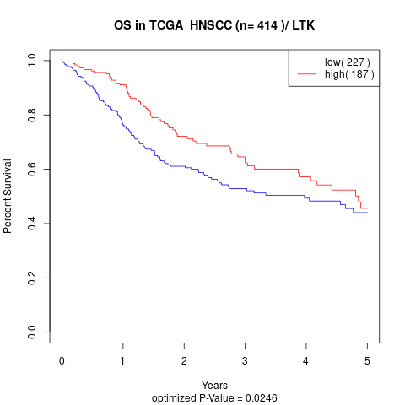

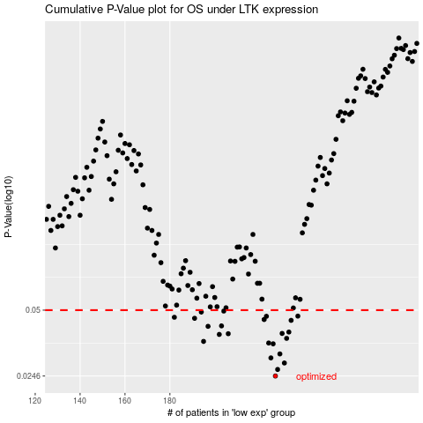

 |  |  |  |  |  | cases_OS | p_OS | rank | exp
 |  |  |  |  |  | 227 | 0.0246 | 319 | -0.28406598481
 |  |  |  |  |  | 228 | 0.0264 | 47 | -0.28295856723
 |  |  |  |  |  | 231 | 0.0283 | 45 | -0.27963076816
 |  |  |  |  |  | 225 | 0.0299 | 320 | -0.28508650986
 |  |  |  |  |  | 229 | 0.0312 | 112 | -0.28041464972
 |  |  |  |  |  | 226 | 0.0348 | 224 | -0.28413254079
 |  |  |  |  |  | 224 | 0.0351 | 153 | -0.2907252805
 |  |  |  |  |  | 195 | 0.0357 | 177 | -0.32552111731
 |  |  |  |  |  | 232 | 0.0369 | 98 | -0.27937009057
 |  |  |  |  |  | 202 | 0.0385 | 348 | -0.3175787702
 |  |  |  |  |  | 206 | 0.0388 | 271 | -0.31298825626
 |  |  |  |  |  | 230 | 0.0389 | 159 | -0.27977497279
 |  |  |  |  |  | 233 | 0.0395 | 383 | -0.27640650062
 |  |  |  |  |  | 197 | 0.042 | 132 | -0.3251643033
 |  |  |  |  |  | 203 | 0.0422 | 290 | -0.31664698646
 |  |  |  |  |  | 234 | 0.0448 | 378 | -0.2760016184
 |  |  |  |  |  | 222 | 0.0452 | 391 | -0.29100444586
 |  |  |  |  |  | 191 | 0.0458 | 60 | -0.32967347103
 |  |  |  |  |  | 182 | 0.0463 | 9 | -0.33717396038
 |  |  |  |  |  | 223 | 0.0468 | 207 | -0.29092309966
 |  |  |  |  |  | 237 | 0.0469 | 350 | -0.26915374743
 |  |  |  |  |  | 194 | 0.049 | 261 | -0.32891362358
 |  |  |  |  |  | 204 | 0.0495 | 356 | -0.31621437258
 |  |  |  |  |  |  | cases_RFS | p_RFS | rank | exp
 |  |  |  |  |  |  | 226 | 0.0246 | 224 | -0.28413254079
 |  |  |  |  |  |  | 227 | 0.0264 | 319 | -0.28406598481
 |  |  |  |  |  |  | 230 | 0.0283 | 159 | -0.27977497279
 |  |  |  |  |  |  | 224 | 0.0299 | 153 | -0.2907252805
 |  |  |  |  |  |  | 228 | 0.0312 | 47 | -0.28295856723
 |  |  |  |  |  |  | 225 | 0.0348 | 320 | -0.28508650986
 |  |  |  |  |  |  | 223 | 0.0351 | 207 | -0.29092309966
 |  |  |  |  |  |  | 194 | 0.0357 | 261 | -0.32891362358
 |  |  |  |  |  |  | 231 | 0.0369 | 45 | -0.27963076816
 |  |  |  |  |  |  | 201 | 0.0385 | 199 | -0.31930922571
 |  |  |  |  |  |  | 205 | 0.0388 | 62 | -0.31500527225
 |  |  |  |  |  |  | 229 | 0.0389 | 112 | -0.28041464972
 |  |  |  |  |  |  | 232 | 0.0395 | 98 | -0.27937009057
 |  |  |  |  |  |  | 196 | 0.042 | 115 | -0.32540649312
 |  |  |  |  |  |  | 202 | 0.0422 | 348 | -0.3175787702
 |  |  |  |  |  |  | 233 | 0.0448 | 383 | -0.27640650062
 |  |  |  |  |  |  | 221 | 0.0452 | 77 | -0.29196396126
 |  |  |  |  |  |  | 190 | 0.0458 | 389 | -0.33012457268
 |  |  |  |  |  |  | 181 | 0.0463 | 283 | -0.33773413989
 |  |  |  |  |  |  | 222 | 0.0468 | 391 | -0.29100444586
 |  |  |  |  |  |  | 236 | 0.0469 | 90 | -0.27114488054
 |  |  |  |  |  |  | 193 | 0.049 | 264 | -0.32894135524
 |  |  |  |  |  |  | 203 | 0.0495 | 290 | -0.31664698646

