LTV1 _multivariate
Reported by Tex Li-Hsing Chi. tex@gate.sinica.edu.tw 2019-08-18

Table 2. The clinicopathological features of HNSCC cohort and LTV1 expression. (Chi square test)
Cutoff at -0.161 (50.0%)
 |  | LTV1 expression |  | LTV1 expression |  | (Optimised)
 | Features | Low | (%) | High | (%) | Case no | P-value | Remark | Matthews
Gender | Female | 158 | 38.1 | 148 | 35.7 | 415 | 0.2774 | 0 | 0
2 | Male | 49 | 11.8 | 60 | 14.5
Age at diagnosis | <=65y | 130 | 31.3 | 144 | 34.7 | 415 | 0.2009 | 0 | 0
4 | >65y | 77 | 18.6 | 64 | 15.4
Clinical T Status | T1+T2 | 81 | 19.5 | 68 | 16.4 | 415 | 0.206 | 0 | 0
6 | T3+T4 | 126 | 30.4 | 140 | 33.7
Clinical N Status | N0 | 112 | 27 | 104 | 25.1 | 415 | 0.4599 | 0 | 0
8 | N1-3 | 95 | 22.9 | 104 | 25.1
Clinical M Status | M0 | 206 | 49.6 | 206 | 49.6 | 415 | 1 | 0 | 0
10 | M1 | 1 | 0.2 | 2 | 0.5
Clinical Stage | Stage I+II | 55 | 13.3 | 47 | 11.3 | 415 | 0.4087 | 0 | 0
12 | Stage III+IV | 152 | 36.6 | 161 | 38.8
Surgical Margin status | Negative | 159 | 38.3 | 159 | 38.3 | 415 | 1 | 0 | 0
14 | Positive | 48 | 11.6 | 49 | 11.8
Tobacco Exposure | Low | 87 | 21 | 74 | 17.8 | 415 | 0.1911 | 0 | 0
16 | High | 120 | 28.9 | 134 | 32.3

Table 3. Univariate/Multivariate Cox's proportional hazards regression analyses on OS time of LTV1 gene expression in HNSCC

 |  | Univariate |  |  |  | Multivariate
 | Features | HR | CI95%(L) | CI95%(H) | P-value | HR | CI95%(L) | CI95%(H) | P-value
1 | Female | 1 |  |  |  | 1
Gender | Male | 1.157 | 0.843 | 1.587 | 0.367 | 1.192 | 0.853 | 1.667 | 0.304
11 | <=65y | 1 |  |  |  | 1
Age at diagnosis | >65y | 1.329 | 0.99 | 1.784 | 0.058 | 1.394 | 1.025 | 1.894 | 0.034
12 | T1+T2 | 1 |  |  |  | 1
Clinical T Status | T3+T4 | 1.409 | 1.028 | 1.931 | 0.033 | 2.182 | 1.154 | 4.129 | 0.016
13 | N0 | 1 |  |  |  | 1
Clinical N Status | N1-3 | 1.185 | 0.89 | 1.577 | 0.246 | 1.24 | 0.869 | 1.769 | 0.237
14 | M0 | 1 |  |  |  | 1
Clinical M Status | M1 | 4.097 | 1.009 | 16.644 | 0.049 | 9.02 | 1.96 | 41.516 | 0.005
15 | Stage I+II | 1 |  |  |  | 1
Clinical Stage | Stage III+IV | 1.245 | 0.882 | 1.759 | 0.213 | 0.508 | 0.237 | 1.092 | 0.083
16 | Negative | 1 |  |  |  | 1
Surgical Margin status | Positive | 1.591 | 1.155 | 2.191 | 0.004 | 1.672 | 1.21 | 2.31 | 0.002
17 | Low | 1 |  |  |  | 1
Tobacco Exposure | High | 1.364 | 1.008 | 1.844 | 0.044 | 1.437 | 1.041 | 1.982 | 0.027
18 | Low | 1 |  |  |  | 1
RNAseq(z-score) | High | 1.178 | 0.884 | 1.57 | 0.262 | 1.113 | 0.833 | 1.486 | 0.47

Table 4. Univariate/Multivariate Cox's proportional hazards regression analyses on RFS time of LTV1 gene expression in HNSCC

 |  | Univariate |  |  |  | Multivariate
 | Features | HR | CI95%(L) | CI95%(H) | P-value | HR | CI95%(L) | CI95%(H) | P-value
1 | Female | 1 |  |  |  | 1
Gender | Male | 1.157 | 0.843 | 1.587 | 0.367 | 1.192 | 0.853 | 1.667 | 0.304
11 | <=65y | 1 |  |  |  | 1
Age at diagnosis | >65y | 1.329 | 0.99 | 1.784 | 0.058 | 1.394 | 1.025 | 1.894 | 0.034
12 | T1+T2 | 1 |  |  |  | 1
Clinical T Status | T3+T4 | 1.409 | 1.028 | 1.931 | 0.033 | 2.182 | 1.154 | 4.129 | 0.016
13 | N0 | 1 |  |  |  | 1
Clinical N Status | N1-3 | 1.185 | 0.89 | 1.577 | 0.246 | 1.24 | 0.869 | 1.769 | 0.237
14 | M0 | 1 |  |  |  | 1
Clinical M Status | M1 | 4.097 | 1.009 | 16.644 | 0.049 | 9.02 | 1.96 | 41.516 | 0.005
15 | Stage I+II | 1 |  |  |  | 1
Clinical Stage | Stage III+IV | 1.245 | 0.882 | 1.759 | 0.213 | 0.508 | 0.237 | 1.092 | 0.083
16 | Negative | 1 |  |  |  | 1
Surgical Margin status | Positive | 1.591 | 1.155 | 2.191 | 0.004 | 1.672 | 1.21 | 2.31 | 0.002
17 | Low | 1 |  |  |  | 1
Tobacco Exposure | High | 1.364 | 1.008 | 1.844 | 0.044 | 1.437 | 1.041 | 1.982 | 0.027
18 | Low | 1 |  |  |  | 1
RNAseq(z-score) | High | 1.178 | 0.884 | 1.57 | 0.262 | 1.113 | 0.833 | 1.486 | 0.47

Kaplan-Meier survival estimate: Cutoff at -0.161 (50.0%)



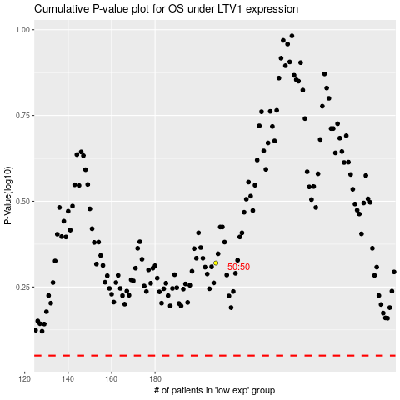

 |  |  |  |  |  | cases_OS | p_OS | rank | exp
 |  |  |  |  |  |  | cases_RFS | p_RFS | rank | exp

