LUC7L2 _multivariate
Reported by Tex Li-Hsing Chi. tex@gate.sinica.edu.tw 2019-08-18

Table 2. The clinicopathological features of HNSCC cohort and LUC7L2 expression. (Chi square test)
Cutoff at -0.142 (49.8%)
 |  | LUC7L2 expression |  | LUC7L2 expression |  | (Optimised)
 | Features | Low | (%) | High | (%) | Case no | P-value | Remark | Matthews
Gender | Female | 147 | 35.4 | 159 | 38.3 | 415 | 0.2523 | 0 | 0
2 | Male | 60 | 14.5 | 49 | 11.8
Age at diagnosis | <=65y | 131 | 31.6 | 143 | 34.5 | 415 | 0.2839 | 0 | 0
4 | >65y | 76 | 18.3 | 65 | 15.7
Clinical T Status | T1+T2 | 75 | 18.1 | 74 | 17.8 | 415 | 0.9707 | 0 | 0
6 | T3+T4 | 132 | 31.8 | 134 | 32.3
Clinical N Status | N0 | 101 | 24.3 | 115 | 27.7 | 415 | 0.2201 | 0 | 0
8 | N1-3 | 106 | 25.5 | 93 | 22.4
Clinical M Status | M0 | 205 | 49.4 | 207 | 49.9 | 415 | 0.6232 | 0 | 0
10 | M1 | 2 | 0.5 | 1 | 0.2
Clinical Stage | Stage I+II | 54 | 13 | 48 | 11.6 | 415 | 0.5498 | 0 | 0
12 | Stage III+IV | 153 | 36.9 | 160 | 38.6
Surgical Margin status | Negative | 171 | 41.2 | 147 | 35.4 | 415 | 0.0052 | 1 | 0
14 | Positive | 36 | 8.7 | 61 | 14.7
Tobacco Exposure | Low | 91 | 21.9 | 70 | 16.9 | 415 | 0.0346 | 1 | 0
16 | High | 116 | 28 | 138 | 33.3

Table 3. Univariate/Multivariate Cox's proportional hazards regression analyses on OS time of LUC7L2 gene expression in HNSCC

 |  | Univariate |  |  |  | Multivariate
 | Features | HR | CI95%(L) | CI95%(H) | P-value | HR | CI95%(L) | CI95%(H) | P-value
1 | Female | 1 |  |  |  | 1
Gender | Male | 1.157 | 0.843 | 1.587 | 0.367 | 1.189 | 0.851 | 1.663 | 0.31
11 | <=65y | 1 |  |  |  | 1
Age at diagnosis | >65y | 1.329 | 0.99 | 1.784 | 0.058 | 1.383 | 1.017 | 1.88 | 0.039
12 | T1+T2 | 1 |  |  |  | 1
Clinical T Status | T3+T4 | 1.409 | 1.028 | 1.931 | 0.033 | 2.158 | 1.139 | 4.087 | 0.018
13 | N0 | 1 |  |  |  | 1
Clinical N Status | N1-3 | 1.185 | 0.89 | 1.577 | 0.246 | 1.208 | 0.843 | 1.733 | 0.304
14 | M0 | 1 |  |  |  | 1
Clinical M Status | M1 | 4.097 | 1.009 | 16.644 | 0.049 | 8.937 | 1.941 | 41.151 | 0.005
15 | Stage I+II | 1 |  |  |  | 1
Clinical Stage | Stage III+IV | 1.245 | 0.882 | 1.759 | 0.213 | 0.525 | 0.243 | 1.131 | 0.1
16 | Negative | 1 |  |  |  | 1
Surgical Margin status | Positive | 1.591 | 1.155 | 2.191 | 0.004 | 1.702 | 1.228 | 2.358 | 0.001
17 | Low | 1 |  |  |  | 1
Tobacco Exposure | High | 1.364 | 1.008 | 1.844 | 0.044 | 1.461 | 1.06 | 2.014 | 0.02
18 | Low | 1 |  |  |  | 1
RNAseq(z-score) | High | 0.894 | 0.67 | 1.191 | 0.443 | 0.88 | 0.653 | 1.186 | 0.401

Table 4. Univariate/Multivariate Cox's proportional hazards regression analyses on RFS time of LUC7L2 gene expression in HNSCC

 |  | Univariate |  |  |  | Multivariate
 | Features | HR | CI95%(L) | CI95%(H) | P-value | HR | CI95%(L) | CI95%(H) | P-value
1 | Female | 1 |  |  |  | 1
Gender | Male | 1.157 | 0.843 | 1.587 | 0.367 | 1.189 | 0.851 | 1.663 | 0.31
11 | <=65y | 1 |  |  |  | 1
Age at diagnosis | >65y | 1.329 | 0.99 | 1.784 | 0.058 | 1.383 | 1.017 | 1.88 | 0.039
12 | T1+T2 | 1 |  |  |  | 1
Clinical T Status | T3+T4 | 1.409 | 1.028 | 1.931 | 0.033 | 2.158 | 1.139 | 4.087 | 0.018
13 | N0 | 1 |  |  |  | 1
Clinical N Status | N1-3 | 1.185 | 0.89 | 1.577 | 0.246 | 1.208 | 0.843 | 1.733 | 0.304
14 | M0 | 1 |  |  |  | 1
Clinical M Status | M1 | 4.097 | 1.009 | 16.644 | 0.049 | 8.937 | 1.941 | 41.151 | 0.005
15 | Stage I+II | 1 |  |  |  | 1
Clinical Stage | Stage III+IV | 1.245 | 0.882 | 1.759 | 0.213 | 0.525 | 0.243 | 1.131 | 0.1
16 | Negative | 1 |  |  |  | 1
Surgical Margin status | Positive | 1.591 | 1.155 | 2.191 | 0.004 | 1.702 | 1.228 | 2.358 | 0.001
17 | Low | 1 |  |  |  | 1
Tobacco Exposure | High | 1.364 | 1.008 | 1.844 | 0.044 | 1.461 | 1.06 | 2.014 | 0.02
18 | Low | 1 |  |  |  | 1
RNAseq(z-score) | High | 0.894 | 0.67 | 1.191 | 0.443 | 0.88 | 0.653 | 1.186 | 0.401

Kaplan-Meier survival estimate: Cutoff at -0.142 (49.8%)



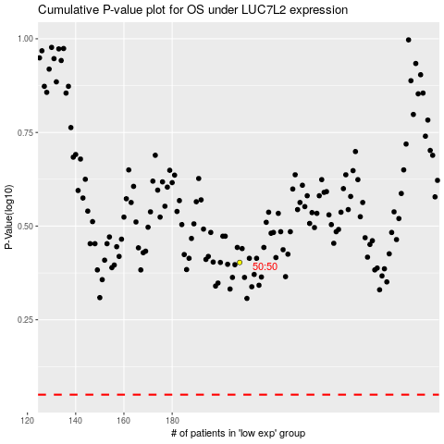

 |  |  |  |  |  | cases_OS | p_OS | rank | exp
 |  |  |  |  |  |  | cases_RFS | p_RFS | rank | exp

