LUZP1 _multivariate
Reported by Tex Li-Hsing Chi. tex@gate.sinica.edu.tw 2019-08-18

Table 2. The clinicopathological features of HNSCC cohort and LUZP1 expression. (Chi square test)
Cutoff at 0.183 (57.0%)
 |  | LUZP1 expression |  | LUZP1 expression |  | (Optimised)
 | Features | Low | (%) | High | (%) | Case no | P-value | Remark | Matthews
Gender | Female | 183 | 44.1 | 123 | 29.6 | 415 | 0.056 | 0 | 0
2 | Male | 53 | 12.8 | 56 | 13.5
Age at diagnosis | <=65y | 159 | 38.3 | 115 | 27.7 | 415 | 0.5745 | 0 | 0
4 | >65y | 77 | 18.6 | 64 | 15.4
Clinical T Status | T1+T2 | 86 | 20.7 | 63 | 15.2 | 415 | 0.874 | 0 | 0
6 | T3+T4 | 150 | 36.1 | 116 | 28
Clinical N Status | N0 | 119 | 28.7 | 97 | 23.4 | 415 | 0.5084 | 0 | 0
8 | N1-3 | 117 | 28.2 | 82 | 19.8
Clinical M Status | M0 | 234 | 56.4 | 178 | 42.9 | 415 | 1 | 0 | 0
10 | M1 | 2 | 0.5 | 1 | 0.2
Clinical Stage | Stage I+II | 54 | 13 | 48 | 11.6 | 415 | 0.4198 | 0 | 0
12 | Stage III+IV | 182 | 43.9 | 131 | 31.6
Surgical Margin status | Negative | 177 | 42.7 | 141 | 34 | 415 | 0.4129 | 0 | 0
14 | Positive | 59 | 14.2 | 38 | 9.2
Tobacco Exposure | Low | 86 | 20.7 | 75 | 18.1 | 415 | 0.2651 | 0 | 0
16 | High | 150 | 36.1 | 104 | 25.1

Table 3. Univariate/Multivariate Cox's proportional hazards regression analyses on OS time of LUZP1 gene expression in HNSCC

 |  | Univariate |  |  |  | Multivariate
 | Features | HR | CI95%(L) | CI95%(H) | P-value | HR | CI95%(L) | CI95%(H) | P-value
1 | Female | 1 |  |  |  | 1
Gender | Male | 1.157 | 0.843 | 1.587 | 0.367 | 1.164 | 0.833 | 1.627 | 0.373
11 | <=65y | 1 |  |  |  | 1
Age at diagnosis | >65y | 1.329 | 0.99 | 1.784 | 0.058 | 1.391 | 1.022 | 1.893 | 0.036
12 | T1+T2 | 1 |  |  |  | 1
Clinical T Status | T3+T4 | 1.409 | 1.028 | 1.931 | 0.033 | 2.131 | 1.126 | 4.033 | 0.02
13 | N0 | 1 |  |  |  | 1
Clinical N Status | N1-3 | 1.185 | 0.89 | 1.577 | 0.246 | 1.25 | 0.876 | 1.783 | 0.218
14 | M0 | 1 |  |  |  | 1
Clinical M Status | M1 | 4.097 | 1.009 | 16.644 | 0.049 | 9.731 | 2.122 | 44.619 | 0.003
15 | Stage I+II | 1 |  |  |  | 1
Clinical Stage | Stage III+IV | 1.245 | 0.882 | 1.759 | 0.213 | 0.537 | 0.25 | 1.153 | 0.111
16 | Negative | 1 |  |  |  | 1
Surgical Margin status | Positive | 1.591 | 1.155 | 2.191 | 0.004 | 1.723 | 1.245 | 2.383 | 0.001
17 | Low | 1 |  |  |  | 1
Tobacco Exposure | High | 1.364 | 1.008 | 1.844 | 0.044 | 1.468 | 1.064 | 2.025 | 0.019
18 | Low | 1 |  |  |  | 1
RNAseq(z-score) | High | 1.365 | 1.022 | 1.823 | 0.035 | 1.415 | 1.055 | 1.899 | 0.021

Table 4. Univariate/Multivariate Cox's proportional hazards regression analyses on RFS time of LUZP1 gene expression in HNSCC

 |  | Univariate |  |  |  | Multivariate
 | Features | HR | CI95%(L) | CI95%(H) | P-value | HR | CI95%(L) | CI95%(H) | P-value
1 | Female | 1 |  |  |  | 1
Gender | Male | 1.157 | 0.843 | 1.587 | 0.367 | 1.164 | 0.833 | 1.627 | 0.373
11 | <=65y | 1 |  |  |  | 1
Age at diagnosis | >65y | 1.329 | 0.99 | 1.784 | 0.058 | 1.391 | 1.022 | 1.893 | 0.036
12 | T1+T2 | 1 |  |  |  | 1
Clinical T Status | T3+T4 | 1.409 | 1.028 | 1.931 | 0.033 | 2.131 | 1.126 | 4.033 | 0.02
13 | N0 | 1 |  |  |  | 1
Clinical N Status | N1-3 | 1.185 | 0.89 | 1.577 | 0.246 | 1.25 | 0.876 | 1.783 | 0.218
14 | M0 | 1 |  |  |  | 1
Clinical M Status | M1 | 4.097 | 1.009 | 16.644 | 0.049 | 9.731 | 2.122 | 44.619 | 0.003
15 | Stage I+II | 1 |  |  |  | 1
Clinical Stage | Stage III+IV | 1.245 | 0.882 | 1.759 | 0.213 | 0.537 | 0.25 | 1.153 | 0.111
16 | Negative | 1 |  |  |  | 1
Surgical Margin status | Positive | 1.591 | 1.155 | 2.191 | 0.004 | 1.723 | 1.245 | 2.383 | 0.001
17 | Low | 1 |  |  |  | 1
Tobacco Exposure | High | 1.364 | 1.008 | 1.844 | 0.044 | 1.468 | 1.064 | 2.025 | 0.019
18 | Low | 1 |  |  |  | 1
RNAseq(z-score) | High | 1.365 | 1.022 | 1.823 | 0.035 | 1.415 | 1.055 | 1.899 | 0.021

Kaplan-Meier survival estimate: Cutoff at 0.183 (57.0%)



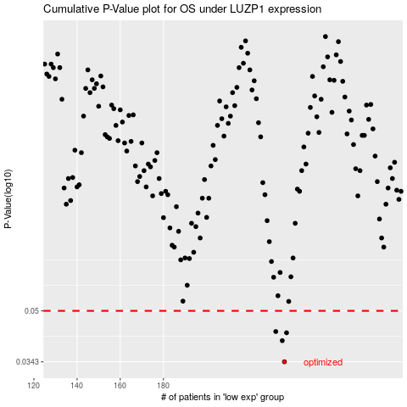

 |  |  |  |  |  | cases_OS | p_OS | rank | exp
 |  |  |  |  |  | 236 | 0.0343 | 265 | 0.18307966978
 |  |  |  |  |  | 235 | 0.0401 | 91 | 0.17802479608
 |  |  |  |  |  | 237 | 0.0425 | 181 | 0.19162991559
 |  |  |  |  |  | 232 | 0.0429 | 23 | 0.17337381392
 |  |  |  |  |  |  | cases_RFS | p_RFS | rank | exp
 |  |  |  |  |  |  | 235 | 0.0343 | 91 | 0.17802479608
 |  |  |  |  |  |  | 234 | 0.0401 | 230 | 0.174095065
 |  |  |  |  |  |  | 236 | 0.0425 | 265 | 0.18307966978
 |  |  |  |  |  |  | 231 | 0.0429 | 232 | 0.16929525686

