LUZP6 _multivariate
Reported by Tex Li-Hsing Chi. tex@gate.sinica.edu.tw 2019-08-18

Table 2. The clinicopathological features of HNSCC cohort and LUZP6 expression. (Chi square test)
Cutoff at -0.116 (49.8%)
 |  | LUZP6 expression |  | LUZP6 expression |  | (Optimised)
 | Features | Low | (%) | High | (%) | Case no | P-value | Remark | Matthews
Gender | Female | 161 | 38.8 | 145 | 34.9 | 415 | 0.0792 | 0 | 0
2 | Male | 46 | 11.1 | 63 | 15.2
Age at diagnosis | <=65y | 143 | 34.5 | 131 | 31.6 | 415 | 0.2269 | 0 | 0
4 | >65y | 64 | 15.4 | 77 | 18.6
Clinical T Status | T1+T2 | 71 | 17.1 | 78 | 18.8 | 415 | 0.5638 | 0 | 0
6 | T3+T4 | 136 | 32.8 | 130 | 31.3
Clinical N Status | N0 | 100 | 24.1 | 116 | 28 | 415 | 0.1548 | 0 | 0
8 | N1-3 | 107 | 25.8 | 92 | 22.2
Clinical M Status | M0 | 205 | 49.4 | 207 | 49.9 | 415 | 0.6232 | 0 | 0
10 | M1 | 2 | 0.5 | 1 | 0.2
Clinical Stage | Stage I+II | 40 | 9.6 | 62 | 14.9 | 415 | 0.018 | 1 | 0
12 | Stage III+IV | 167 | 40.2 | 146 | 35.2
Surgical Margin status | Negative | 155 | 37.3 | 163 | 39.3 | 415 | 0.4187 | 0 | 0
14 | Positive | 52 | 12.5 | 45 | 10.8
Tobacco Exposure | Low | 77 | 18.6 | 84 | 20.2 | 415 | 0.5459 | 0 | 0
16 | High | 130 | 31.3 | 124 | 29.9

Table 3. Univariate/Multivariate Cox's proportional hazards regression analyses on OS time of LUZP6 gene expression in HNSCC

 |  | Univariate |  |  |  | Multivariate
 | Features | HR | CI95%(L) | CI95%(H) | P-value | HR | CI95%(L) | CI95%(H) | P-value
1 | Female | 1 |  |  |  | 1
Gender | Male | 1.157 | 0.843 | 1.587 | 0.367 | 1.198 | 0.859 | 1.671 | 0.288
11 | <=65y | 1 |  |  |  | 1
Age at diagnosis | >65y | 1.329 | 0.99 | 1.784 | 0.058 | 1.389 | 1.022 | 1.888 | 0.036
12 | T1+T2 | 1 |  |  |  | 1
Clinical T Status | T3+T4 | 1.409 | 1.028 | 1.931 | 0.033 | 2.156 | 1.14 | 4.078 | 0.018
13 | N0 | 1 |  |  |  | 1
Clinical N Status | N1-3 | 1.185 | 0.89 | 1.577 | 0.246 | 1.248 | 0.874 | 1.781 | 0.222
14 | M0 | 1 |  |  |  | 1
Clinical M Status | M1 | 4.097 | 1.009 | 16.644 | 0.049 | 9.739 | 2.123 | 44.674 | 0.003
15 | Stage I+II | 1 |  |  |  | 1
Clinical Stage | Stage III+IV | 1.245 | 0.882 | 1.759 | 0.213 | 0.529 | 0.246 | 1.138 | 0.103
16 | Negative | 1 |  |  |  | 1
Surgical Margin status | Positive | 1.591 | 1.155 | 2.191 | 0.004 | 1.699 | 1.228 | 2.35 | 0.001
17 | Low | 1 |  |  |  | 1
Tobacco Exposure | High | 1.364 | 1.008 | 1.844 | 0.044 | 1.443 | 1.048 | 1.987 | 0.025
18 | Low | 1 |  |  |  | 1
RNAseq(z-score) | High | 1.169 | 0.877 | 1.559 | 0.286 | 1.226 | 0.915 | 1.641 | 0.172

Table 4. Univariate/Multivariate Cox's proportional hazards regression analyses on RFS time of LUZP6 gene expression in HNSCC

 |  | Univariate |  |  |  | Multivariate
 | Features | HR | CI95%(L) | CI95%(H) | P-value | HR | CI95%(L) | CI95%(H) | P-value
1 | Female | 1 |  |  |  | 1
Gender | Male | 1.157 | 0.843 | 1.587 | 0.367 | 1.198 | 0.859 | 1.671 | 0.288
11 | <=65y | 1 |  |  |  | 1
Age at diagnosis | >65y | 1.329 | 0.99 | 1.784 | 0.058 | 1.389 | 1.022 | 1.888 | 0.036
12 | T1+T2 | 1 |  |  |  | 1
Clinical T Status | T3+T4 | 1.409 | 1.028 | 1.931 | 0.033 | 2.156 | 1.14 | 4.078 | 0.018
13 | N0 | 1 |  |  |  | 1
Clinical N Status | N1-3 | 1.185 | 0.89 | 1.577 | 0.246 | 1.248 | 0.874 | 1.781 | 0.222
14 | M0 | 1 |  |  |  | 1
Clinical M Status | M1 | 4.097 | 1.009 | 16.644 | 0.049 | 9.739 | 2.123 | 44.674 | 0.003
15 | Stage I+II | 1 |  |  |  | 1
Clinical Stage | Stage III+IV | 1.245 | 0.882 | 1.759 | 0.213 | 0.529 | 0.246 | 1.138 | 0.103
16 | Negative | 1 |  |  |  | 1
Surgical Margin status | Positive | 1.591 | 1.155 | 2.191 | 0.004 | 1.699 | 1.228 | 2.35 | 0.001
17 | Low | 1 |  |  |  | 1
Tobacco Exposure | High | 1.364 | 1.008 | 1.844 | 0.044 | 1.443 | 1.048 | 1.987 | 0.025
18 | Low | 1 |  |  |  | 1
RNAseq(z-score) | High | 1.169 | 0.877 | 1.559 | 0.286 | 1.226 | 0.915 | 1.641 | 0.172

Kaplan-Meier survival estimate: Cutoff at -0.116 (49.8%)



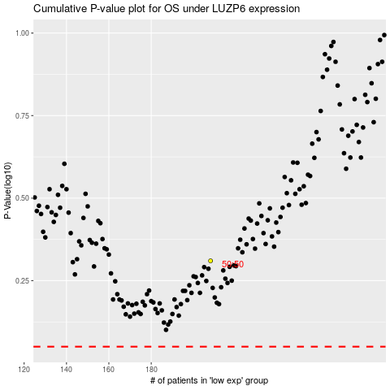

 |  |  |  |  |  | cases_OS | p_OS | rank | exp
 |  |  |  |  |  |  | cases_RFS | p_RFS | rank | exp

