LY6D _multivariate
Reported by Tex Li-Hsing Chi. tex@gate.sinica.edu.tw 2019-08-18

Table 2. The clinicopathological features of HNSCC cohort and LY6D expression. (Chi square test)
Cutoff at -0.053 (63.0%)
 |  | LY6D expression |  | LY6D expression |  | (Optimised)
 | Features | Low | (%) | High | (%) | Case no | P-value | Remark | Matthews
Gender | Female | 201 | 48.4 | 105 | 25.3 | 415 | 0.0908 | 0 | 0
2 | Male | 61 | 14.7 | 48 | 11.6
Age at diagnosis | <=65y | 176 | 42.4 | 98 | 23.6 | 415 | 0.5887 | 0 | 0
4 | >65y | 86 | 20.7 | 55 | 13.3
Clinical T Status | T1+T2 | 95 | 22.9 | 54 | 13 | 415 | 0.9269 | 0 | 0
6 | T3+T4 | 167 | 40.2 | 99 | 23.9
Clinical N Status | N0 | 131 | 31.6 | 85 | 20.5 | 415 | 0.3216 | 0 | 0
8 | N1-3 | 131 | 31.6 | 68 | 16.4
Clinical M Status | M0 | 259 | 62.4 | 153 | 36.9 | 415 | 0.3001 | 0 | 0
10 | M1 | 3 | 0.7 | 0 | 0
Clinical Stage | Stage I+II | 60 | 14.5 | 42 | 10.1 | 415 | 0.3573 | 0 | 0
12 | Stage III+IV | 202 | 48.7 | 111 | 26.7
Surgical Margin status | Negative | 195 | 47 | 123 | 29.6 | 415 | 0.1867 | 0 | 0
14 | Positive | 67 | 16.1 | 30 | 7.2
Tobacco Exposure | Low | 96 | 23.1 | 65 | 15.7 | 415 | 0.2519 | 0 | 0
16 | High | 166 | 40 | 88 | 21.2

Table 3. Univariate/Multivariate Cox's proportional hazards regression analyses on OS time of LY6D gene expression in HNSCC

 |  | Univariate |  |  |  | Multivariate
 | Features | HR | CI95%(L) | CI95%(H) | P-value | HR | CI95%(L) | CI95%(H) | P-value
1 | Female | 1 |  |  |  | 1
Gender | Male | 1.157 | 0.843 | 1.587 | 0.367 | 1.252 | 0.895 | 1.752 | 0.189
11 | <=65y | 1 |  |  |  | 1
Age at diagnosis | >65y | 1.329 | 0.99 | 1.784 | 0.058 | 1.413 | 1.037 | 1.924 | 0.028
12 | T1+T2 | 1 |  |  |  | 1
Clinical T Status | T3+T4 | 1.409 | 1.028 | 1.931 | 0.033 | 2.317 | 1.223 | 4.39 | 0.01
13 | N0 | 1 |  |  |  | 1
Clinical N Status | N1-3 | 1.185 | 0.89 | 1.577 | 0.246 | 1.26 | 0.883 | 1.797 | 0.203
14 | M0 | 1 |  |  |  | 1
Clinical M Status | M1 | 4.097 | 1.009 | 16.644 | 0.049 | 8.851 | 1.928 | 40.623 | 0.005
15 | Stage I+II | 1 |  |  |  | 1
Clinical Stage | Stage III+IV | 1.245 | 0.882 | 1.759 | 0.213 | 0.47 | 0.218 | 1.011 | 0.053
16 | Negative | 1 |  |  |  | 1
Surgical Margin status | Positive | 1.591 | 1.155 | 2.191 | 0.004 | 1.664 | 1.203 | 2.3 | 0.002
17 | Low | 1 |  |  |  | 1
Tobacco Exposure | High | 1.364 | 1.008 | 1.844 | 0.044 | 1.453 | 1.054 | 2.002 | 0.023
18 | Low | 1 |  |  |  | 1
RNAseq(z-score) | High | 0.729 | 0.535 | 0.995 | 0.046 | 0.706 | 0.515 | 0.968 | 0.03

Table 4. Univariate/Multivariate Cox's proportional hazards regression analyses on RFS time of LY6D gene expression in HNSCC

 |  | Univariate |  |  |  | Multivariate
 | Features | HR | CI95%(L) | CI95%(H) | P-value | HR | CI95%(L) | CI95%(H) | P-value
1 | Female | 1 |  |  |  | 1
Gender | Male | 1.157 | 0.843 | 1.587 | 0.367 | 1.252 | 0.895 | 1.752 | 0.189
11 | <=65y | 1 |  |  |  | 1
Age at diagnosis | >65y | 1.329 | 0.99 | 1.784 | 0.058 | 1.413 | 1.037 | 1.924 | 0.028
12 | T1+T2 | 1 |  |  |  | 1
Clinical T Status | T3+T4 | 1.409 | 1.028 | 1.931 | 0.033 | 2.317 | 1.223 | 4.39 | 0.01
13 | N0 | 1 |  |  |  | 1
Clinical N Status | N1-3 | 1.185 | 0.89 | 1.577 | 0.246 | 1.26 | 0.883 | 1.797 | 0.203
14 | M0 | 1 |  |  |  | 1
Clinical M Status | M1 | 4.097 | 1.009 | 16.644 | 0.049 | 8.851 | 1.928 | 40.623 | 0.005
15 | Stage I+II | 1 |  |  |  | 1
Clinical Stage | Stage III+IV | 1.245 | 0.882 | 1.759 | 0.213 | 0.47 | 0.218 | 1.011 | 0.053
16 | Negative | 1 |  |  |  | 1
Surgical Margin status | Positive | 1.591 | 1.155 | 2.191 | 0.004 | 1.664 | 1.203 | 2.3 | 0.002
17 | Low | 1 |  |  |  | 1
Tobacco Exposure | High | 1.364 | 1.008 | 1.844 | 0.044 | 1.453 | 1.054 | 2.002 | 0.023
18 | Low | 1 |  |  |  | 1
RNAseq(z-score) | High | 0.729 | 0.535 | 0.995 | 0.046 | 0.706 | 0.515 | 0.968 | 0.03

Kaplan-Meier survival estimate: Cutoff at -0.053 (63.0%)



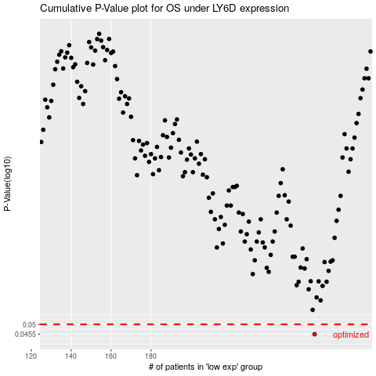

 |  |  |  |  |  | cases_OS | p_OS | rank | exp
 |  |  |  |  |  | 262 | 0.0455 | 188 | -0.052917846213
 |  |  |  |  |  |  | cases_RFS | p_RFS | rank | exp
 |  |  |  |  |  |  | 261 | 0.0455 | 236 | -0.055160320558

