LY6G5C _multivariate
Reported by Tex Li-Hsing Chi. tex@gate.sinica.edu.tw 2019-08-18

Table 2. The clinicopathological features of HNSCC cohort and LY6G5C expression. (Chi square test)
Cutoff at -0.257 (49.8%)
 |  | LY6G5C expression |  | LY6G5C expression |  | (Optimised)
 | Features | Low | (%) | High | (%) | Case no | P-value | Remark | Matthews
Gender | Female | 148 | 35.7 | 158 | 38.1 | 415 | 0.3567 | 0 | 0
2 | Male | 59 | 14.2 | 50 | 12
Age at diagnosis | <=65y | 135 | 32.5 | 139 | 33.5 | 415 | 0.8084 | 0 | 0
4 | >65y | 72 | 17.3 | 69 | 16.6
Clinical T Status | T1+T2 | 65 | 15.7 | 84 | 20.2 | 415 | 0.0711 | 0 | 0
6 | T3+T4 | 142 | 34.2 | 124 | 29.9
Clinical N Status | N0 | 106 | 25.5 | 110 | 26.5 | 415 | 0.8075 | 0 | 0
8 | N1-3 | 101 | 24.3 | 98 | 23.6
Clinical M Status | M0 | 206 | 49.6 | 206 | 49.6 | 415 | 1 | 0 | 0
10 | M1 | 1 | 0.2 | 2 | 0.5
Clinical Stage | Stage I+II | 47 | 11.3 | 55 | 13.3 | 415 | 0.4413 | 0 | 0
12 | Stage III+IV | 160 | 38.6 | 153 | 36.9
Surgical Margin status | Negative | 160 | 38.6 | 158 | 38.1 | 415 | 0.8167 | 0 | 0
14 | Positive | 47 | 11.3 | 50 | 12
Tobacco Exposure | Low | 87 | 21 | 74 | 17.8 | 415 | 0.1911 | 0 | 0
16 | High | 120 | 28.9 | 134 | 32.3

Table 3. Univariate/Multivariate Cox's proportional hazards regression analyses on OS time of LY6G5C gene expression in HNSCC

 |  | Univariate |  |  |  | Multivariate
 | Features | HR | CI95%(L) | CI95%(H) | P-value | HR | CI95%(L) | CI95%(H) | P-value
1 | Female | 1 |  |  |  | 1
Gender | Male | 1.157 | 0.843 | 1.587 | 0.367 | 1.2 | 0.859 | 1.678 | 0.285
11 | <=65y | 1 |  |  |  | 1
Age at diagnosis | >65y | 1.329 | 0.99 | 1.784 | 0.058 | 1.386 | 1.019 | 1.885 | 0.037
12 | T1+T2 | 1 |  |  |  | 1
Clinical T Status | T3+T4 | 1.409 | 1.028 | 1.931 | 0.033 | 2.148 | 1.135 | 4.064 | 0.019
13 | N0 | 1 |  |  |  | 1
Clinical N Status | N1-3 | 1.185 | 0.89 | 1.577 | 0.246 | 1.246 | 0.873 | 1.778 | 0.227
14 | M0 | 1 |  |  |  | 1
Clinical M Status | M1 | 4.097 | 1.009 | 16.644 | 0.049 | 9.826 | 2.141 | 45.094 | 0.003
15 | Stage I+II | 1 |  |  |  | 1
Clinical Stage | Stage III+IV | 1.245 | 0.882 | 1.759 | 0.213 | 0.512 | 0.238 | 1.099 | 0.086
16 | Negative | 1 |  |  |  | 1
Surgical Margin status | Positive | 1.591 | 1.155 | 2.191 | 0.004 | 1.691 | 1.223 | 2.338 | 0.001
17 | Low | 1 |  |  |  | 1
Tobacco Exposure | High | 1.364 | 1.008 | 1.844 | 0.044 | 1.492 | 1.08 | 2.062 | 0.015
18 | Low | 1 |  |  |  | 1
RNAseq(z-score) | High | 0.837 | 0.628 | 1.116 | 0.225 | 0.81 | 0.605 | 1.084 | 0.157

Table 4. Univariate/Multivariate Cox's proportional hazards regression analyses on RFS time of LY6G5C gene expression in HNSCC

 |  | Univariate |  |  |  | Multivariate
 | Features | HR | CI95%(L) | CI95%(H) | P-value | HR | CI95%(L) | CI95%(H) | P-value
1 | Female | 1 |  |  |  | 1
Gender | Male | 1.157 | 0.843 | 1.587 | 0.367 | 1.2 | 0.859 | 1.678 | 0.285
11 | <=65y | 1 |  |  |  | 1
Age at diagnosis | >65y | 1.329 | 0.99 | 1.784 | 0.058 | 1.386 | 1.019 | 1.885 | 0.037
12 | T1+T2 | 1 |  |  |  | 1
Clinical T Status | T3+T4 | 1.409 | 1.028 | 1.931 | 0.033 | 2.148 | 1.135 | 4.064 | 0.019
13 | N0 | 1 |  |  |  | 1
Clinical N Status | N1-3 | 1.185 | 0.89 | 1.577 | 0.246 | 1.246 | 0.873 | 1.778 | 0.227
14 | M0 | 1 |  |  |  | 1
Clinical M Status | M1 | 4.097 | 1.009 | 16.644 | 0.049 | 9.826 | 2.141 | 45.094 | 0.003
15 | Stage I+II | 1 |  |  |  | 1
Clinical Stage | Stage III+IV | 1.245 | 0.882 | 1.759 | 0.213 | 0.512 | 0.238 | 1.099 | 0.086
16 | Negative | 1 |  |  |  | 1
Surgical Margin status | Positive | 1.591 | 1.155 | 2.191 | 0.004 | 1.691 | 1.223 | 2.338 | 0.001
17 | Low | 1 |  |  |  | 1
Tobacco Exposure | High | 1.364 | 1.008 | 1.844 | 0.044 | 1.492 | 1.08 | 2.062 | 0.015
18 | Low | 1 |  |  |  | 1
RNAseq(z-score) | High | 0.837 | 0.628 | 1.116 | 0.225 | 0.81 | 0.605 | 1.084 | 0.157

Kaplan-Meier survival estimate: Cutoff at -0.257 (49.8%)



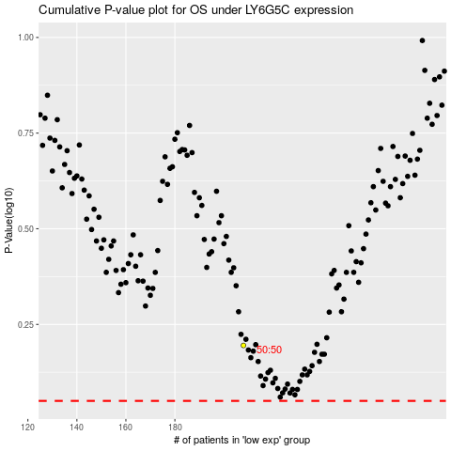

 |  |  |  |  |  | cases_OS | p_OS | rank | exp
 |  |  |  |  |  |  | cases_RFS | p_RFS | rank | exp

