LY6H _multivariate
Reported by Tex Li-Hsing Chi. tex@gate.sinica.edu.tw 2019-08-18

Table 2. The clinicopathological features of HNSCC cohort and LY6H expression. (Chi square test)
Cutoff at -0.078 (50.0%)
 |  | LY6H expression |  | LY6H expression |  | (Optimised)
 | Features | Low | (%) | High | (%) | Case no | P-value | Remark | Matthews
Gender | Female | 154 | 37.1 | 152 | 36.6 | 415 | 0.8463 | 0 | 0
2 | Male | 53 | 12.8 | 56 | 13.5
Age at diagnosis | <=65y | 135 | 32.5 | 139 | 33.5 | 415 | 0.8084 | 0 | 0
4 | >65y | 72 | 17.3 | 69 | 16.6
Clinical T Status | T1+T2 | 79 | 19 | 70 | 16.9 | 415 | 0.3924 | 0 | 0
6 | T3+T4 | 128 | 30.8 | 138 | 33.3
Clinical N Status | N0 | 110 | 26.5 | 106 | 25.5 | 415 | 0.7294 | 0 | 0
8 | N1-3 | 97 | 23.4 | 102 | 24.6
Clinical M Status | M0 | 204 | 49.2 | 208 | 50.1 | 415 | 0.1232 | 0 | 0
10 | M1 | 3 | 0.7 | 0 | 0
Clinical Stage | Stage I+II | 54 | 13 | 48 | 11.6 | 415 | 0.5498 | 0 | 0
12 | Stage III+IV | 153 | 36.9 | 160 | 38.6
Surgical Margin status | Negative | 165 | 39.8 | 153 | 36.9 | 415 | 0.1639 | 0 | 0
14 | Positive | 42 | 10.1 | 55 | 13.3
Tobacco Exposure | Low | 82 | 19.8 | 79 | 19 | 415 | 0.763 | 0 | 0
16 | High | 125 | 30.1 | 129 | 31.1

Table 3. Univariate/Multivariate Cox's proportional hazards regression analyses on OS time of LY6H gene expression in HNSCC

 |  | Univariate |  |  |  | Multivariate
 | Features | HR | CI95%(L) | CI95%(H) | P-value | HR | CI95%(L) | CI95%(H) | P-value
1 | Female | 1 |  |  |  | 1
Gender | Male | 1.157 | 0.843 | 1.587 | 0.367 | 1.208 | 0.865 | 1.688 | 0.268
11 | <=65y | 1 |  |  |  | 1
Age at diagnosis | >65y | 1.329 | 0.99 | 1.784 | 0.058 | 1.391 | 1.024 | 1.89 | 0.035
12 | T1+T2 | 1 |  |  |  | 1
Clinical T Status | T3+T4 | 1.409 | 1.028 | 1.931 | 0.033 | 2.232 | 1.18 | 4.223 | 0.014
13 | N0 | 1 |  |  |  | 1
Clinical N Status | N1-3 | 1.185 | 0.89 | 1.577 | 0.246 | 1.25 | 0.876 | 1.783 | 0.219
14 | M0 | 1 |  |  |  | 1
Clinical M Status | M1 | 4.097 | 1.009 | 16.644 | 0.049 | 8.822 | 1.916 | 40.625 | 0.005
15 | Stage I+II | 1 |  |  |  | 1
Clinical Stage | Stage III+IV | 1.245 | 0.882 | 1.759 | 0.213 | 0.505 | 0.235 | 1.084 | 0.08
16 | Negative | 1 |  |  |  | 1
Surgical Margin status | Positive | 1.591 | 1.155 | 2.191 | 0.004 | 1.696 | 1.226 | 2.346 | 0.001
17 | Low | 1 |  |  |  | 1
Tobacco Exposure | High | 1.364 | 1.008 | 1.844 | 0.044 | 1.455 | 1.057 | 2.003 | 0.021
18 | Low | 1 |  |  |  | 1
RNAseq(z-score) | High | 0.92 | 0.69 | 1.226 | 0.567 | 0.862 | 0.644 | 1.154 | 0.319

Table 4. Univariate/Multivariate Cox's proportional hazards regression analyses on RFS time of LY6H gene expression in HNSCC

 |  | Univariate |  |  |  | Multivariate
 | Features | HR | CI95%(L) | CI95%(H) | P-value | HR | CI95%(L) | CI95%(H) | P-value
1 | Female | 1 |  |  |  | 1
Gender | Male | 1.157 | 0.843 | 1.587 | 0.367 | 1.208 | 0.865 | 1.688 | 0.268
11 | <=65y | 1 |  |  |  | 1
Age at diagnosis | >65y | 1.329 | 0.99 | 1.784 | 0.058 | 1.391 | 1.024 | 1.89 | 0.035
12 | T1+T2 | 1 |  |  |  | 1
Clinical T Status | T3+T4 | 1.409 | 1.028 | 1.931 | 0.033 | 2.232 | 1.18 | 4.223 | 0.014
13 | N0 | 1 |  |  |  | 1
Clinical N Status | N1-3 | 1.185 | 0.89 | 1.577 | 0.246 | 1.25 | 0.876 | 1.783 | 0.219
14 | M0 | 1 |  |  |  | 1
Clinical M Status | M1 | 4.097 | 1.009 | 16.644 | 0.049 | 8.822 | 1.916 | 40.625 | 0.005
15 | Stage I+II | 1 |  |  |  | 1
Clinical Stage | Stage III+IV | 1.245 | 0.882 | 1.759 | 0.213 | 0.505 | 0.235 | 1.084 | 0.08
16 | Negative | 1 |  |  |  | 1
Surgical Margin status | Positive | 1.591 | 1.155 | 2.191 | 0.004 | 1.696 | 1.226 | 2.346 | 0.001
17 | Low | 1 |  |  |  | 1
Tobacco Exposure | High | 1.364 | 1.008 | 1.844 | 0.044 | 1.455 | 1.057 | 2.003 | 0.021
18 | Low | 1 |  |  |  | 1
RNAseq(z-score) | High | 0.92 | 0.69 | 1.226 | 0.567 | 0.862 | 0.644 | 1.154 | 0.319

Kaplan-Meier survival estimate: Cutoff at -0.078 (50.0%)



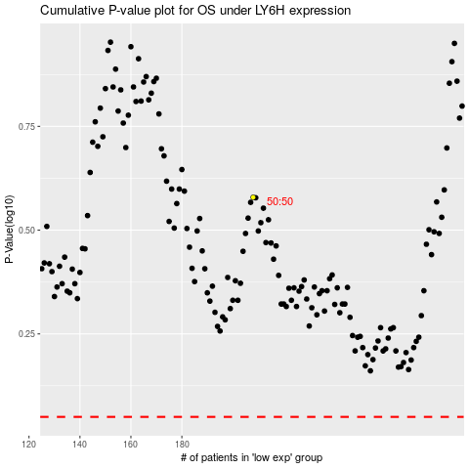

 |  |  |  |  |  | cases_OS | p_OS | rank | exp
 |  |  |  |  |  |  | cases_RFS | p_RFS | rank | exp

