LY96 _multivariate
Reported by Tex Li-Hsing Chi. tex@gate.sinica.edu.tw 2019-08-18

Table 2. The clinicopathological features of HNSCC cohort and LY96 expression. (Chi square test)
Cutoff at -0.219 (49.8%)
 |  | LY96 expression |  | LY96 expression |  | (Optimised)
 | Features | Low | (%) | High | (%) | Case no | P-value | Remark | Matthews
Gender | Female | 162 | 39 | 144 | 34.7 | 415 | 0.0479 | 1 | 0
2 | Male | 45 | 10.8 | 64 | 15.4
Age at diagnosis | <=65y | 144 | 34.7 | 130 | 31.3 | 415 | 0.1568 | 0 | 0
4 | >65y | 63 | 15.2 | 78 | 18.8
Clinical T Status | T1+T2 | 71 | 17.1 | 78 | 18.8 | 415 | 0.5638 | 0 | 0
6 | T3+T4 | 136 | 32.8 | 130 | 31.3
Clinical N Status | N0 | 112 | 27 | 104 | 25.1 | 415 | 0.4599 | 0 | 0
8 | N1-3 | 95 | 22.9 | 104 | 25.1
Clinical M Status | M0 | 206 | 49.6 | 206 | 49.6 | 415 | 1 | 0 | 0
10 | M1 | 1 | 0.2 | 2 | 0.5
Clinical Stage | Stage I+II | 52 | 12.5 | 50 | 12 | 415 | 0.8871 | 0 | 0
12 | Stage III+IV | 155 | 37.3 | 158 | 38.1
Surgical Margin status | Negative | 158 | 38.1 | 160 | 38.6 | 415 | 0.9081 | 0 | 0
14 | Positive | 49 | 11.8 | 48 | 11.6
Tobacco Exposure | Low | 81 | 19.5 | 80 | 19.3 | 415 | 0.9199 | 0 | 0
16 | High | 126 | 30.4 | 128 | 30.8

Table 3. Univariate/Multivariate Cox's proportional hazards regression analyses on OS time of LY96 gene expression in HNSCC

 |  | Univariate |  |  |  | Multivariate
 | Features | HR | CI95%(L) | CI95%(H) | P-value | HR | CI95%(L) | CI95%(H) | P-value
1 | Female | 1 |  |  |  | 1
Gender | Male | 1.157 | 0.843 | 1.587 | 0.367 | 1.183 | 0.845 | 1.656 | 0.327
11 | <=65y | 1 |  |  |  | 1
Age at diagnosis | >65y | 1.329 | 0.99 | 1.784 | 0.058 | 1.395 | 1.027 | 1.896 | 0.033
12 | T1+T2 | 1 |  |  |  | 1
Clinical T Status | T3+T4 | 1.409 | 1.028 | 1.931 | 0.033 | 2.21 | 1.169 | 4.177 | 0.015
13 | N0 | 1 |  |  |  | 1
Clinical N Status | N1-3 | 1.185 | 0.89 | 1.577 | 0.246 | 1.233 | 0.864 | 1.76 | 0.247
14 | M0 | 1 |  |  |  | 1
Clinical M Status | M1 | 4.097 | 1.009 | 16.644 | 0.049 | 9.262 | 2.02 | 42.463 | 0.004
15 | Stage I+II | 1 |  |  |  | 1
Clinical Stage | Stage III+IV | 1.245 | 0.882 | 1.759 | 0.213 | 0.507 | 0.236 | 1.088 | 0.081
16 | Negative | 1 |  |  |  | 1
Surgical Margin status | Positive | 1.591 | 1.155 | 2.191 | 0.004 | 1.662 | 1.203 | 2.296 | 0.002
17 | Low | 1 |  |  |  | 1
Tobacco Exposure | High | 1.364 | 1.008 | 1.844 | 0.044 | 1.443 | 1.047 | 1.988 | 0.025
18 | Low | 1 |  |  |  | 1
RNAseq(z-score) | High | 1.151 | 0.864 | 1.534 | 0.337 | 1.127 | 0.843 | 1.506 | 0.419

Table 4. Univariate/Multivariate Cox's proportional hazards regression analyses on RFS time of LY96 gene expression in HNSCC

 |  | Univariate |  |  |  | Multivariate
 | Features | HR | CI95%(L) | CI95%(H) | P-value | HR | CI95%(L) | CI95%(H) | P-value
1 | Female | 1 |  |  |  | 1
Gender | Male | 1.157 | 0.843 | 1.587 | 0.367 | 1.183 | 0.845 | 1.656 | 0.327
11 | <=65y | 1 |  |  |  | 1
Age at diagnosis | >65y | 1.329 | 0.99 | 1.784 | 0.058 | 1.395 | 1.027 | 1.896 | 0.033
12 | T1+T2 | 1 |  |  |  | 1
Clinical T Status | T3+T4 | 1.409 | 1.028 | 1.931 | 0.033 | 2.21 | 1.169 | 4.177 | 0.015
13 | N0 | 1 |  |  |  | 1
Clinical N Status | N1-3 | 1.185 | 0.89 | 1.577 | 0.246 | 1.233 | 0.864 | 1.76 | 0.247
14 | M0 | 1 |  |  |  | 1
Clinical M Status | M1 | 4.097 | 1.009 | 16.644 | 0.049 | 9.262 | 2.02 | 42.463 | 0.004
15 | Stage I+II | 1 |  |  |  | 1
Clinical Stage | Stage III+IV | 1.245 | 0.882 | 1.759 | 0.213 | 0.507 | 0.236 | 1.088 | 0.081
16 | Negative | 1 |  |  |  | 1
Surgical Margin status | Positive | 1.591 | 1.155 | 2.191 | 0.004 | 1.662 | 1.203 | 2.296 | 0.002
17 | Low | 1 |  |  |  | 1
Tobacco Exposure | High | 1.364 | 1.008 | 1.844 | 0.044 | 1.443 | 1.047 | 1.988 | 0.025
18 | Low | 1 |  |  |  | 1
RNAseq(z-score) | High | 1.151 | 0.864 | 1.534 | 0.337 | 1.127 | 0.843 | 1.506 | 0.419

Kaplan-Meier survival estimate: Cutoff at -0.219 (49.8%)



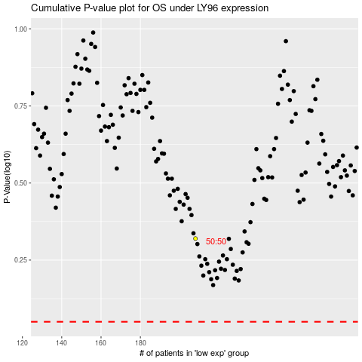

 |  |  |  |  |  | cases_OS | p_OS | rank | exp
 |  |  |  |  |  |  | cases_RFS | p_RFS | rank | exp

