LYAR _multivariate
Reported by Tex Li-Hsing Chi. tex@gate.sinica.edu.tw 2019-08-18

Table 2. The clinicopathological features of HNSCC cohort and LYAR expression. (Chi square test)
Cutoff at -0.423 (37.9%)
 |  | LYAR expression |  | LYAR expression |  | (Optimised)
 | Features | Low | (%) | High | (%) | Case no | P-value | Remark | Matthews
Gender | Female | 124 | 29.9 | 182 | 43.9 | 415 | 0.0752 | 0 | 0
2 | Male | 33 | 8 | 76 | 18.3
Age at diagnosis | <=65y | 109 | 26.3 | 165 | 39.8 | 415 | 0.3007 | 0 | 0
4 | >65y | 48 | 11.6 | 93 | 22.4
Clinical T Status | T1+T2 | 59 | 14.2 | 90 | 21.7 | 415 | 0.6529 | 0 | 0
6 | T3+T4 | 98 | 23.6 | 168 | 40.5
Clinical N Status | N0 | 85 | 20.5 | 131 | 31.6 | 415 | 0.5727 | 0 | 0
8 | N1-3 | 72 | 17.3 | 127 | 30.6
Clinical M Status | M0 | 157 | 37.8 | 255 | 61.4 | 415 | 0.2927 | 0 | 0
10 | M1 | 0 | 0 | 3 | 0.7
Clinical Stage | Stage I+II | 37 | 8.9 | 65 | 15.7 | 415 | 0.7981 | 0 | 0
12 | Stage III+IV | 120 | 28.9 | 193 | 46.5
Surgical Margin status | Negative | 119 | 28.7 | 199 | 48 | 415 | 0.8112 | 0 | 0
14 | Positive | 38 | 9.2 | 59 | 14.2
Tobacco Exposure | Low | 59 | 14.2 | 102 | 24.6 | 415 | 0.7555 | 0 | 0
16 | High | 98 | 23.6 | 156 | 37.6

Table 3. Univariate/Multivariate Cox's proportional hazards regression analyses on OS time of LYAR gene expression in HNSCC

 |  | Univariate |  |  |  | Multivariate
 | Features | HR | CI95%(L) | CI95%(H) | P-value | HR | CI95%(L) | CI95%(H) | P-value
1 | Female | 1 |  |  |  | 1
Gender | Male | 1.157 | 0.843 | 1.587 | 0.367 | 1.178 | 0.842 | 1.65 | 0.339
11 | <=65y | 1 |  |  |  | 1
Age at diagnosis | >65y | 1.329 | 0.99 | 1.784 | 0.058 | 1.354 | 0.995 | 1.842 | 0.054
12 | T1+T2 | 1 |  |  |  | 1
Clinical T Status | T3+T4 | 1.409 | 1.028 | 1.931 | 0.033 | 2.113 | 1.116 | 3.999 | 0.022
13 | N0 | 1 |  |  |  | 1
Clinical N Status | N1-3 | 1.185 | 0.89 | 1.577 | 0.246 | 1.221 | 0.856 | 1.743 | 0.271
14 | M0 | 1 |  |  |  | 1
Clinical M Status | M1 | 4.097 | 1.009 | 16.644 | 0.049 | 8.222 | 1.78 | 37.978 | 0.007
15 | Stage I+II | 1 |  |  |  | 1
Clinical Stage | Stage III+IV | 1.245 | 0.882 | 1.759 | 0.213 | 0.542 | 0.251 | 1.167 | 0.118
16 | Negative | 1 |  |  |  | 1
Surgical Margin status | Positive | 1.591 | 1.155 | 2.191 | 0.004 | 1.664 | 1.205 | 2.298 | 0.002
17 | Low | 1 |  |  |  | 1
Tobacco Exposure | High | 1.364 | 1.008 | 1.844 | 0.044 | 1.462 | 1.06 | 2.016 | 0.021
18 | Low | 1 |  |  |  | 1
RNAseq(z-score) | High | 1.359 | 1.005 | 1.837 | 0.046 | 1.286 | 0.945 | 1.75 | 0.11

Table 4. Univariate/Multivariate Cox's proportional hazards regression analyses on RFS time of LYAR gene expression in HNSCC

 |  | Univariate |  |  |  | Multivariate
 | Features | HR | CI95%(L) | CI95%(H) | P-value | HR | CI95%(L) | CI95%(H) | P-value
1 | Female | 1 |  |  |  | 1
Gender | Male | 1.157 | 0.843 | 1.587 | 0.367 | 1.178 | 0.842 | 1.65 | 0.339
11 | <=65y | 1 |  |  |  | 1
Age at diagnosis | >65y | 1.329 | 0.99 | 1.784 | 0.058 | 1.354 | 0.995 | 1.842 | 0.054
12 | T1+T2 | 1 |  |  |  | 1
Clinical T Status | T3+T4 | 1.409 | 1.028 | 1.931 | 0.033 | 2.113 | 1.116 | 3.999 | 0.022
13 | N0 | 1 |  |  |  | 1
Clinical N Status | N1-3 | 1.185 | 0.89 | 1.577 | 0.246 | 1.221 | 0.856 | 1.743 | 0.271
14 | M0 | 1 |  |  |  | 1
Clinical M Status | M1 | 4.097 | 1.009 | 16.644 | 0.049 | 8.222 | 1.78 | 37.978 | 0.007
15 | Stage I+II | 1 |  |  |  | 1
Clinical Stage | Stage III+IV | 1.245 | 0.882 | 1.759 | 0.213 | 0.542 | 0.251 | 1.167 | 0.118
16 | Negative | 1 |  |  |  | 1
Surgical Margin status | Positive | 1.591 | 1.155 | 2.191 | 0.004 | 1.664 | 1.205 | 2.298 | 0.002
17 | Low | 1 |  |  |  | 1
Tobacco Exposure | High | 1.364 | 1.008 | 1.844 | 0.044 | 1.462 | 1.06 | 2.016 | 0.021
18 | Low | 1 |  |  |  | 1
RNAseq(z-score) | High | 1.359 | 1.005 | 1.837 | 0.046 | 1.286 | 0.945 | 1.75 | 0.11

Kaplan-Meier survival estimate: Cutoff at -0.423 (37.9%)



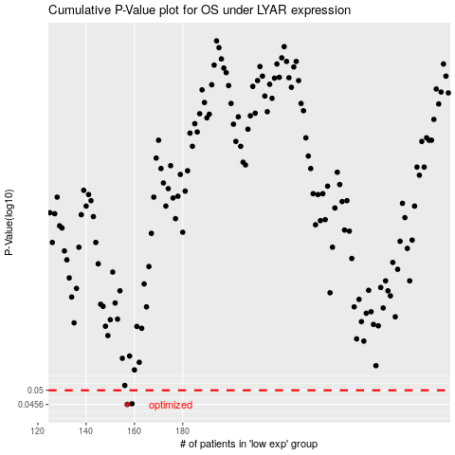

 |  |  |  |  |  | cases_OS | p_OS | rank | exp
 |  |  |  |  |  | 157 | 0.0456 | 276 | -0.42313589827
 |  |  |  |  |  | 159 | 0.0458 | 260 | -0.40885486903
 |  |  |  |  |  |  | cases_RFS | p_RFS | rank | exp
 |  |  |  |  |  |  | 156 | 0.0456 | 383 | -0.43302085136
 |  |  |  |  |  |  | 158 | 0.0458 | 110 | -0.41180346064

