LYPD1 _multivariate
Reported by Tex Li-Hsing Chi. tex@gate.sinica.edu.tw 2019-08-18

Table 2. The clinicopathological features of HNSCC cohort and LYPD1 expression. (Chi square test)
Cutoff at -0.326 (31.9%)
 |  | LYPD1 expression |  | LYPD1 expression |  | (Optimised)
 | Features | Low | (%) | High | (%) | Case no | P-value | Remark | Matthews
Gender | Female | 98 | 23.6 | 208 | 50.1 | 415 | 0.9675 | 0 | 0
2 | Male | 34 | 8.2 | 75 | 18.1
Age at diagnosis | <=65y | 89 | 21.4 | 185 | 44.6 | 415 | 0.7642 | 0 | 0
4 | >65y | 43 | 10.4 | 98 | 23.6
Clinical T Status | T1+T2 | 50 | 12 | 99 | 23.9 | 415 | 0.6434 | 0 | 0
6 | T3+T4 | 82 | 19.8 | 184 | 44.3
Clinical N Status | N0 | 72 | 17.3 | 144 | 34.7 | 415 | 0.5552 | 0 | 0
8 | N1-3 | 60 | 14.5 | 139 | 33.5
Clinical M Status | M0 | 131 | 31.6 | 281 | 67.7 | 415 | 1 | 0 | 0
10 | M1 | 1 | 0.2 | 2 | 0.5
Clinical Stage | Stage I+II | 30 | 7.2 | 72 | 17.3 | 415 | 0.6343 | 0 | 0
12 | Stage III+IV | 102 | 24.6 | 211 | 50.8
Surgical Margin status | Negative | 103 | 24.8 | 215 | 51.8 | 415 | 0.7093 | 0 | 0
14 | Positive | 29 | 7 | 68 | 16.4
Tobacco Exposure | Low | 53 | 12.8 | 108 | 26 | 415 | 0.7458 | 0 | 0
16 | High | 79 | 19 | 175 | 42.2

Table 3. Univariate/Multivariate Cox's proportional hazards regression analyses on OS time of LYPD1 gene expression in HNSCC

 |  | Univariate |  |  |  | Multivariate
 | Features | HR | CI95%(L) | CI95%(H) | P-value | HR | CI95%(L) | CI95%(H) | P-value
1 | Female | 1 |  |  |  | 1
Gender | Male | 1.157 | 0.843 | 1.587 | 0.367 | 1.194 | 0.855 | 1.668 | 0.297
11 | <=65y | 1 |  |  |  | 1
Age at diagnosis | >65y | 1.329 | 0.99 | 1.784 | 0.058 | 1.409 | 1.035 | 1.918 | 0.029
12 | T1+T2 | 1 |  |  |  | 1
Clinical T Status | T3+T4 | 1.409 | 1.028 | 1.931 | 0.033 | 2.073 | 1.093 | 3.932 | 0.026
13 | N0 | 1 |  |  |  | 1
Clinical N Status | N1-3 | 1.185 | 0.89 | 1.577 | 0.246 | 1.2 | 0.84 | 1.714 | 0.316
14 | M0 | 1 |  |  |  | 1
Clinical M Status | M1 | 4.097 | 1.009 | 16.644 | 0.049 | 9.235 | 2.015 | 42.327 | 0.004
15 | Stage I+II | 1 |  |  |  | 1
Clinical Stage | Stage III+IV | 1.245 | 0.882 | 1.759 | 0.213 | 0.561 | 0.259 | 1.212 | 0.141
16 | Negative | 1 |  |  |  | 1
Surgical Margin status | Positive | 1.591 | 1.155 | 2.191 | 0.004 | 1.621 | 1.172 | 2.243 | 0.004
17 | Low | 1 |  |  |  | 1
Tobacco Exposure | High | 1.364 | 1.008 | 1.844 | 0.044 | 1.435 | 1.041 | 1.976 | 0.027
18 | Low | 1 |  |  |  | 1
RNAseq(z-score) | High | 1.438 | 1.038 | 1.993 | 0.029 | 1.368 | 0.981 | 1.907 | 0.065

Table 4. Univariate/Multivariate Cox's proportional hazards regression analyses on RFS time of LYPD1 gene expression in HNSCC

 |  | Univariate |  |  |  | Multivariate
 | Features | HR | CI95%(L) | CI95%(H) | P-value | HR | CI95%(L) | CI95%(H) | P-value
1 | Female | 1 |  |  |  | 1
Gender | Male | 1.157 | 0.843 | 1.587 | 0.367 | 1.194 | 0.855 | 1.668 | 0.297
11 | <=65y | 1 |  |  |  | 1
Age at diagnosis | >65y | 1.329 | 0.99 | 1.784 | 0.058 | 1.409 | 1.035 | 1.918 | 0.029
12 | T1+T2 | 1 |  |  |  | 1
Clinical T Status | T3+T4 | 1.409 | 1.028 | 1.931 | 0.033 | 2.073 | 1.093 | 3.932 | 0.026
13 | N0 | 1 |  |  |  | 1
Clinical N Status | N1-3 | 1.185 | 0.89 | 1.577 | 0.246 | 1.2 | 0.84 | 1.714 | 0.316
14 | M0 | 1 |  |  |  | 1
Clinical M Status | M1 | 4.097 | 1.009 | 16.644 | 0.049 | 9.235 | 2.015 | 42.327 | 0.004
15 | Stage I+II | 1 |  |  |  | 1
Clinical Stage | Stage III+IV | 1.245 | 0.882 | 1.759 | 0.213 | 0.561 | 0.259 | 1.212 | 0.141
16 | Negative | 1 |  |  |  | 1
Surgical Margin status | Positive | 1.591 | 1.155 | 2.191 | 0.004 | 1.621 | 1.172 | 2.243 | 0.004
17 | Low | 1 |  |  |  | 1
Tobacco Exposure | High | 1.364 | 1.008 | 1.844 | 0.044 | 1.435 | 1.041 | 1.976 | 0.027
18 | Low | 1 |  |  |  | 1
RNAseq(z-score) | High | 1.438 | 1.038 | 1.993 | 0.029 | 1.368 | 0.981 | 1.907 | 0.065

Kaplan-Meier survival estimate: Cutoff at -0.326 (31.9%)

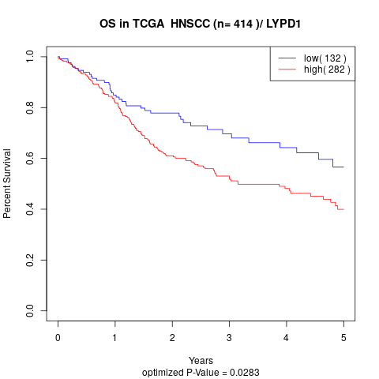

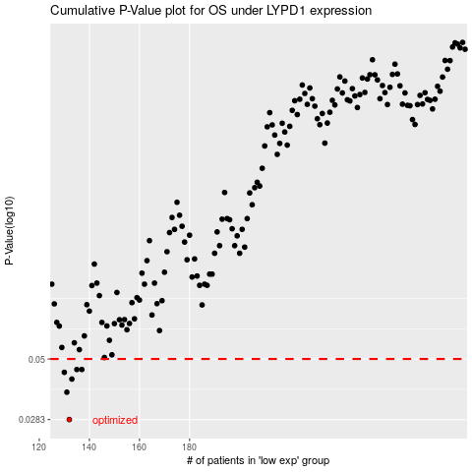

 |  |  |  |  |  | cases_OS | p_OS | rank | exp
 |  |  |  |  |  | 132 | 0.0283 | 250 | -0.32563156378
 |  |  |  |  |  | 131 | 0.0366 | 255 | -0.32945545011
 |  |  |  |  |  | 133 | 0.0414 | 201 | -0.32540956375
 |  |  |  |  |  | 130 | 0.0441 | 168 | -0.32961826082
 |  |  |  |  |  | 137 | 0.0453 | 61 | -0.3233772369
 |  |  |  |  |  | 135 | 0.0453 | 82 | -0.32484702466
 |  |  |  |  |  |  | cases_RFS | p_RFS | rank | exp
 |  |  |  |  |  |  | 131 | 0.0283 | 255 | -0.32945545011
 |  |  |  |  |  |  | 130 | 0.0366 | 168 | -0.32961826082
 |  |  |  |  |  |  | 132 | 0.0414 | 250 | -0.32563156378
 |  |  |  |  |  |  | 129 | 0.0441 | 363 | -0.33490407508
 |  |  |  |  |  |  | 134 | 0.0453 | 45 | -0.32493235993
 |  |  |  |  |  |  | 136 | 0.0453 | 300 | -0.32348871813

